LOC147804 _multivariate
Reported by Tex Li-Hsing Chi. tex@gate.sinica.edu.tw 2019-08-18

Table 2. The clinicopathological features of HNSCC cohort and LOC147804 expression. (Chi square test)
Cutoff at -0.24 (49.8%)
 |  | LOC147804 expression |  | LOC147804 expression |  | (Optimised)
 | Features | Low | (%) | High | (%) | Case no | P-value | Remark | Matthews
Gender | Female | 145 | 34.9 | 161 | 38.8 | 415 | 0.1116 | 0 | 0
2 | Male | 62 | 14.9 | 47 | 11.3
Age at diagnosis | <=65y | 136 | 32.8 | 138 | 33.3 | 415 | 0.9719 | 0 | 0
4 | >65y | 71 | 17.1 | 70 | 16.9
Clinical T Status | T1+T2 | 70 | 16.9 | 79 | 19 | 415 | 0.4343 | 0 | 0
6 | T3+T4 | 137 | 33 | 129 | 31.1
Clinical N Status | N0 | 102 | 24.6 | 114 | 27.5 | 415 | 0.3031 | 0 | 0
8 | N1-3 | 105 | 25.3 | 94 | 22.7
Clinical M Status | M0 | 205 | 49.4 | 207 | 49.9 | 415 | 0.6232 | 0 | 0
10 | M1 | 2 | 0.5 | 1 | 0.2
Clinical Stage | Stage I+II | 48 | 11.6 | 54 | 13 | 415 | 0.5878 | 0 | 0
12 | Stage III+IV | 159 | 38.3 | 154 | 37.1
Surgical Margin status | Negative | 159 | 38.3 | 159 | 38.3 | 415 | 1 | 0 | 0
14 | Positive | 48 | 11.6 | 49 | 11.8
Tobacco Exposure | Low | 91 | 21.9 | 70 | 16.9 | 415 | 0.0346 | 1 | 0
16 | High | 116 | 28 | 138 | 33.3

Table 3. Univariate/Multivariate Cox's proportional hazards regression analyses on OS time of LOC147804 gene expression in HNSCC

 |  | Univariate |  |  |  | Multivariate
 | Features | HR | CI95%(L) | CI95%(H) | P-value | HR | CI95%(L) | CI95%(H) | P-value
1 | Female | 1 |  |  |  | 1
Gender | Male | 1.157 | 0.843 | 1.587 | 0.367 | 1.194 | 0.853 | 1.671 | 0.303
11 | <=65y | 1 |  |  |  | 1
Age at diagnosis | >65y | 1.329 | 0.99 | 1.784 | 0.058 | 1.394 | 1.025 | 1.896 | 0.034
12 | T1+T2 | 1 |  |  |  | 1
Clinical T Status | T3+T4 | 1.409 | 1.028 | 1.931 | 0.033 | 2.186 | 1.154 | 4.138 | 0.016
13 | N0 | 1 |  |  |  | 1
Clinical N Status | N1-3 | 1.185 | 0.89 | 1.577 | 0.246 | 1.239 | 0.869 | 1.768 | 0.237
14 | M0 | 1 |  |  |  | 1
Clinical M Status | M1 | 4.097 | 1.009 | 16.644 | 0.049 | 9.285 | 2.022 | 42.627 | 0.004
15 | Stage I+II | 1 |  |  |  | 1
Clinical Stage | Stage III+IV | 1.245 | 0.882 | 1.759 | 0.213 | 0.507 | 0.236 | 1.089 | 0.082
16 | Negative | 1 |  |  |  | 1
Surgical Margin status | Positive | 1.591 | 1.155 | 2.191 | 0.004 | 1.675 | 1.212 | 2.314 | 0.002
17 | Low | 1 |  |  |  | 1
Tobacco Exposure | High | 1.364 | 1.008 | 1.844 | 0.044 | 1.468 | 1.06 | 2.033 | 0.021
18 | Low | 1 |  |  |  | 1
RNAseq(z-score) | High | 0.961 | 0.722 | 1.28 | 0.785 | 0.948 | 0.706 | 1.273 | 0.722

Table 4. Univariate/Multivariate Cox's proportional hazards regression analyses on RFS time of LOC147804 gene expression in HNSCC

 |  | Univariate |  |  |  | Multivariate
 | Features | HR | CI95%(L) | CI95%(H) | P-value | HR | CI95%(L) | CI95%(H) | P-value
1 | Female | 1 |  |  |  | 1
Gender | Male | 1.157 | 0.843 | 1.587 | 0.367 | 1.194 | 0.853 | 1.671 | 0.303
11 | <=65y | 1 |  |  |  | 1
Age at diagnosis | >65y | 1.329 | 0.99 | 1.784 | 0.058 | 1.394 | 1.025 | 1.896 | 0.034
12 | T1+T2 | 1 |  |  |  | 1
Clinical T Status | T3+T4 | 1.409 | 1.028 | 1.931 | 0.033 | 2.186 | 1.154 | 4.138 | 0.016
13 | N0 | 1 |  |  |  | 1
Clinical N Status | N1-3 | 1.185 | 0.89 | 1.577 | 0.246 | 1.239 | 0.869 | 1.768 | 0.237
14 | M0 | 1 |  |  |  | 1
Clinical M Status | M1 | 4.097 | 1.009 | 16.644 | 0.049 | 9.285 | 2.022 | 42.627 | 0.004
15 | Stage I+II | 1 |  |  |  | 1
Clinical Stage | Stage III+IV | 1.245 | 0.882 | 1.759 | 0.213 | 0.507 | 0.236 | 1.089 | 0.082
16 | Negative | 1 |  |  |  | 1
Surgical Margin status | Positive | 1.591 | 1.155 | 2.191 | 0.004 | 1.675 | 1.212 | 2.314 | 0.002
17 | Low | 1 |  |  |  | 1
Tobacco Exposure | High | 1.364 | 1.008 | 1.844 | 0.044 | 1.468 | 1.06 | 2.033 | 0.021
18 | Low | 1 |  |  |  | 1
RNAseq(z-score) | High | 0.961 | 0.722 | 1.28 | 0.785 | 0.948 | 0.706 | 1.273 | 0.722

Kaplan-Meier survival estimate: Cutoff at -0.24 (49.8%)

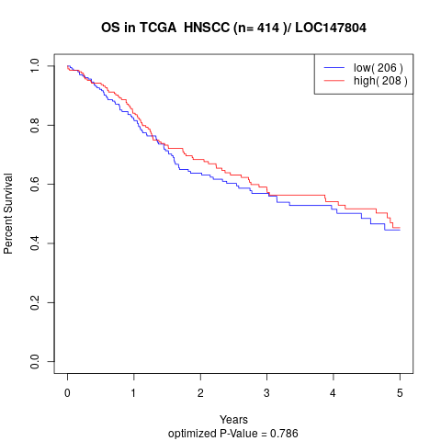

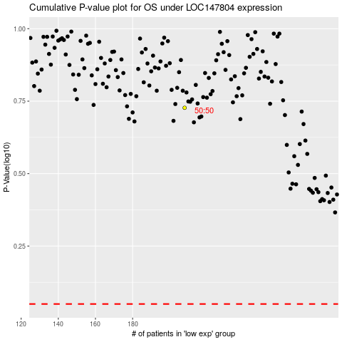

 |  |  |  |  |  | cases_OS | p_OS | rank | exp
 |  |  |  |  |  |  | cases_RFS | p_RFS | rank | exp

