LOC150197 _multivariate
Reported by Tex Li-Hsing Chi. tex@gate.sinica.edu.tw 2019-08-18

Table 2. The clinicopathological features of HNSCC cohort and LOC150197 expression. (Chi square test)
Cutoff at -0.311 (49.5%)
 |  | LOC150197 expression |  | LOC150197 expression |  | (Optimised)
 | Features | Low | (%) | High | (%) | Case no | P-value | Remark | Matthews
Gender | Female | 146 | 35.2 | 160 | 38.6 | 415 | 0.2288 | 0 | 0
2 | Male | 60 | 14.5 | 49 | 11.8
Age at diagnosis | <=65y | 143 | 34.5 | 131 | 31.6 | 415 | 0.1785 | 0 | 0
4 | >65y | 63 | 15.2 | 78 | 18.8
Clinical T Status | T1+T2 | 86 | 20.7 | 63 | 15.2 | 415 | 0.0182 | 1 | 0
6 | T3+T4 | 120 | 28.9 | 146 | 35.2
Clinical N Status | N0 | 105 | 25.3 | 111 | 26.7 | 415 | 0.7355 | 0 | 0
8 | N1-3 | 101 | 24.3 | 98 | 23.6
Clinical M Status | M0 | 205 | 49.4 | 207 | 49.9 | 415 | 1 | 0 | 0
10 | M1 | 1 | 0.2 | 2 | 0.5
Clinical Stage | Stage I+II | 60 | 14.5 | 42 | 10.1 | 415 | 0.0431 | 1 | 0
12 | Stage III+IV | 146 | 35.2 | 167 | 40.2
Surgical Margin status | Negative | 163 | 39.3 | 155 | 37.3 | 415 | 0.2476 | 0 | 0
14 | Positive | 43 | 10.4 | 54 | 13
Tobacco Exposure | Low | 87 | 21 | 74 | 17.8 | 415 | 0.1598 | 0 | 0
16 | High | 119 | 28.7 | 135 | 32.5

Table 3. Univariate/Multivariate Cox's proportional hazards regression analyses on OS time of LOC150197 gene expression in HNSCC

 |  | Univariate |  |  |  | Multivariate
 | Features | HR | CI95%(L) | CI95%(H) | P-value | HR | CI95%(L) | CI95%(H) | P-value
1 | Female | 1 |  |  |  | 1
Gender | Male | 1.157 | 0.843 | 1.587 | 0.367 | 1.2 | 0.859 | 1.676 | 0.285
11 | <=65y | 1 |  |  |  | 1
Age at diagnosis | >65y | 1.329 | 0.99 | 1.784 | 0.058 | 1.4 | 1.027 | 1.907 | 0.033
12 | T1+T2 | 1 |  |  |  | 1
Clinical T Status | T3+T4 | 1.409 | 1.028 | 1.931 | 0.033 | 2.213 | 1.169 | 4.187 | 0.015
13 | N0 | 1 |  |  |  | 1
Clinical N Status | N1-3 | 1.185 | 0.89 | 1.577 | 0.246 | 1.235 | 0.865 | 1.764 | 0.246
14 | M0 | 1 |  |  |  | 1
Clinical M Status | M1 | 4.097 | 1.009 | 16.644 | 0.049 | 9.502 | 2.07 | 43.62 | 0.004
15 | Stage I+II | 1 |  |  |  | 1
Clinical Stage | Stage III+IV | 1.245 | 0.882 | 1.759 | 0.213 | 0.506 | 0.236 | 1.087 | 0.081
16 | Negative | 1 |  |  |  | 1
Surgical Margin status | Positive | 1.591 | 1.155 | 2.191 | 0.004 | 1.687 | 1.215 | 2.342 | 0.002
17 | Low | 1 |  |  |  | 1
Tobacco Exposure | High | 1.364 | 1.008 | 1.844 | 0.044 | 1.457 | 1.057 | 2.008 | 0.022
18 | Low | 1 |  |  |  | 1
RNAseq(z-score) | High | 1.081 | 0.812 | 1.44 | 0.594 | 0.953 | 0.709 | 1.282 | 0.752

Table 4. Univariate/Multivariate Cox's proportional hazards regression analyses on RFS time of LOC150197 gene expression in HNSCC

 |  | Univariate |  |  |  | Multivariate
 | Features | HR | CI95%(L) | CI95%(H) | P-value | HR | CI95%(L) | CI95%(H) | P-value
1 | Female | 1 |  |  |  | 1
Gender | Male | 1.157 | 0.843 | 1.587 | 0.367 | 1.2 | 0.859 | 1.676 | 0.285
11 | <=65y | 1 |  |  |  | 1
Age at diagnosis | >65y | 1.329 | 0.99 | 1.784 | 0.058 | 1.4 | 1.027 | 1.907 | 0.033
12 | T1+T2 | 1 |  |  |  | 1
Clinical T Status | T3+T4 | 1.409 | 1.028 | 1.931 | 0.033 | 2.213 | 1.169 | 4.187 | 0.015
13 | N0 | 1 |  |  |  | 1
Clinical N Status | N1-3 | 1.185 | 0.89 | 1.577 | 0.246 | 1.235 | 0.865 | 1.764 | 0.246
14 | M0 | 1 |  |  |  | 1
Clinical M Status | M1 | 4.097 | 1.009 | 16.644 | 0.049 | 9.502 | 2.07 | 43.62 | 0.004
15 | Stage I+II | 1 |  |  |  | 1
Clinical Stage | Stage III+IV | 1.245 | 0.882 | 1.759 | 0.213 | 0.506 | 0.236 | 1.087 | 0.081
16 | Negative | 1 |  |  |  | 1
Surgical Margin status | Positive | 1.591 | 1.155 | 2.191 | 0.004 | 1.687 | 1.215 | 2.342 | 0.002
17 | Low | 1 |  |  |  | 1
Tobacco Exposure | High | 1.364 | 1.008 | 1.844 | 0.044 | 1.457 | 1.057 | 2.008 | 0.022
18 | Low | 1 |  |  |  | 1
RNAseq(z-score) | High | 1.081 | 0.812 | 1.44 | 0.594 | 0.953 | 0.709 | 1.282 | 0.752

Kaplan-Meier survival estimate: Cutoff at -0.311 (49.5%)



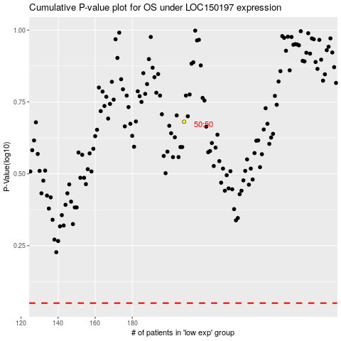

 |  |  |  |  |  | cases_OS | p_OS | rank | exp
 |  |  |  |  |  |  | cases_RFS | p_RFS | rank | exp

