LOC150381 _multivariate
Reported by Tex Li-Hsing Chi. tex@gate.sinica.edu.tw 2019-08-18

Table 2. The clinicopathological features of HNSCC cohort and LOC150381 expression. (Chi square test)
Cutoff at -0.261 (50.0%)
 |  | LOC150381 expression |  | LOC150381 expression |  | (Optimised)
 | Features | Low | (%) | High | (%) | Case no | P-value | Remark | Matthews
Gender | Female | 156 | 37.6 | 150 | 36.1 | 415 | 0.5222 | 0 | 0
2 | Male | 51 | 12.3 | 58 | 14
Age at diagnosis | <=65y | 141 | 34 | 133 | 32 | 415 | 0.4272 | 0 | 0
4 | >65y | 66 | 15.9 | 75 | 18.1
Clinical T Status | T1+T2 | 73 | 17.6 | 76 | 18.3 | 415 | 0.8666 | 0 | 0
6 | T3+T4 | 134 | 32.3 | 132 | 31.8
Clinical N Status | N0 | 101 | 24.3 | 115 | 27.7 | 415 | 0.2201 | 0 | 0
8 | N1-3 | 106 | 25.5 | 93 | 22.4
Clinical M Status | M0 | 207 | 49.9 | 205 | 49.4 | 415 | 0.2482 | 0 | 0
10 | M1 | 0 | 0 | 3 | 0.7
Clinical Stage | Stage I+II | 47 | 11.3 | 55 | 13.3 | 415 | 0.4413 | 0 | 0
12 | Stage III+IV | 160 | 38.6 | 153 | 36.9
Surgical Margin status | Negative | 167 | 40.2 | 151 | 36.4 | 415 | 0.0632 | 0 | 0
14 | Positive | 40 | 9.6 | 57 | 13.7
Tobacco Exposure | Low | 74 | 17.8 | 87 | 21 | 415 | 0.227 | 0 | 0
16 | High | 133 | 32 | 121 | 29.2

Table 3. Univariate/Multivariate Cox's proportional hazards regression analyses on OS time of LOC150381 gene expression in HNSCC

 |  | Univariate |  |  |  | Multivariate
 | Features | HR | CI95%(L) | CI95%(H) | P-value | HR | CI95%(L) | CI95%(H) | P-value
1 | Female | 1 |  |  |  | 1
Gender | Male | 1.157 | 0.843 | 1.587 | 0.367 | 1.199 | 0.857 | 1.678 | 0.289
11 | <=65y | 1 |  |  |  | 1
Age at diagnosis | >65y | 1.329 | 0.99 | 1.784 | 0.058 | 1.392 | 1.024 | 1.893 | 0.035
12 | T1+T2 | 1 |  |  |  | 1
Clinical T Status | T3+T4 | 1.409 | 1.028 | 1.931 | 0.033 | 2.2 | 1.163 | 4.16 | 0.015
13 | N0 | 1 |  |  |  | 1
Clinical N Status | N1-3 | 1.185 | 0.89 | 1.577 | 0.246 | 1.244 | 0.87 | 1.777 | 0.232
14 | M0 | 1 |  |  |  | 1
Clinical M Status | M1 | 4.097 | 1.009 | 16.644 | 0.049 | 9.293 | 2.004 | 43.099 | 0.004
15 | Stage I+II | 1 |  |  |  | 1
Clinical Stage | Stage III+IV | 1.245 | 0.882 | 1.759 | 0.213 | 0.505 | 0.235 | 1.084 | 0.079
16 | Negative | 1 |  |  |  | 1
Surgical Margin status | Positive | 1.591 | 1.155 | 2.191 | 0.004 | 1.666 | 1.201 | 2.311 | 0.002
17 | Low | 1 |  |  |  | 1
Tobacco Exposure | High | 1.364 | 1.008 | 1.844 | 0.044 | 1.453 | 1.055 | 2.002 | 0.022
18 | Low | 1 |  |  |  | 1
RNAseq(z-score) | High | 1.087 | 0.816 | 1.447 | 0.568 | 1.019 | 0.759 | 1.368 | 0.9

Table 4. Univariate/Multivariate Cox's proportional hazards regression analyses on RFS time of LOC150381 gene expression in HNSCC

 |  | Univariate |  |  |  | Multivariate
 | Features | HR | CI95%(L) | CI95%(H) | P-value | HR | CI95%(L) | CI95%(H) | P-value
1 | Female | 1 |  |  |  | 1
Gender | Male | 1.157 | 0.843 | 1.587 | 0.367 | 1.199 | 0.857 | 1.678 | 0.289
11 | <=65y | 1 |  |  |  | 1
Age at diagnosis | >65y | 1.329 | 0.99 | 1.784 | 0.058 | 1.392 | 1.024 | 1.893 | 0.035
12 | T1+T2 | 1 |  |  |  | 1
Clinical T Status | T3+T4 | 1.409 | 1.028 | 1.931 | 0.033 | 2.2 | 1.163 | 4.16 | 0.015
13 | N0 | 1 |  |  |  | 1
Clinical N Status | N1-3 | 1.185 | 0.89 | 1.577 | 0.246 | 1.244 | 0.87 | 1.777 | 0.232
14 | M0 | 1 |  |  |  | 1
Clinical M Status | M1 | 4.097 | 1.009 | 16.644 | 0.049 | 9.293 | 2.004 | 43.099 | 0.004
15 | Stage I+II | 1 |  |  |  | 1
Clinical Stage | Stage III+IV | 1.245 | 0.882 | 1.759 | 0.213 | 0.505 | 0.235 | 1.084 | 0.079
16 | Negative | 1 |  |  |  | 1
Surgical Margin status | Positive | 1.591 | 1.155 | 2.191 | 0.004 | 1.666 | 1.201 | 2.311 | 0.002
17 | Low | 1 |  |  |  | 1
Tobacco Exposure | High | 1.364 | 1.008 | 1.844 | 0.044 | 1.453 | 1.055 | 2.002 | 0.022
18 | Low | 1 |  |  |  | 1
RNAseq(z-score) | High | 1.087 | 0.816 | 1.447 | 0.568 | 1.019 | 0.759 | 1.368 | 0.9

Kaplan-Meier survival estimate: Cutoff at -0.261 (50.0%)



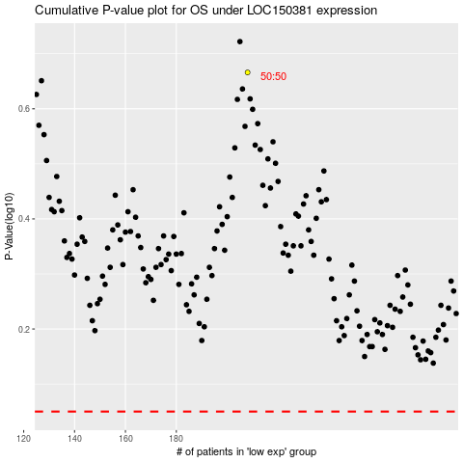

 |  |  |  |  |  | cases_OS | p_OS | rank | exp
 |  |  |  |  |  |  | cases_RFS | p_RFS | rank | exp

