LOC150786 _multivariate
Reported by Tex Li-Hsing Chi. tex@gate.sinica.edu.tw 2019-08-18

Table 2. The clinicopathological features of HNSCC cohort and LOC150786 expression. (Chi square test)
Cutoff at -0.128 (49.8%)
 |  | LOC150786 expression |  | LOC150786 expression |  | (Optimised)
 | Features | Low | (%) | High | (%) | Case no | P-value | Remark | Matthews
Gender | Female | 157 | 37.8 | 149 | 35.9 | 415 | 0.3881 | 0 | 0
2 | Male | 50 | 12 | 59 | 14.2
Age at diagnosis | <=65y | 138 | 33.3 | 136 | 32.8 | 415 | 0.8634 | 0 | 0
4 | >65y | 69 | 16.6 | 72 | 17.3
Clinical T Status | T1+T2 | 81 | 19.5 | 68 | 16.4 | 415 | 0.206 | 0 | 0
6 | T3+T4 | 126 | 30.4 | 140 | 33.7
Clinical N Status | N0 | 102 | 24.6 | 114 | 27.5 | 415 | 0.3031 | 0 | 0
8 | N1-3 | 105 | 25.3 | 94 | 22.7
Clinical M Status | M0 | 204 | 49.2 | 208 | 50.1 | 415 | 0.1232 | 0 | 0
10 | M1 | 3 | 0.7 | 0 | 0
Clinical Stage | Stage I+II | 53 | 12.8 | 49 | 11.8 | 415 | 0.7113 | 0 | 0
12 | Stage III+IV | 154 | 37.1 | 159 | 38.3
Surgical Margin status | Negative | 154 | 37.1 | 164 | 39.5 | 415 | 0.2984 | 0 | 0
14 | Positive | 53 | 12.8 | 44 | 10.6
Tobacco Exposure | Low | 77 | 18.6 | 84 | 20.2 | 415 | 0.5459 | 0 | 0
16 | High | 130 | 31.3 | 124 | 29.9

Table 3. Univariate/Multivariate Cox's proportional hazards regression analyses on OS time of LOC150786 gene expression in HNSCC

 |  | Univariate |  |  |  | Multivariate
 | Features | HR | CI95%(L) | CI95%(H) | P-value | HR | CI95%(L) | CI95%(H) | P-value
1 | Female | 1 |  |  |  | 1
Gender | Male | 1.157 | 0.843 | 1.587 | 0.367 | 1.206 | 0.862 | 1.686 | 0.275
11 | <=65y | 1 |  |  |  | 1
Age at diagnosis | >65y | 1.329 | 0.99 | 1.784 | 0.058 | 1.39 | 1.022 | 1.89 | 0.036
12 | T1+T2 | 1 |  |  |  | 1
Clinical T Status | T3+T4 | 1.409 | 1.028 | 1.931 | 0.033 | 2.203 | 1.165 | 4.165 | 0.015
13 | N0 | 1 |  |  |  | 1
Clinical N Status | N1-3 | 1.185 | 0.89 | 1.577 | 0.246 | 1.236 | 0.865 | 1.766 | 0.244
14 | M0 | 1 |  |  |  | 1
Clinical M Status | M1 | 4.097 | 1.009 | 16.644 | 0.049 | 9.244 | 2.003 | 42.658 | 0.004
15 | Stage I+II | 1 |  |  |  | 1
Clinical Stage | Stage III+IV | 1.245 | 0.882 | 1.759 | 0.213 | 0.507 | 0.236 | 1.089 | 0.082
16 | Negative | 1 |  |  |  | 1
Surgical Margin status | Positive | 1.591 | 1.155 | 2.191 | 0.004 | 1.664 | 1.202 | 2.304 | 0.002
17 | Low | 1 |  |  |  | 1
Tobacco Exposure | High | 1.364 | 1.008 | 1.844 | 0.044 | 1.449 | 1.05 | 1.998 | 0.024
18 | Low | 1 |  |  |  | 1
RNAseq(z-score) | High | 0.901 | 0.675 | 1.202 | 0.478 | 0.965 | 0.718 | 1.297 | 0.813

Table 4. Univariate/Multivariate Cox's proportional hazards regression analyses on RFS time of LOC150786 gene expression in HNSCC

 |  | Univariate |  |  |  | Multivariate
 | Features | HR | CI95%(L) | CI95%(H) | P-value | HR | CI95%(L) | CI95%(H) | P-value
1 | Female | 1 |  |  |  | 1
Gender | Male | 1.157 | 0.843 | 1.587 | 0.367 | 1.206 | 0.862 | 1.686 | 0.275
11 | <=65y | 1 |  |  |  | 1
Age at diagnosis | >65y | 1.329 | 0.99 | 1.784 | 0.058 | 1.39 | 1.022 | 1.89 | 0.036
12 | T1+T2 | 1 |  |  |  | 1
Clinical T Status | T3+T4 | 1.409 | 1.028 | 1.931 | 0.033 | 2.203 | 1.165 | 4.165 | 0.015
13 | N0 | 1 |  |  |  | 1
Clinical N Status | N1-3 | 1.185 | 0.89 | 1.577 | 0.246 | 1.236 | 0.865 | 1.766 | 0.244
14 | M0 | 1 |  |  |  | 1
Clinical M Status | M1 | 4.097 | 1.009 | 16.644 | 0.049 | 9.244 | 2.003 | 42.658 | 0.004
15 | Stage I+II | 1 |  |  |  | 1
Clinical Stage | Stage III+IV | 1.245 | 0.882 | 1.759 | 0.213 | 0.507 | 0.236 | 1.089 | 0.082
16 | Negative | 1 |  |  |  | 1
Surgical Margin status | Positive | 1.591 | 1.155 | 2.191 | 0.004 | 1.664 | 1.202 | 2.304 | 0.002
17 | Low | 1 |  |  |  | 1
Tobacco Exposure | High | 1.364 | 1.008 | 1.844 | 0.044 | 1.449 | 1.05 | 1.998 | 0.024
18 | Low | 1 |  |  |  | 1
RNAseq(z-score) | High | 0.901 | 0.675 | 1.202 | 0.478 | 0.965 | 0.718 | 1.297 | 0.813

Kaplan-Meier survival estimate: Cutoff at -0.128 (49.8%)

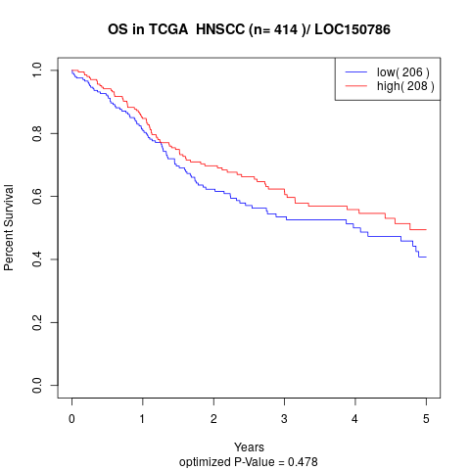

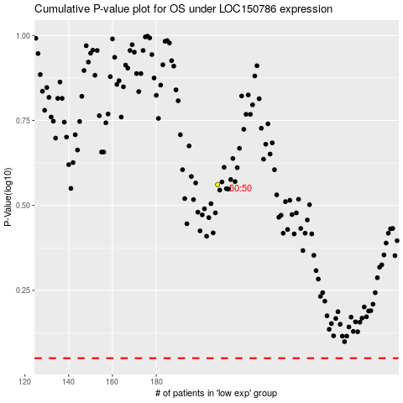

 |  |  |  |  |  | cases_OS | p_OS | rank | exp
 |  |  |  |  |  |  | cases_RFS | p_RFS | rank | exp

