LOC151162 _multivariate
Reported by Tex Li-Hsing Chi. tex@gate.sinica.edu.tw 2019-08-18

Table 2. The clinicopathological features of HNSCC cohort and LOC151162 expression. (Chi square test)
Cutoff at -0.164 (49.8%)
 |  | LOC151162 expression |  | LOC151162 expression |  | (Optimised)
 | Features | Low | (%) | High | (%) | Case no | P-value | Remark | Matthews
Gender | Female | 143 | 34.5 | 163 | 39.3 | 415 | 0.0416 | 1 | 0
2 | Male | 64 | 15.4 | 45 | 10.8
Age at diagnosis | <=65y | 128 | 30.8 | 146 | 35.2 | 415 | 0.0904 | 0 | 0
4 | >65y | 79 | 19 | 62 | 14.9
Clinical T Status | T1+T2 | 75 | 18.1 | 74 | 17.8 | 415 | 0.9707 | 0 | 0
6 | T3+T4 | 132 | 31.8 | 134 | 32.3
Clinical N Status | N0 | 109 | 26.3 | 107 | 25.8 | 415 | 0.8812 | 0 | 0
8 | N1-3 | 98 | 23.6 | 101 | 24.3
Clinical M Status | M0 | 205 | 49.4 | 207 | 49.9 | 415 | 0.6232 | 0 | 0
10 | M1 | 2 | 0.5 | 1 | 0.2
Clinical Stage | Stage I+II | 54 | 13 | 48 | 11.6 | 415 | 0.5498 | 0 | 0
12 | Stage III+IV | 153 | 36.9 | 160 | 38.6
Surgical Margin status | Negative | 159 | 38.3 | 159 | 38.3 | 415 | 1 | 0 | 0
14 | Positive | 48 | 11.6 | 49 | 11.8
Tobacco Exposure | Low | 98 | 23.6 | 63 | 15.2 | 415 | 4e-04 | 1 | 0
16 | High | 109 | 26.3 | 145 | 34.9

Table 3. Univariate/Multivariate Cox's proportional hazards regression analyses on OS time of LOC151162 gene expression in HNSCC

 |  | Univariate |  |  |  | Multivariate
 | Features | HR | CI95%(L) | CI95%(H) | P-value | HR | CI95%(L) | CI95%(H) | P-value
1 | Female | 1 |  |  |  | 1
Gender | Male | 1.157 | 0.843 | 1.587 | 0.367 | 1.194 | 0.853 | 1.67 | 0.301
11 | <=65y | 1 |  |  |  | 1
Age at diagnosis | >65y | 1.329 | 0.99 | 1.784 | 0.058 | 1.382 | 1.015 | 1.882 | 0.04
12 | T1+T2 | 1 |  |  |  | 1
Clinical T Status | T3+T4 | 1.409 | 1.028 | 1.931 | 0.033 | 2.175 | 1.147 | 4.122 | 0.017
13 | N0 | 1 |  |  |  | 1
Clinical N Status | N1-3 | 1.185 | 0.89 | 1.577 | 0.246 | 1.236 | 0.866 | 1.764 | 0.243
14 | M0 | 1 |  |  |  | 1
Clinical M Status | M1 | 4.097 | 1.009 | 16.644 | 0.049 | 9.096 | 1.97 | 41.993 | 0.005
15 | Stage I+II | 1 |  |  |  | 1
Clinical Stage | Stage III+IV | 1.245 | 0.882 | 1.759 | 0.213 | 0.513 | 0.238 | 1.104 | 0.088
16 | Negative | 1 |  |  |  | 1
Surgical Margin status | Positive | 1.591 | 1.155 | 2.191 | 0.004 | 1.661 | 1.201 | 2.298 | 0.002
17 | Low | 1 |  |  |  | 1
Tobacco Exposure | High | 1.364 | 1.008 | 1.844 | 0.044 | 1.47 | 1.062 | 2.034 | 0.02
18 | Low | 1 |  |  |  | 1
RNAseq(z-score) | High | 0.883 | 0.662 | 1.176 | 0.394 | 0.934 | 0.692 | 1.261 | 0.656

Table 4. Univariate/Multivariate Cox's proportional hazards regression analyses on RFS time of LOC151162 gene expression in HNSCC

 |  | Univariate |  |  |  | Multivariate
 | Features | HR | CI95%(L) | CI95%(H) | P-value | HR | CI95%(L) | CI95%(H) | P-value
1 | Female | 1 |  |  |  | 1
Gender | Male | 1.157 | 0.843 | 1.587 | 0.367 | 1.194 | 0.853 | 1.67 | 0.301
11 | <=65y | 1 |  |  |  | 1
Age at diagnosis | >65y | 1.329 | 0.99 | 1.784 | 0.058 | 1.382 | 1.015 | 1.882 | 0.04
12 | T1+T2 | 1 |  |  |  | 1
Clinical T Status | T3+T4 | 1.409 | 1.028 | 1.931 | 0.033 | 2.175 | 1.147 | 4.122 | 0.017
13 | N0 | 1 |  |  |  | 1
Clinical N Status | N1-3 | 1.185 | 0.89 | 1.577 | 0.246 | 1.236 | 0.866 | 1.764 | 0.243
14 | M0 | 1 |  |  |  | 1
Clinical M Status | M1 | 4.097 | 1.009 | 16.644 | 0.049 | 9.096 | 1.97 | 41.993 | 0.005
15 | Stage I+II | 1 |  |  |  | 1
Clinical Stage | Stage III+IV | 1.245 | 0.882 | 1.759 | 0.213 | 0.513 | 0.238 | 1.104 | 0.088
16 | Negative | 1 |  |  |  | 1
Surgical Margin status | Positive | 1.591 | 1.155 | 2.191 | 0.004 | 1.661 | 1.201 | 2.298 | 0.002
17 | Low | 1 |  |  |  | 1
Tobacco Exposure | High | 1.364 | 1.008 | 1.844 | 0.044 | 1.47 | 1.062 | 2.034 | 0.02
18 | Low | 1 |  |  |  | 1
RNAseq(z-score) | High | 0.883 | 0.662 | 1.176 | 0.394 | 0.934 | 0.692 | 1.261 | 0.656

Kaplan-Meier survival estimate: Cutoff at -0.164 (49.8%)

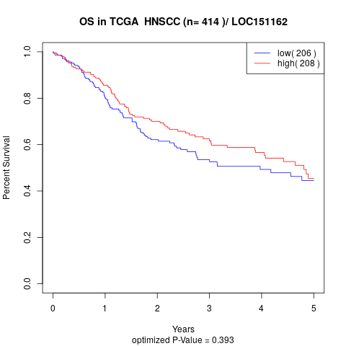

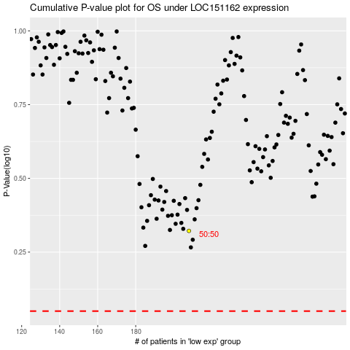

 |  |  |  |  |  | cases_OS | p_OS | rank | exp
 |  |  |  |  |  |  | cases_RFS | p_RFS | rank | exp

