LOC151174 _multivariate
Reported by Tex Li-Hsing Chi. tex@gate.sinica.edu.tw 2019-08-18

Table 2. The clinicopathological features of HNSCC cohort and LOC151174 expression. (Chi square test)
Cutoff at -0.374 (31.4%)
 |  | LOC151174 expression |  | LOC151174 expression |  | (Optimised)
 | Features | Low | (%) | High | (%) | Case no | P-value | Remark | Matthews
Gender | Female | 98 | 23.6 | 208 | 50.1 | 415 | 0.8276 | 0 | 0
2 | Male | 33 | 8 | 76 | 18.3
Age at diagnosis | <=65y | 85 | 20.5 | 189 | 45.5 | 415 | 0.825 | 0 | 0
4 | >65y | 46 | 11.1 | 95 | 22.9
Clinical T Status | T1+T2 | 43 | 10.4 | 106 | 25.5 | 415 | 0.4366 | 0 | 0
6 | T3+T4 | 88 | 21.2 | 178 | 42.9
Clinical N Status | N0 | 70 | 16.9 | 146 | 35.2 | 415 | 0.7807 | 0 | 0
8 | N1-3 | 61 | 14.7 | 138 | 33.3
Clinical M Status | M0 | 129 | 31.1 | 283 | 68.2 | 415 | 0.2354 | 0 | 0
10 | M1 | 2 | 0.5 | 1 | 0.2
Clinical Stage | Stage I+II | 29 | 7 | 73 | 17.6 | 415 | 0.5081 | 0 | 0
12 | Stage III+IV | 102 | 24.6 | 211 | 50.8
Surgical Margin status | Negative | 96 | 23.1 | 222 | 53.5 | 415 | 0.3181 | 0 | 0
14 | Positive | 35 | 8.4 | 62 | 14.9
Tobacco Exposure | Low | 55 | 13.3 | 106 | 25.5 | 415 | 0.3869 | 0 | 0
16 | High | 76 | 18.3 | 178 | 42.9

Table 3. Univariate/Multivariate Cox's proportional hazards regression analyses on OS time of LOC151174 gene expression in HNSCC

 |  | Univariate |  |  |  | Multivariate
 | Features | HR | CI95%(L) | CI95%(H) | P-value | HR | CI95%(L) | CI95%(H) | P-value
1 | Female | 1 |  |  |  | 1
Gender | Male | 1.157 | 0.843 | 1.587 | 0.367 | 1.198 | 0.856 | 1.675 | 0.292
11 | <=65y | 1 |  |  |  | 1
Age at diagnosis | >65y | 1.329 | 0.99 | 1.784 | 0.058 | 1.395 | 1.028 | 1.894 | 0.033
12 | T1+T2 | 1 |  |  |  | 1
Clinical T Status | T3+T4 | 1.409 | 1.028 | 1.931 | 0.033 | 2.167 | 1.146 | 4.098 | 0.017
13 | N0 | 1 |  |  |  | 1
Clinical N Status | N1-3 | 1.185 | 0.89 | 1.577 | 0.246 | 1.235 | 0.866 | 1.76 | 0.244
14 | M0 | 1 |  |  |  | 1
Clinical M Status | M1 | 4.097 | 1.009 | 16.644 | 0.049 | 8.559 | 1.861 | 39.361 | 0.006
15 | Stage I+II | 1 |  |  |  | 1
Clinical Stage | Stage III+IV | 1.245 | 0.882 | 1.759 | 0.213 | 0.508 | 0.237 | 1.09 | 0.082
16 | Negative | 1 |  |  |  | 1
Surgical Margin status | Positive | 1.591 | 1.155 | 2.191 | 0.004 | 1.657 | 1.199 | 2.29 | 0.002
17 | Low | 1 |  |  |  | 1
Tobacco Exposure | High | 1.364 | 1.008 | 1.844 | 0.044 | 1.505 | 1.088 | 2.08 | 0.013
18 | Low | 1 |  |  |  | 1
RNAseq(z-score) | High | 0.74 | 0.549 | 0.998 | 0.048 | 0.74 | 0.547 | 1.001 | 0.051

Table 4. Univariate/Multivariate Cox's proportional hazards regression analyses on RFS time of LOC151174 gene expression in HNSCC

 |  | Univariate |  |  |  | Multivariate
 | Features | HR | CI95%(L) | CI95%(H) | P-value | HR | CI95%(L) | CI95%(H) | P-value
1 | Female | 1 |  |  |  | 1
Gender | Male | 1.157 | 0.843 | 1.587 | 0.367 | 1.198 | 0.856 | 1.675 | 0.292
11 | <=65y | 1 |  |  |  | 1
Age at diagnosis | >65y | 1.329 | 0.99 | 1.784 | 0.058 | 1.395 | 1.028 | 1.894 | 0.033
12 | T1+T2 | 1 |  |  |  | 1
Clinical T Status | T3+T4 | 1.409 | 1.028 | 1.931 | 0.033 | 2.167 | 1.146 | 4.098 | 0.017
13 | N0 | 1 |  |  |  | 1
Clinical N Status | N1-3 | 1.185 | 0.89 | 1.577 | 0.246 | 1.235 | 0.866 | 1.76 | 0.244
14 | M0 | 1 |  |  |  | 1
Clinical M Status | M1 | 4.097 | 1.009 | 16.644 | 0.049 | 8.559 | 1.861 | 39.361 | 0.006
15 | Stage I+II | 1 |  |  |  | 1
Clinical Stage | Stage III+IV | 1.245 | 0.882 | 1.759 | 0.213 | 0.508 | 0.237 | 1.09 | 0.082
16 | Negative | 1 |  |  |  | 1
Surgical Margin status | Positive | 1.591 | 1.155 | 2.191 | 0.004 | 1.657 | 1.199 | 2.29 | 0.002
17 | Low | 1 |  |  |  | 1
Tobacco Exposure | High | 1.364 | 1.008 | 1.844 | 0.044 | 1.505 | 1.088 | 2.08 | 0.013
18 | Low | 1 |  |  |  | 1
RNAseq(z-score) | High | 0.74 | 0.549 | 0.998 | 0.048 | 0.74 | 0.547 | 1.001 | 0.051

Kaplan-Meier survival estimate: Cutoff at -0.374 (31.4%)



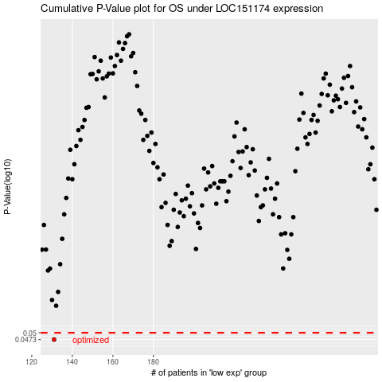

 |  |  |  |  |  | cases_OS | p_OS | rank | exp
 |  |  |  |  |  | 131 | 0.0473 | 193 | -0.37378532041
 |  |  |  |  |  |  | cases_RFS | p_RFS | rank | exp
 |  |  |  |  |  |  | 130 | 0.0473 | 70 | -0.37489710902

