LOC151534 _multivariate
Reported by Tex Li-Hsing Chi. tex@gate.sinica.edu.tw 2019-08-18

Table 2. The clinicopathological features of HNSCC cohort and LOC151534 expression. (Chi square test)
Cutoff at -0.181 (49.8%)
 |  | LOC151534 expression |  | LOC151534 expression |  | (Optimised)
 | Features | Low | (%) | High | (%) | Case no | P-value | Remark | Matthews
Gender | Female | 148 | 35.7 | 158 | 38.1 | 415 | 0.3567 | 0 | 0
2 | Male | 59 | 14.2 | 50 | 12
Age at diagnosis | <=65y | 139 | 33.5 | 135 | 32.5 | 415 | 0.7044 | 0 | 0
4 | >65y | 68 | 16.4 | 73 | 17.6
Clinical T Status | T1+T2 | 77 | 18.6 | 72 | 17.3 | 415 | 0.6556 | 0 | 0
6 | T3+T4 | 130 | 31.3 | 136 | 32.8
Clinical N Status | N0 | 108 | 26 | 108 | 26 | 415 | 1 | 0 | 0
8 | N1-3 | 99 | 23.9 | 100 | 24.1
Clinical M Status | M0 | 206 | 49.6 | 206 | 49.6 | 415 | 1 | 0 | 0
10 | M1 | 1 | 0.2 | 2 | 0.5
Clinical Stage | Stage I+II | 55 | 13.3 | 47 | 11.3 | 415 | 0.4087 | 0 | 0
12 | Stage III+IV | 152 | 36.6 | 161 | 38.8
Surgical Margin status | Negative | 155 | 37.3 | 163 | 39.3 | 415 | 0.4187 | 0 | 0
14 | Positive | 52 | 12.5 | 45 | 10.8
Tobacco Exposure | Low | 77 | 18.6 | 84 | 20.2 | 415 | 0.5459 | 0 | 0
16 | High | 130 | 31.3 | 124 | 29.9

Table 3. Univariate/Multivariate Cox's proportional hazards regression analyses on OS time of LOC151534 gene expression in HNSCC

 |  | Univariate |  |  |  | Multivariate
 | Features | HR | CI95%(L) | CI95%(H) | P-value | HR | CI95%(L) | CI95%(H) | P-value
1 | Female | 1 |  |  |  | 1
Gender | Male | 1.157 | 0.843 | 1.587 | 0.367 | 1.202 | 0.86 | 1.68 | 0.281
11 | <=65y | 1 |  |  |  | 1
Age at diagnosis | >65y | 1.329 | 0.99 | 1.784 | 0.058 | 1.391 | 1.022 | 1.892 | 0.036
12 | T1+T2 | 1 |  |  |  | 1
Clinical T Status | T3+T4 | 1.409 | 1.028 | 1.931 | 0.033 | 2.203 | 1.165 | 4.167 | 0.015
13 | N0 | 1 |  |  |  | 1
Clinical N Status | N1-3 | 1.185 | 0.89 | 1.577 | 0.246 | 1.241 | 0.87 | 1.77 | 0.234
14 | M0 | 1 |  |  |  | 1
Clinical M Status | M1 | 4.097 | 1.009 | 16.644 | 0.049 | 9.438 | 2.053 | 43.397 | 0.004
15 | Stage I+II | 1 |  |  |  | 1
Clinical Stage | Stage III+IV | 1.245 | 0.882 | 1.759 | 0.213 | 0.505 | 0.235 | 1.083 | 0.079
16 | Negative | 1 |  |  |  | 1
Surgical Margin status | Positive | 1.591 | 1.155 | 2.191 | 0.004 | 1.672 | 1.21 | 2.311 | 0.002
17 | Low | 1 |  |  |  | 1
Tobacco Exposure | High | 1.364 | 1.008 | 1.844 | 0.044 | 1.453 | 1.055 | 2.002 | 0.022
18 | Low | 1 |  |  |  | 1
RNAseq(z-score) | High | 1.005 | 0.754 | 1.338 | 0.974 | 0.99 | 0.742 | 1.322 | 0.946

Table 4. Univariate/Multivariate Cox's proportional hazards regression analyses on RFS time of LOC151534 gene expression in HNSCC

 |  | Univariate |  |  |  | Multivariate
 | Features | HR | CI95%(L) | CI95%(H) | P-value | HR | CI95%(L) | CI95%(H) | P-value
1 | Female | 1 |  |  |  | 1
Gender | Male | 1.157 | 0.843 | 1.587 | 0.367 | 1.202 | 0.86 | 1.68 | 0.281
11 | <=65y | 1 |  |  |  | 1
Age at diagnosis | >65y | 1.329 | 0.99 | 1.784 | 0.058 | 1.391 | 1.022 | 1.892 | 0.036
12 | T1+T2 | 1 |  |  |  | 1
Clinical T Status | T3+T4 | 1.409 | 1.028 | 1.931 | 0.033 | 2.203 | 1.165 | 4.167 | 0.015
13 | N0 | 1 |  |  |  | 1
Clinical N Status | N1-3 | 1.185 | 0.89 | 1.577 | 0.246 | 1.241 | 0.87 | 1.77 | 0.234
14 | M0 | 1 |  |  |  | 1
Clinical M Status | M1 | 4.097 | 1.009 | 16.644 | 0.049 | 9.438 | 2.053 | 43.397 | 0.004
15 | Stage I+II | 1 |  |  |  | 1
Clinical Stage | Stage III+IV | 1.245 | 0.882 | 1.759 | 0.213 | 0.505 | 0.235 | 1.083 | 0.079
16 | Negative | 1 |  |  |  | 1
Surgical Margin status | Positive | 1.591 | 1.155 | 2.191 | 0.004 | 1.672 | 1.21 | 2.311 | 0.002
17 | Low | 1 |  |  |  | 1
Tobacco Exposure | High | 1.364 | 1.008 | 1.844 | 0.044 | 1.453 | 1.055 | 2.002 | 0.022
18 | Low | 1 |  |  |  | 1
RNAseq(z-score) | High | 1.005 | 0.754 | 1.338 | 0.974 | 0.99 | 0.742 | 1.322 | 0.946

Kaplan-Meier survival estimate: Cutoff at -0.181 (49.8%)

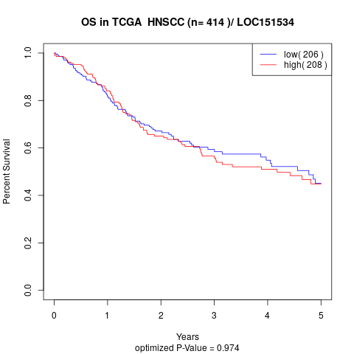

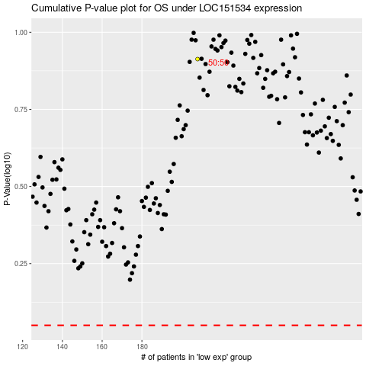

 |  |  |  |  |  | cases_OS | p_OS | rank | exp
 |  |  |  |  |  |  | cases_RFS | p_RFS | rank | exp

