LOC152217 _multivariate
Reported by Tex Li-Hsing Chi. tex@gate.sinica.edu.tw 2019-08-18

Table 2. The clinicopathological features of HNSCC cohort and LOC152217 expression. (Chi square test)
Cutoff at -0.257 (50.0%)
 |  | LOC152217 expression |  | LOC152217 expression |  | (Optimised)
 | Features | Low | (%) | High | (%) | Case no | P-value | Remark | Matthews
Gender | Female | 141 | 34 | 165 | 39.8 | 415 | 0.013 | 1 | 0
2 | Male | 66 | 15.9 | 43 | 10.4
Age at diagnosis | <=65y | 137 | 33 | 137 | 33 | 415 | 1 | 0 | 0
4 | >65y | 70 | 16.9 | 71 | 17.1
Clinical T Status | T1+T2 | 82 | 19.8 | 67 | 16.1 | 415 | 0.1417 | 0 | 0
6 | T3+T4 | 125 | 30.1 | 141 | 34
Clinical N Status | N0 | 113 | 27.2 | 103 | 24.8 | 415 | 0.3495 | 1 | 0
8 | N1-3 | 94 | 22.7 | 105 | 25.3
Clinical M Status | M0 | 207 | 49.9 | 205 | 49.4 | 415 | 0.2482 | 0 | 0
10 | M1 | 0 | 0 | 3 | 0.7
Clinical Stage | Stage I+II | 60 | 14.5 | 42 | 10.1 | 415 | 0.0493 | 1 | 0
12 | Stage III+IV | 147 | 35.4 | 166 | 40
Surgical Margin status | Negative | 166 | 40 | 152 | 36.6 | 415 | 0.1042 | 0 | 0
14 | Positive | 41 | 9.9 | 56 | 13.5
Tobacco Exposure | Low | 97 | 23.4 | 64 | 15.4 | 415 | 9e-04 | 1 | 0
16 | High | 110 | 26.5 | 144 | 34.7

Table 3. Univariate/Multivariate Cox's proportional hazards regression analyses on OS time of LOC152217 gene expression in HNSCC

 |  | Univariate |  |  |  | Multivariate
 | Features | HR | CI95%(L) | CI95%(H) | P-value | HR | CI95%(L) | CI95%(H) | P-value
1 | Female | 1 |  |  |  | 1
Gender | Male | 1.157 | 0.843 | 1.587 | 0.367 | 1.2 | 0.859 | 1.676 | 0.286
11 | <=65y | 1 |  |  |  | 1
Age at diagnosis | >65y | 1.329 | 0.99 | 1.784 | 0.058 | 1.396 | 1.026 | 1.9 | 0.034
12 | T1+T2 | 1 |  |  |  | 1
Clinical T Status | T3+T4 | 1.409 | 1.028 | 1.931 | 0.033 | 2.204 | 1.166 | 4.166 | 0.015
13 | N0 | 1 |  |  |  | 1
Clinical N Status | N1-3 | 1.185 | 0.89 | 1.577 | 0.246 | 1.241 | 0.87 | 1.771 | 0.233
14 | M0 | 1 |  |  |  | 1
Clinical M Status | M1 | 4.097 | 1.009 | 16.644 | 0.049 | 9.637 | 2.088 | 44.478 | 0.004
15 | Stage I+II | 1 |  |  |  | 1
Clinical Stage | Stage III+IV | 1.245 | 0.882 | 1.759 | 0.213 | 0.508 | 0.236 | 1.091 | 0.082
16 | Negative | 1 |  |  |  | 1
Surgical Margin status | Positive | 1.591 | 1.155 | 2.191 | 0.004 | 1.676 | 1.213 | 2.316 | 0.002
17 | Low | 1 |  |  |  | 1
Tobacco Exposure | High | 1.364 | 1.008 | 1.844 | 0.044 | 1.466 | 1.06 | 2.029 | 0.021
18 | Low | 1 |  |  |  | 1
RNAseq(z-score) | High | 1.08 | 0.811 | 1.438 | 0.6 | 0.951 | 0.707 | 1.28 | 0.741

Table 4. Univariate/Multivariate Cox's proportional hazards regression analyses on RFS time of LOC152217 gene expression in HNSCC

 |  | Univariate |  |  |  | Multivariate
 | Features | HR | CI95%(L) | CI95%(H) | P-value | HR | CI95%(L) | CI95%(H) | P-value
1 | Female | 1 |  |  |  | 1
Gender | Male | 1.157 | 0.843 | 1.587 | 0.367 | 1.2 | 0.859 | 1.676 | 0.286
11 | <=65y | 1 |  |  |  | 1
Age at diagnosis | >65y | 1.329 | 0.99 | 1.784 | 0.058 | 1.396 | 1.026 | 1.9 | 0.034
12 | T1+T2 | 1 |  |  |  | 1
Clinical T Status | T3+T4 | 1.409 | 1.028 | 1.931 | 0.033 | 2.204 | 1.166 | 4.166 | 0.015
13 | N0 | 1 |  |  |  | 1
Clinical N Status | N1-3 | 1.185 | 0.89 | 1.577 | 0.246 | 1.241 | 0.87 | 1.771 | 0.233
14 | M0 | 1 |  |  |  | 1
Clinical M Status | M1 | 4.097 | 1.009 | 16.644 | 0.049 | 9.637 | 2.088 | 44.478 | 0.004
15 | Stage I+II | 1 |  |  |  | 1
Clinical Stage | Stage III+IV | 1.245 | 0.882 | 1.759 | 0.213 | 0.508 | 0.236 | 1.091 | 0.082
16 | Negative | 1 |  |  |  | 1
Surgical Margin status | Positive | 1.591 | 1.155 | 2.191 | 0.004 | 1.676 | 1.213 | 2.316 | 0.002
17 | Low | 1 |  |  |  | 1
Tobacco Exposure | High | 1.364 | 1.008 | 1.844 | 0.044 | 1.466 | 1.06 | 2.029 | 0.021
18 | Low | 1 |  |  |  | 1
RNAseq(z-score) | High | 1.08 | 0.811 | 1.438 | 0.6 | 0.951 | 0.707 | 1.28 | 0.741

Kaplan-Meier survival estimate: Cutoff at -0.257 (50.0%)



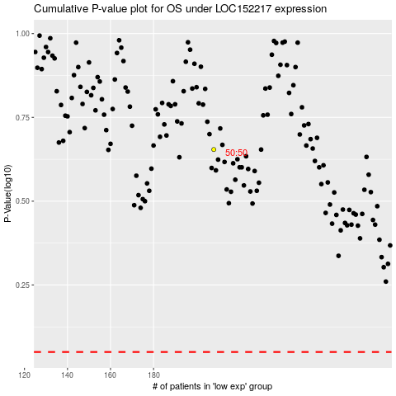

 |  |  |  |  |  | cases_OS | p_OS | rank | exp
 |  |  |  |  |  |  | cases_RFS | p_RFS | rank | exp

