LOC152225 _multivariate
Reported by Tex Li-Hsing Chi. tex@gate.sinica.edu.tw 2019-08-18

Table 2. The clinicopathological features of HNSCC cohort and LOC152225 expression. (Chi square test)
Cutoff at -0.297 (50.0%)
 |  | LOC152225 expression |  | LOC152225 expression |  | (Optimised)
 | Features | Low | (%) | High | (%) | Case no | P-value | Remark | Matthews
Gender | Female | 158 | 38.1 | 148 | 35.7 | 415 | 0.2774 | 0 | 0
2 | Male | 49 | 11.8 | 60 | 14.5
Age at diagnosis | <=65y | 150 | 36.1 | 124 | 29.9 | 415 | 0.0078 | 1 | 0
4 | >65y | 57 | 13.7 | 84 | 20.2
Clinical T Status | T1+T2 | 74 | 17.8 | 75 | 18.1 | 415 | 1 | 0 | 0
6 | T3+T4 | 133 | 32 | 133 | 32
Clinical N Status | N0 | 101 | 24.3 | 115 | 27.7 | 415 | 0.2201 | 0 | 0
8 | N1-3 | 106 | 25.5 | 93 | 22.4
Clinical M Status | M0 | 205 | 49.4 | 207 | 49.9 | 415 | 0.6232 | 0 | 0
10 | M1 | 2 | 0.5 | 1 | 0.2
Clinical Stage | Stage I+II | 47 | 11.3 | 55 | 13.3 | 415 | 0.4413 | 0 | 0
12 | Stage III+IV | 160 | 38.6 | 153 | 36.9
Surgical Margin status | Negative | 158 | 38.1 | 160 | 38.6 | 415 | 0.9081 | 0 | 0
14 | Positive | 49 | 11.8 | 48 | 11.6
Tobacco Exposure | Low | 70 | 16.9 | 91 | 21.9 | 415 | 0.0439 | 1 | 0
16 | High | 137 | 33 | 117 | 28.2

Table 3. Univariate/Multivariate Cox's proportional hazards regression analyses on OS time of LOC152225 gene expression in HNSCC

 |  | Univariate |  |  |  | Multivariate
 | Features | HR | CI95%(L) | CI95%(H) | P-value | HR | CI95%(L) | CI95%(H) | P-value
1 | Female | 1 |  |  |  | 1
Gender | Male | 1.157 | 0.843 | 1.587 | 0.367 | 1.208 | 0.865 | 1.687 | 0.268
11 | <=65y | 1 |  |  |  | 1
Age at diagnosis | >65y | 1.329 | 0.99 | 1.784 | 0.058 | 1.439 | 1.054 | 1.966 | 0.022
12 | T1+T2 | 1 |  |  |  | 1
Clinical T Status | T3+T4 | 1.409 | 1.028 | 1.931 | 0.033 | 2.223 | 1.175 | 4.204 | 0.014
13 | N0 | 1 |  |  |  | 1
Clinical N Status | N1-3 | 1.185 | 0.89 | 1.577 | 0.246 | 1.222 | 0.856 | 1.745 | 0.269
14 | M0 | 1 |  |  |  | 1
Clinical M Status | M1 | 4.097 | 1.009 | 16.644 | 0.049 | 9.475 | 2.066 | 43.449 | 0.004
15 | Stage I+II | 1 |  |  |  | 1
Clinical Stage | Stage III+IV | 1.245 | 0.882 | 1.759 | 0.213 | 0.494 | 0.23 | 1.06 | 0.07
16 | Negative | 1 |  |  |  | 1
Surgical Margin status | Positive | 1.591 | 1.155 | 2.191 | 0.004 | 1.691 | 1.223 | 2.338 | 0.001
17 | Low | 1 |  |  |  | 1
Tobacco Exposure | High | 1.364 | 1.008 | 1.844 | 0.044 | 1.439 | 1.044 | 1.984 | 0.026
18 | Low | 1 |  |  |  | 1
RNAseq(z-score) | High | 0.859 | 0.644 | 1.147 | 0.303 | 0.821 | 0.61 | 1.106 | 0.194

Table 4. Univariate/Multivariate Cox's proportional hazards regression analyses on RFS time of LOC152225 gene expression in HNSCC

 |  | Univariate |  |  |  | Multivariate
 | Features | HR | CI95%(L) | CI95%(H) | P-value | HR | CI95%(L) | CI95%(H) | P-value
1 | Female | 1 |  |  |  | 1
Gender | Male | 1.157 | 0.843 | 1.587 | 0.367 | 1.208 | 0.865 | 1.687 | 0.268
11 | <=65y | 1 |  |  |  | 1
Age at diagnosis | >65y | 1.329 | 0.99 | 1.784 | 0.058 | 1.439 | 1.054 | 1.966 | 0.022
12 | T1+T2 | 1 |  |  |  | 1
Clinical T Status | T3+T4 | 1.409 | 1.028 | 1.931 | 0.033 | 2.223 | 1.175 | 4.204 | 0.014
13 | N0 | 1 |  |  |  | 1
Clinical N Status | N1-3 | 1.185 | 0.89 | 1.577 | 0.246 | 1.222 | 0.856 | 1.745 | 0.269
14 | M0 | 1 |  |  |  | 1
Clinical M Status | M1 | 4.097 | 1.009 | 16.644 | 0.049 | 9.475 | 2.066 | 43.449 | 0.004
15 | Stage I+II | 1 |  |  |  | 1
Clinical Stage | Stage III+IV | 1.245 | 0.882 | 1.759 | 0.213 | 0.494 | 0.23 | 1.06 | 0.07
16 | Negative | 1 |  |  |  | 1
Surgical Margin status | Positive | 1.591 | 1.155 | 2.191 | 0.004 | 1.691 | 1.223 | 2.338 | 0.001
17 | Low | 1 |  |  |  | 1
Tobacco Exposure | High | 1.364 | 1.008 | 1.844 | 0.044 | 1.439 | 1.044 | 1.984 | 0.026
18 | Low | 1 |  |  |  | 1
RNAseq(z-score) | High | 0.859 | 0.644 | 1.147 | 0.303 | 0.821 | 0.61 | 1.106 | 0.194

Kaplan-Meier survival estimate: Cutoff at -0.297 (50.0%)

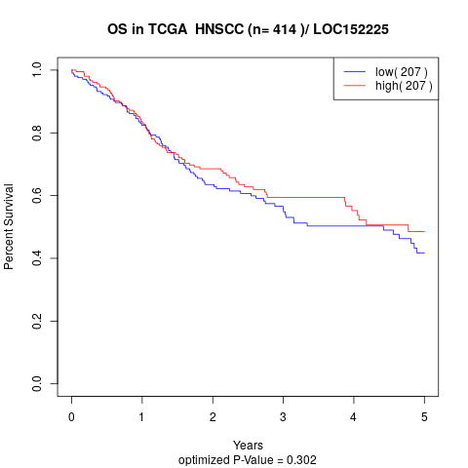

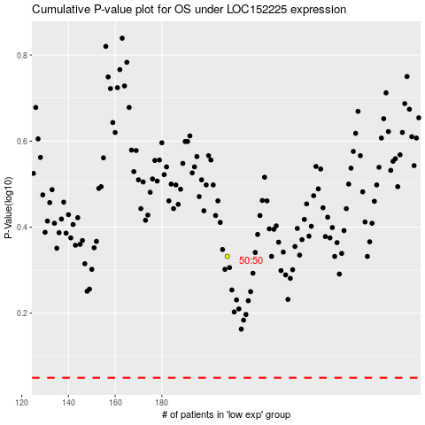

 |  |  |  |  |  | cases_OS | p_OS | rank | exp
 |  |  |  |  |  |  | cases_RFS | p_RFS | rank | exp

