LOC153684 _multivariate
Reported by Tex Li-Hsing Chi. tex@gate.sinica.edu.tw 2019-08-18

Table 2. The clinicopathological features of HNSCC cohort and LOC153684 expression. (Chi square test)
Cutoff at -0.209 (49.8%)
 |  | LOC153684 expression |  | LOC153684 expression |  | (Optimised)
 | Features | Low | (%) | High | (%) | Case no | P-value | Remark | Matthews
Gender | Female | 146 | 35.2 | 160 | 38.6 | 415 | 0.1714 | 0 | 0
2 | Male | 61 | 14.7 | 48 | 11.6
Age at diagnosis | <=65y | 139 | 33.5 | 135 | 32.5 | 415 | 0.7044 | 0 | 0
4 | >65y | 68 | 16.4 | 73 | 17.6
Clinical T Status | T1+T2 | 60 | 14.5 | 89 | 21.4 | 415 | 0.0047 | 1 | 0
6 | T3+T4 | 147 | 35.4 | 119 | 28.7
Clinical N Status | N0 | 102 | 24.6 | 114 | 27.5 | 415 | 0.3031 | 0 | 0
8 | N1-3 | 105 | 25.3 | 94 | 22.7
Clinical M Status | M0 | 206 | 49.6 | 206 | 49.6 | 415 | 1 | 0 | 0
10 | M1 | 1 | 0.2 | 2 | 0.5
Clinical Stage | Stage I+II | 44 | 10.6 | 58 | 14 | 415 | 0.1459 | 0 | 0
12 | Stage III+IV | 163 | 39.3 | 150 | 36.1
Surgical Margin status | Negative | 167 | 40.2 | 151 | 36.4 | 415 | 0.0632 | 0 | 0
14 | Positive | 40 | 9.6 | 57 | 13.7
Tobacco Exposure | Low | 75 | 18.1 | 86 | 20.7 | 415 | 0.3141 | 0 | 0
16 | High | 132 | 31.8 | 122 | 29.4

Table 3. Univariate/Multivariate Cox's proportional hazards regression analyses on OS time of LOC153684 gene expression in HNSCC

 |  | Univariate |  |  |  | Multivariate
 | Features | HR | CI95%(L) | CI95%(H) | P-value | HR | CI95%(L) | CI95%(H) | P-value
1 | Female | 1 |  |  |  | 1
Gender | Male | 1.157 | 0.843 | 1.587 | 0.367 | 1.181 | 0.843 | 1.654 | 0.335
11 | <=65y | 1 |  |  |  | 1
Age at diagnosis | >65y | 1.329 | 0.99 | 1.784 | 0.058 | 1.396 | 1.026 | 1.899 | 0.033
12 | T1+T2 | 1 |  |  |  | 1
Clinical T Status | T3+T4 | 1.409 | 1.028 | 1.931 | 0.033 | 2.108 | 1.113 | 3.994 | 0.022
13 | N0 | 1 |  |  |  | 1
Clinical N Status | N1-3 | 1.185 | 0.89 | 1.577 | 0.246 | 1.227 | 0.86 | 1.751 | 0.26
14 | M0 | 1 |  |  |  | 1
Clinical M Status | M1 | 4.097 | 1.009 | 16.644 | 0.049 | 9.449 | 2.061 | 43.32 | 0.004
15 | Stage I+II | 1 |  |  |  | 1
Clinical Stage | Stage III+IV | 1.245 | 0.882 | 1.759 | 0.213 | 0.515 | 0.24 | 1.107 | 0.089
16 | Negative | 1 |  |  |  | 1
Surgical Margin status | Positive | 1.591 | 1.155 | 2.191 | 0.004 | 1.756 | 1.264 | 2.438 | 0.001
17 | Low | 1 |  |  |  | 1
Tobacco Exposure | High | 1.364 | 1.008 | 1.844 | 0.044 | 1.45 | 1.049 | 2.002 | 0.024
18 | Low | 1 |  |  |  | 1
RNAseq(z-score) | High | 0.772 | 0.579 | 1.03 | 0.078 | 0.769 | 0.572 | 1.032 | 0.08

Table 4. Univariate/Multivariate Cox's proportional hazards regression analyses on RFS time of LOC153684 gene expression in HNSCC

 |  | Univariate |  |  |  | Multivariate
 | Features | HR | CI95%(L) | CI95%(H) | P-value | HR | CI95%(L) | CI95%(H) | P-value
1 | Female | 1 |  |  |  | 1
Gender | Male | 1.157 | 0.843 | 1.587 | 0.367 | 1.181 | 0.843 | 1.654 | 0.335
11 | <=65y | 1 |  |  |  | 1
Age at diagnosis | >65y | 1.329 | 0.99 | 1.784 | 0.058 | 1.396 | 1.026 | 1.899 | 0.033
12 | T1+T2 | 1 |  |  |  | 1
Clinical T Status | T3+T4 | 1.409 | 1.028 | 1.931 | 0.033 | 2.108 | 1.113 | 3.994 | 0.022
13 | N0 | 1 |  |  |  | 1
Clinical N Status | N1-3 | 1.185 | 0.89 | 1.577 | 0.246 | 1.227 | 0.86 | 1.751 | 0.26
14 | M0 | 1 |  |  |  | 1
Clinical M Status | M1 | 4.097 | 1.009 | 16.644 | 0.049 | 9.449 | 2.061 | 43.32 | 0.004
15 | Stage I+II | 1 |  |  |  | 1
Clinical Stage | Stage III+IV | 1.245 | 0.882 | 1.759 | 0.213 | 0.515 | 0.24 | 1.107 | 0.089
16 | Negative | 1 |  |  |  | 1
Surgical Margin status | Positive | 1.591 | 1.155 | 2.191 | 0.004 | 1.756 | 1.264 | 2.438 | 0.001
17 | Low | 1 |  |  |  | 1
Tobacco Exposure | High | 1.364 | 1.008 | 1.844 | 0.044 | 1.45 | 1.049 | 2.002 | 0.024
18 | Low | 1 |  |  |  | 1
RNAseq(z-score) | High | 0.772 | 0.579 | 1.03 | 0.078 | 0.769 | 0.572 | 1.032 | 0.08

Kaplan-Meier survival estimate: Cutoff at -0.209 (49.8%)



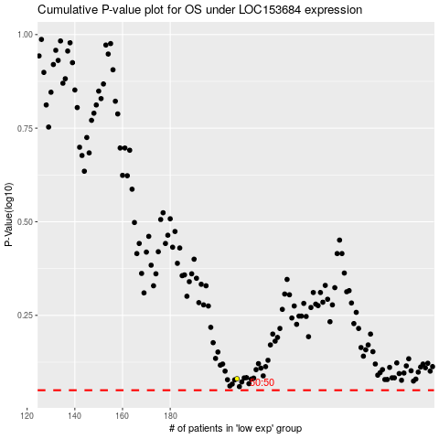

 |  |  |  |  |  | cases_OS | p_OS | rank | exp
 |  |  |  |  |  |  | cases_RFS | p_RFS | rank | exp

