LOC154761 _multivariate
Reported by Tex Li-Hsing Chi. tex@gate.sinica.edu.tw 2019-08-18

Table 2. The clinicopathological features of HNSCC cohort and LOC154761 expression. (Chi square test)
Cutoff at -0.255 (50.0%)
 |  | LOC154761 expression |  | LOC154761 expression |  | (Optimised)
 | Features | Low | (%) | High | (%) | Case no | P-value | Remark | Matthews
Gender | Female | 169 | 40.7 | 137 | 33 | 415 | 4e-04 | 1 | 0
2 | Male | 38 | 9.2 | 71 | 17.1
Age at diagnosis | <=65y | 144 | 34.7 | 130 | 31.3 | 415 | 0.1568 | 0 | 0
4 | >65y | 63 | 15.2 | 78 | 18.8
Clinical T Status | T1+T2 | 79 | 19 | 70 | 16.9 | 415 | 0.3924 | 0 | 0
6 | T3+T4 | 128 | 30.8 | 138 | 33.3
Clinical N Status | N0 | 101 | 24.3 | 115 | 27.7 | 415 | 0.2201 | 0 | 0
8 | N1-3 | 106 | 25.5 | 93 | 22.4
Clinical M Status | M0 | 207 | 49.9 | 205 | 49.4 | 415 | 0.2482 | 0 | 0
10 | M1 | 0 | 0 | 3 | 0.7
Clinical Stage | Stage I+II | 48 | 11.6 | 54 | 13 | 415 | 0.5878 | 0 | 0
12 | Stage III+IV | 159 | 38.3 | 154 | 37.1
Surgical Margin status | Negative | 152 | 36.6 | 166 | 40 | 415 | 0.1329 | 0 | 0
14 | Positive | 55 | 13.3 | 42 | 10.1
Tobacco Exposure | Low | 68 | 16.4 | 93 | 22.4 | 415 | 0.0156 | 1 | 0
16 | High | 139 | 33.5 | 115 | 27.7

Table 3. Univariate/Multivariate Cox's proportional hazards regression analyses on OS time of LOC154761 gene expression in HNSCC

 |  | Univariate |  |  |  | Multivariate
 | Features | HR | CI95%(L) | CI95%(H) | P-value | HR | CI95%(L) | CI95%(H) | P-value
1 | Female | 1 |  |  |  | 1
Gender | Male | 1.157 | 0.843 | 1.587 | 0.367 | 1.176 | 0.839 | 1.648 | 0.346
11 | <=65y | 1 |  |  |  | 1
Age at diagnosis | >65y | 1.329 | 0.99 | 1.784 | 0.058 | 1.389 | 1.023 | 1.888 | 0.036
12 | T1+T2 | 1 |  |  |  | 1
Clinical T Status | T3+T4 | 1.409 | 1.028 | 1.931 | 0.033 | 2.146 | 1.132 | 4.067 | 0.019
13 | N0 | 1 |  |  |  | 1
Clinical N Status | N1-3 | 1.185 | 0.89 | 1.577 | 0.246 | 1.25 | 0.876 | 1.784 | 0.218
14 | M0 | 1 |  |  |  | 1
Clinical M Status | M1 | 4.097 | 1.009 | 16.644 | 0.049 | 8.559 | 1.84 | 39.817 | 0.006
15 | Stage I+II | 1 |  |  |  | 1
Clinical Stage | Stage III+IV | 1.245 | 0.882 | 1.759 | 0.213 | 0.517 | 0.24 | 1.112 | 0.091
16 | Negative | 1 |  |  |  | 1
Surgical Margin status | Positive | 1.591 | 1.155 | 2.191 | 0.004 | 1.679 | 1.215 | 2.319 | 0.002
17 | Low | 1 |  |  |  | 1
Tobacco Exposure | High | 1.364 | 1.008 | 1.844 | 0.044 | 1.466 | 1.064 | 2.021 | 0.019
18 | Low | 1 |  |  |  | 1
RNAseq(z-score) | High | 1.161 | 0.871 | 1.549 | 0.308 | 1.137 | 0.845 | 1.531 | 0.396

Table 4. Univariate/Multivariate Cox's proportional hazards regression analyses on RFS time of LOC154761 gene expression in HNSCC

 |  | Univariate |  |  |  | Multivariate
 | Features | HR | CI95%(L) | CI95%(H) | P-value | HR | CI95%(L) | CI95%(H) | P-value
1 | Female | 1 |  |  |  | 1
Gender | Male | 1.157 | 0.843 | 1.587 | 0.367 | 1.176 | 0.839 | 1.648 | 0.346
11 | <=65y | 1 |  |  |  | 1
Age at diagnosis | >65y | 1.329 | 0.99 | 1.784 | 0.058 | 1.389 | 1.023 | 1.888 | 0.036
12 | T1+T2 | 1 |  |  |  | 1
Clinical T Status | T3+T4 | 1.409 | 1.028 | 1.931 | 0.033 | 2.146 | 1.132 | 4.067 | 0.019
13 | N0 | 1 |  |  |  | 1
Clinical N Status | N1-3 | 1.185 | 0.89 | 1.577 | 0.246 | 1.25 | 0.876 | 1.784 | 0.218
14 | M0 | 1 |  |  |  | 1
Clinical M Status | M1 | 4.097 | 1.009 | 16.644 | 0.049 | 8.559 | 1.84 | 39.817 | 0.006
15 | Stage I+II | 1 |  |  |  | 1
Clinical Stage | Stage III+IV | 1.245 | 0.882 | 1.759 | 0.213 | 0.517 | 0.24 | 1.112 | 0.091
16 | Negative | 1 |  |  |  | 1
Surgical Margin status | Positive | 1.591 | 1.155 | 2.191 | 0.004 | 1.679 | 1.215 | 2.319 | 0.002
17 | Low | 1 |  |  |  | 1
Tobacco Exposure | High | 1.364 | 1.008 | 1.844 | 0.044 | 1.466 | 1.064 | 2.021 | 0.019
18 | Low | 1 |  |  |  | 1
RNAseq(z-score) | High | 1.161 | 0.871 | 1.549 | 0.308 | 1.137 | 0.845 | 1.531 | 0.396

Kaplan-Meier survival estimate: Cutoff at -0.255 (50.0%)



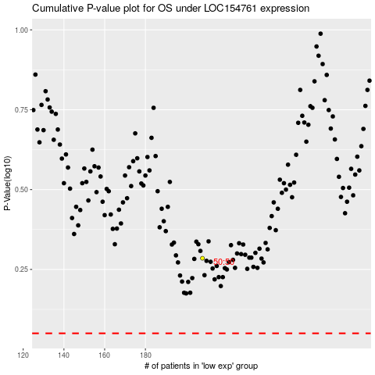

 |  |  |  |  |  | cases_OS | p_OS | rank | exp
 |  |  |  |  |  |  | cases_RFS | p_RFS | rank | exp

