LOC157381 _multivariate
Reported by Tex Li-Hsing Chi. tex@gate.sinica.edu.tw 2019-08-18

Table 2. The clinicopathological features of HNSCC cohort and LOC157381 expression. (Chi square test)
Cutoff at -0.322 (50.0%)
 |  | LOC157381 expression |  | LOC157381 expression |  | (Optimised)
 | Features | Low | (%) | High | (%) | Case no | P-value | Remark | Matthews
Gender | Female | 149 | 35.9 | 157 | 37.8 | 415 | 0.4848 | 0 | 0
2 | Male | 58 | 14 | 51 | 12.3
Age at diagnosis | <=65y | 131 | 31.6 | 143 | 34.5 | 415 | 0.2839 | 0 | 0
4 | >65y | 76 | 18.3 | 65 | 15.7
Clinical T Status | T1+T2 | 81 | 19.5 | 68 | 16.4 | 415 | 0.206 | 0 | 0
6 | T3+T4 | 126 | 30.4 | 140 | 33.7
Clinical N Status | N0 | 104 | 25.1 | 112 | 27 | 415 | 0.5243 | 0 | 0
8 | N1-3 | 103 | 24.8 | 96 | 23.1
Clinical M Status | M0 | 206 | 49.6 | 206 | 49.6 | 415 | 1 | 0 | 0
10 | M1 | 1 | 0.2 | 2 | 0.5
Clinical Stage | Stage I+II | 52 | 12.5 | 50 | 12 | 415 | 0.8871 | 0 | 0
12 | Stage III+IV | 155 | 37.3 | 158 | 38.1
Surgical Margin status | Negative | 158 | 38.1 | 160 | 38.6 | 415 | 0.9081 | 0 | 0
14 | Positive | 49 | 11.8 | 48 | 11.6
Tobacco Exposure | Low | 84 | 20.2 | 77 | 18.6 | 415 | 0.4816 | 0 | 0
16 | High | 123 | 29.6 | 131 | 31.6

Table 3. Univariate/Multivariate Cox's proportional hazards regression analyses on OS time of LOC157381 gene expression in HNSCC

 |  | Univariate |  |  |  | Multivariate
 | Features | HR | CI95%(L) | CI95%(H) | P-value | HR | CI95%(L) | CI95%(H) | P-value
1 | Female | 1 |  |  |  | 1
Gender | Male | 1.157 | 0.843 | 1.587 | 0.367 | 1.179 | 0.843 | 1.649 | 0.336
11 | <=65y | 1 |  |  |  | 1
Age at diagnosis | >65y | 1.329 | 0.99 | 1.784 | 0.058 | 1.389 | 1.022 | 1.889 | 0.036
12 | T1+T2 | 1 |  |  |  | 1
Clinical T Status | T3+T4 | 1.409 | 1.028 | 1.931 | 0.033 | 2.238 | 1.183 | 4.237 | 0.013
13 | N0 | 1 |  |  |  | 1
Clinical N Status | N1-3 | 1.185 | 0.89 | 1.577 | 0.246 | 1.227 | 0.86 | 1.751 | 0.26
14 | M0 | 1 |  |  |  | 1
Clinical M Status | M1 | 4.097 | 1.009 | 16.644 | 0.049 | 9.672 | 2.109 | 44.363 | 0.003
15 | Stage I+II | 1 |  |  |  | 1
Clinical Stage | Stage III+IV | 1.245 | 0.882 | 1.759 | 0.213 | 0.495 | 0.231 | 1.064 | 0.072
16 | Negative | 1 |  |  |  | 1
Surgical Margin status | Positive | 1.591 | 1.155 | 2.191 | 0.004 | 1.678 | 1.215 | 2.317 | 0.002
17 | Low | 1 |  |  |  | 1
Tobacco Exposure | High | 1.364 | 1.008 | 1.844 | 0.044 | 1.463 | 1.061 | 2.015 | 0.02
18 | Low | 1 |  |  |  | 1
RNAseq(z-score) | High | 0.864 | 0.648 | 1.151 | 0.318 | 0.854 | 0.639 | 1.142 | 0.287

Table 4. Univariate/Multivariate Cox's proportional hazards regression analyses on RFS time of LOC157381 gene expression in HNSCC

 |  | Univariate |  |  |  | Multivariate
 | Features | HR | CI95%(L) | CI95%(H) | P-value | HR | CI95%(L) | CI95%(H) | P-value
1 | Female | 1 |  |  |  | 1
Gender | Male | 1.157 | 0.843 | 1.587 | 0.367 | 1.179 | 0.843 | 1.649 | 0.336
11 | <=65y | 1 |  |  |  | 1
Age at diagnosis | >65y | 1.329 | 0.99 | 1.784 | 0.058 | 1.389 | 1.022 | 1.889 | 0.036
12 | T1+T2 | 1 |  |  |  | 1
Clinical T Status | T3+T4 | 1.409 | 1.028 | 1.931 | 0.033 | 2.238 | 1.183 | 4.237 | 0.013
13 | N0 | 1 |  |  |  | 1
Clinical N Status | N1-3 | 1.185 | 0.89 | 1.577 | 0.246 | 1.227 | 0.86 | 1.751 | 0.26
14 | M0 | 1 |  |  |  | 1
Clinical M Status | M1 | 4.097 | 1.009 | 16.644 | 0.049 | 9.672 | 2.109 | 44.363 | 0.003
15 | Stage I+II | 1 |  |  |  | 1
Clinical Stage | Stage III+IV | 1.245 | 0.882 | 1.759 | 0.213 | 0.495 | 0.231 | 1.064 | 0.072
16 | Negative | 1 |  |  |  | 1
Surgical Margin status | Positive | 1.591 | 1.155 | 2.191 | 0.004 | 1.678 | 1.215 | 2.317 | 0.002
17 | Low | 1 |  |  |  | 1
Tobacco Exposure | High | 1.364 | 1.008 | 1.844 | 0.044 | 1.463 | 1.061 | 2.015 | 0.02
18 | Low | 1 |  |  |  | 1
RNAseq(z-score) | High | 0.864 | 0.648 | 1.151 | 0.318 | 0.854 | 0.639 | 1.142 | 0.287

Kaplan-Meier survival estimate: Cutoff at -0.322 (50.0%)

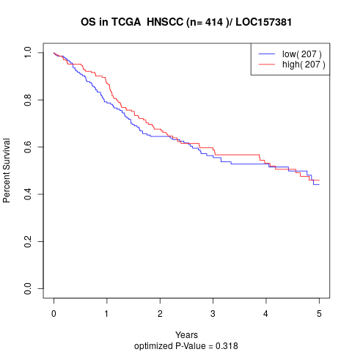

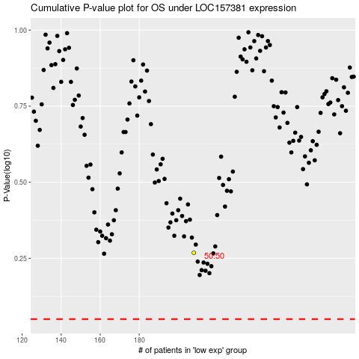

 |  |  |  |  |  | cases_OS | p_OS | rank | exp
 |  |  |  |  |  |  | cases_RFS | p_RFS | rank | exp

