LOC158572 _multivariate
Reported by Tex Li-Hsing Chi. tex@gate.sinica.edu.tw 2019-08-18

Table 2. The clinicopathological features of HNSCC cohort and LOC158572 expression. (Chi square test)
Cutoff at -0.697 (30.2%)
 |  | LOC158572 expression |  | LOC158572 expression |  | (Optimised)
 | Features | Low | (%) | High | (%) | Case no | P-value | Remark | Matthews
Gender | Female | 96 | 23.1 | 210 | 50.6 | 415 | 0.418 | 0 | 0
2 | Male | 29 | 7 | 80 | 19.3
Age at diagnosis | <=65y | 73 | 17.6 | 201 | 48.4 | 415 | 0.0414 | 1 | 0
4 | >65y | 52 | 12.5 | 89 | 21.4
Clinical T Status | T1+T2 | 39 | 9.4 | 110 | 26.5 | 415 | 0.2302 | 0 | 0
6 | T3+T4 | 86 | 20.7 | 180 | 43.4
Clinical N Status | N0 | 55 | 13.3 | 161 | 38.8 | 415 | 0.0406 | 1 | 0
8 | N1-3 | 70 | 16.9 | 129 | 31.1
Clinical M Status | M0 | 123 | 29.6 | 289 | 69.6 | 415 | 0.2169 | 0 | 0
10 | M1 | 2 | 0.5 | 1 | 0.2
Clinical Stage | Stage I+II | 26 | 6.3 | 76 | 18.3 | 415 | 0.294 | 0 | 0
12 | Stage III+IV | 99 | 23.9 | 214 | 51.6
Surgical Margin status | Negative | 95 | 22.9 | 223 | 53.7 | 415 | 0.8995 | 0 | 0
14 | Positive | 30 | 7.2 | 67 | 16.1
Tobacco Exposure | Low | 52 | 12.5 | 109 | 26.3 | 415 | 0.4445 | 0 | 0
16 | High | 73 | 17.6 | 181 | 43.6

Table 3. Univariate/Multivariate Cox's proportional hazards regression analyses on OS time of LOC158572 gene expression in HNSCC

 |  | Univariate |  |  |  | Multivariate
 | Features | HR | CI95%(L) | CI95%(H) | P-value | HR | CI95%(L) | CI95%(H) | P-value
1 | Female | 1 |  |  |  | 1
Gender | Male | 1.157 | 0.843 | 1.587 | 0.367 | 1.225 | 0.874 | 1.717 | 0.238
11 | <=65y | 1 |  |  |  | 1
Age at diagnosis | >65y | 1.329 | 0.99 | 1.784 | 0.058 | 1.332 | 0.978 | 1.815 | 0.069
12 | T1+T2 | 1 |  |  |  | 1
Clinical T Status | T3+T4 | 1.409 | 1.028 | 1.931 | 0.033 | 2.15 | 1.138 | 4.063 | 0.018
13 | N0 | 1 |  |  |  | 1
Clinical N Status | N1-3 | 1.185 | 0.89 | 1.577 | 0.246 | 1.193 | 0.836 | 1.704 | 0.33
14 | M0 | 1 |  |  |  | 1
Clinical M Status | M1 | 4.097 | 1.009 | 16.644 | 0.049 | 8.494 | 1.848 | 39.036 | 0.006
15 | Stage I+II | 1 |  |  |  | 1
Clinical Stage | Stage III+IV | 1.245 | 0.882 | 1.759 | 0.213 | 0.515 | 0.24 | 1.105 | 0.089
16 | Negative | 1 |  |  |  | 1
Surgical Margin status | Positive | 1.591 | 1.155 | 2.191 | 0.004 | 1.677 | 1.214 | 2.317 | 0.002
17 | Low | 1 |  |  |  | 1
Tobacco Exposure | High | 1.364 | 1.008 | 1.844 | 0.044 | 1.477 | 1.068 | 2.042 | 0.018
18 | Low | 1 |  |  |  | 1
RNAseq(z-score) | High | 0.675 | 0.5 | 0.912 | 0.01 | 0.706 | 0.52 | 0.96 | 0.026

Table 4. Univariate/Multivariate Cox's proportional hazards regression analyses on RFS time of LOC158572 gene expression in HNSCC

 |  | Univariate |  |  |  | Multivariate
 | Features | HR | CI95%(L) | CI95%(H) | P-value | HR | CI95%(L) | CI95%(H) | P-value
1 | Female | 1 |  |  |  | 1
Gender | Male | 1.157 | 0.843 | 1.587 | 0.367 | 1.225 | 0.874 | 1.717 | 0.238
11 | <=65y | 1 |  |  |  | 1
Age at diagnosis | >65y | 1.329 | 0.99 | 1.784 | 0.058 | 1.332 | 0.978 | 1.815 | 0.069
12 | T1+T2 | 1 |  |  |  | 1
Clinical T Status | T3+T4 | 1.409 | 1.028 | 1.931 | 0.033 | 2.15 | 1.138 | 4.063 | 0.018
13 | N0 | 1 |  |  |  | 1
Clinical N Status | N1-3 | 1.185 | 0.89 | 1.577 | 0.246 | 1.193 | 0.836 | 1.704 | 0.33
14 | M0 | 1 |  |  |  | 1
Clinical M Status | M1 | 4.097 | 1.009 | 16.644 | 0.049 | 8.494 | 1.848 | 39.036 | 0.006
15 | Stage I+II | 1 |  |  |  | 1
Clinical Stage | Stage III+IV | 1.245 | 0.882 | 1.759 | 0.213 | 0.515 | 0.24 | 1.105 | 0.089
16 | Negative | 1 |  |  |  | 1
Surgical Margin status | Positive | 1.591 | 1.155 | 2.191 | 0.004 | 1.677 | 1.214 | 2.317 | 0.002
17 | Low | 1 |  |  |  | 1
Tobacco Exposure | High | 1.364 | 1.008 | 1.844 | 0.044 | 1.477 | 1.068 | 2.042 | 0.018
18 | Low | 1 |  |  |  | 1
RNAseq(z-score) | High | 0.675 | 0.5 | 0.912 | 0.01 | 0.706 | 0.52 | 0.96 | 0.026

Kaplan-Meier survival estimate: Cutoff at -0.697 (30.2%)

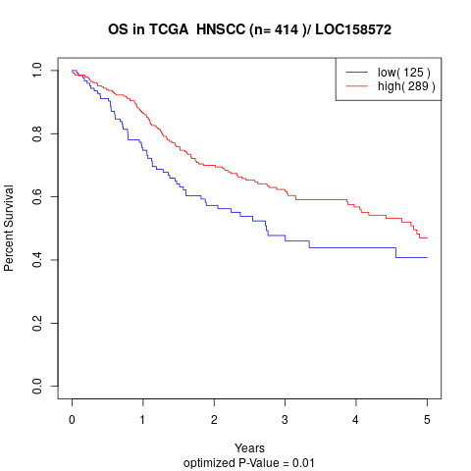

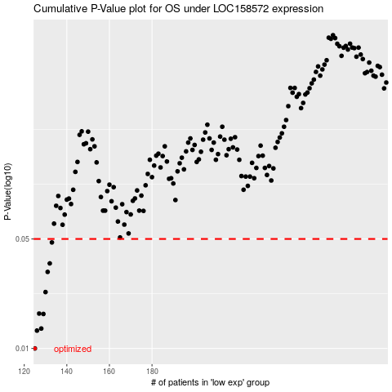

 |  |  |  |  |  | cases_OS | p_OS | rank | exp
 |  |  |  |  |  | 125 | 0.01 | 392 | -0.69654537964
 |  |  |  |  |  | 126 | 0.013 | 234 | -0.68866675515
 |  |  |  |  |  | 128 | 0.0134 | 162 | -0.68784584299
 |  |  |  |  |  | 129 | 0.0166 | 49 | -0.67993523491
 |  |  |  |  |  | 127 | 0.0167 | 371 | -0.68861344917
 |  |  |  |  |  | 130 | 0.0229 | 40 | -0.66198177939
 |  |  |  |  |  | 131 | 0.0308 | 307 | -0.65992416839
 |  |  |  |  |  | 132 | 0.0349 | 122 | -0.65970028325
 |  |  |  |  |  | 133 | 0.0475 | 109 | -0.6540924937
 |  |  |  |  |  |  | cases_RFS | p_RFS | rank | exp
 |  |  |  |  |  |  |  | 0.01 | 85 | -0.69976506109
 |  |  |  |  |  |  | 125 | 0.013 | 392 | -0.69654537964
 |  |  |  |  |  |  | 127 | 0.0134 | 371 | -0.68861344917
 |  |  |  |  |  |  | 128 | 0.0166 | 162 | -0.68784584299
 |  |  |  |  |  |  | 126 | 0.0167 | 234 | -0.68866675515
 |  |  |  |  |  |  | 129 | 0.0229 | 49 | -0.67993523491
 |  |  |  |  |  |  | 130 | 0.0308 | 40 | -0.66198177939
 |  |  |  |  |  |  | 131 | 0.0349 | 307 | -0.65992416839
 |  |  |  |  |  |  | 132 | 0.0475 | 122 | -0.65970028325

