LOC200030 _multivariate
Reported by Tex Li-Hsing Chi. tex@gate.sinica.edu.tw 2019-08-18

Table 2. The clinicopathological features of HNSCC cohort and LOC200030 expression. (Chi square test)
Cutoff at 0.322 (69.3%)
 |  | LOC200030 expression |  | LOC200030 expression |  | (Optimised)
 | Features | Low | (%) | High | (%) | Case no | P-value | Remark | Matthews
Gender | Female | 208 | 50.1 | 98 | 23.6 | 415 | 0.3506 | 0 | 0
2 | Male | 80 | 19.3 | 29 | 7
Age at diagnosis | <=65y | 187 | 45.1 | 87 | 21 | 415 | 0.5513 | 0 | 0
4 | >65y | 101 | 24.3 | 40 | 9.6
Clinical T Status | T1+T2 | 103 | 24.8 | 46 | 11.1 | 415 | 1 | 0 | 0
6 | T3+T4 | 185 | 44.6 | 81 | 19.5
Clinical N Status | N0 | 154 | 37.1 | 62 | 14.9 | 415 | 0.4426 | 0 | 0
8 | N1-3 | 134 | 32.3 | 65 | 15.7
Clinical M Status | M0 | 286 | 68.9 | 126 | 30.4 | 415 | 1 | 0 | 0
10 | M1 | 2 | 0.5 | 1 | 0.2
Clinical Stage | Stage I+II | 76 | 18.3 | 26 | 6.3 | 415 | 0.2435 | 0 | 0
12 | Stage III+IV | 212 | 51.1 | 101 | 24.3
Surgical Margin status | Negative | 226 | 54.5 | 92 | 22.2 | 415 | 0.2082 | 0 | 0
14 | Positive | 62 | 14.9 | 35 | 8.4
Tobacco Exposure | Low | 112 | 27 | 49 | 11.8 | 415 | 1 | 0 | 0
16 | High | 176 | 42.4 | 78 | 18.8

Table 3. Univariate/Multivariate Cox's proportional hazards regression analyses on OS time of LOC200030 gene expression in HNSCC

 |  | Univariate |  |  |  | Multivariate
 | Features | HR | CI95%(L) | CI95%(H) | P-value | HR | CI95%(L) | CI95%(H) | P-value
1 | Female | 1 |  |  |  | 1
Gender | Male | 1.157 | 0.843 | 1.587 | 0.367 | 1.157 | 0.826 | 1.621 | 0.398
11 | <=65y | 1 |  |  |  | 1
Age at diagnosis | >65y | 1.329 | 0.99 | 1.784 | 0.058 | 1.417 | 1.042 | 1.927 | 0.026
12 | T1+T2 | 1 |  |  |  | 1
Clinical T Status | T3+T4 | 1.409 | 1.028 | 1.931 | 0.033 | 2.093 | 1.107 | 3.957 | 0.023
13 | N0 | 1 |  |  |  | 1
Clinical N Status | N1-3 | 1.185 | 0.89 | 1.577 | 0.246 | 1.248 | 0.876 | 1.779 | 0.22
14 | M0 | 1 |  |  |  | 1
Clinical M Status | M1 | 4.097 | 1.009 | 16.644 | 0.049 | 8.413 | 1.832 | 38.645 | 0.006
15 | Stage I+II | 1 |  |  |  | 1
Clinical Stage | Stage III+IV | 1.245 | 0.882 | 1.759 | 0.213 | 0.558 | 0.26 | 1.2 | 0.135
16 | Negative | 1 |  |  |  | 1
Surgical Margin status | Positive | 1.591 | 1.155 | 2.191 | 0.004 | 1.726 | 1.249 | 2.384 | 0.001
17 | Low | 1 |  |  |  | 1
Tobacco Exposure | High | 1.364 | 1.008 | 1.844 | 0.044 | 1.455 | 1.053 | 2.01 | 0.023
18 | Low | 1 |  |  |  | 1
RNAseq(z-score) | High | 0.64 | 0.459 | 0.892 | 0.008 | 0.627 | 0.448 | 0.878 | 0.007

Table 4. Univariate/Multivariate Cox's proportional hazards regression analyses on RFS time of LOC200030 gene expression in HNSCC

 |  | Univariate |  |  |  | Multivariate
 | Features | HR | CI95%(L) | CI95%(H) | P-value | HR | CI95%(L) | CI95%(H) | P-value
1 | Female | 1 |  |  |  | 1
Gender | Male | 1.157 | 0.843 | 1.587 | 0.367 | 1.157 | 0.826 | 1.621 | 0.398
11 | <=65y | 1 |  |  |  | 1
Age at diagnosis | >65y | 1.329 | 0.99 | 1.784 | 0.058 | 1.417 | 1.042 | 1.927 | 0.026
12 | T1+T2 | 1 |  |  |  | 1
Clinical T Status | T3+T4 | 1.409 | 1.028 | 1.931 | 0.033 | 2.093 | 1.107 | 3.957 | 0.023
13 | N0 | 1 |  |  |  | 1
Clinical N Status | N1-3 | 1.185 | 0.89 | 1.577 | 0.246 | 1.248 | 0.876 | 1.779 | 0.22
14 | M0 | 1 |  |  |  | 1
Clinical M Status | M1 | 4.097 | 1.009 | 16.644 | 0.049 | 8.413 | 1.832 | 38.645 | 0.006
15 | Stage I+II | 1 |  |  |  | 1
Clinical Stage | Stage III+IV | 1.245 | 0.882 | 1.759 | 0.213 | 0.558 | 0.26 | 1.2 | 0.135
16 | Negative | 1 |  |  |  | 1
Surgical Margin status | Positive | 1.591 | 1.155 | 2.191 | 0.004 | 1.726 | 1.249 | 2.384 | 0.001
17 | Low | 1 |  |  |  | 1
Tobacco Exposure | High | 1.364 | 1.008 | 1.844 | 0.044 | 1.455 | 1.053 | 2.01 | 0.023
18 | Low | 1 |  |  |  | 1
RNAseq(z-score) | High | 0.64 | 0.459 | 0.892 | 0.008 | 0.627 | 0.448 | 0.878 | 0.007

Kaplan-Meier survival estimate: Cutoff at 0.322 (69.3%)

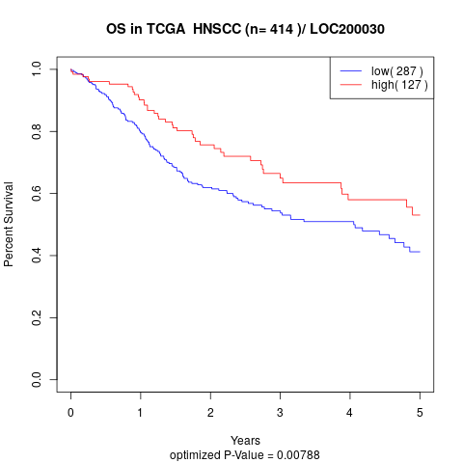

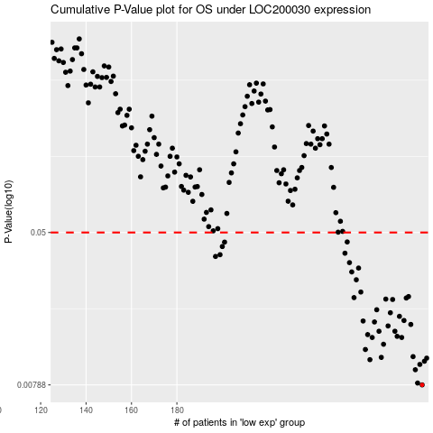

 |  |  |  |  |  | cases_OS | p_OS | rank | exp
 |  |  |  |  |  | 288 | 0.00788 | 301 | 0.32230021448
 |  |  |  |  |  | 286 | 0.00806 | 135 | 0.29260620938
 |  |  |  |  |  | 285 | 0.00947 | 226 | 0.2779521053
 |  |  |  |  |  | 287 | 0.0101 | 209 | 0.29648978091
 |  |  |  |  |  | 289 | 0.0105 | 20 | 0.32668876508
 |  |  |  |  |  | 265 | 0.0107 | 73 | 0.11160299577
 |  |  |  |  |  | 290 | 0.0109 | 62 | 0.33375317503
 |  |  |  |  |  | 270 | 0.011 | 53 | 0.15919109302
 |  |  |  |  |  | 284 | 0.0111 | 401 | 0.27479068915
 |  |  |  |  |  | 263 | 0.0121 | 268 | 0.063603499497
 |  |  |  |  |  | 271 | 0.0129 | 205 | 0.17530451598
 |  |  |  |  |  | 279 | 0.014 | 392 | 0.23922850947
 |  |  |  |  |  | 266 | 0.014 | 407 | 0.1174870613
 |  |  |  |  |  | 277 | 0.0142 | 152 | 0.22910420888
 |  |  |  |  |  | 264 | 0.0145 | 284 | 0.10819350424
 |  |  |  |  |  | 276 | 0.0151 | 280 | 0.22583685306
 |  |  |  |  |  | 269 | 0.0151 | 339 | 0.14040799052
 |  |  |  |  |  | 273 | 0.0161 | 341 | 0.21570548983
 |  |  |  |  |  | 283 | 0.0164 | 191 | 0.272837868
 |  |  |  |  |  | 267 | 0.0169 | 36 | 0.12949973641
 |  |  |  |  |  | 262 | 0.0171 | 80 | 0.050804222376
 |  |  |  |  |  | 280 | 0.0172 | 397 | 0.25098781222
 |  |  |  |  |  | 278 | 0.0181 | 74 | 0.23808789242
 |  |  |  |  |  | 274 | 0.0189 | 91 | 0.22086916563
 |  |  |  |  |  | 268 | 0.0196 | 200 | 0.13282624188
 |  |  |  |  |  | 275 | 0.0222 | 224 | 0.22511999467
 |  |  |  |  |  | 272 | 0.0223 | 69 | 0.18278297345
 |  |  |  |  |  | 281 | 0.0226 | 345 | 0.26109357337
 |  |  |  |  |  | 258 | 0.0227 | 126 | 0.028066039075
 |  |  |  |  |  | 282 | 0.023 | 97 | 0.26171332041
 |  |  |  |  |  | 261 | 0.0243 | 70 | 0.040016916049
 |  |  |  |  |  | 259 | 0.0282 | 269 | 0.028825273336
 |  |  |  |  |  | 257 | 0.031 | 133 | 0.027012822244
 |  |  |  |  |  | 260 | 0.0325 | 409 | 0.0390643419
 |  |  |  |  |  | 256 | 0.0347 | 256 | 0.022406212504
 |  |  |  |  |  | 197 | 0.0374 | 368 | -0.25165175382
 |  |  |  |  |  | 199 | 0.0382 | 147 | -0.24901473901
 |  |  |  |  |  | 254 | 0.0389 | 292 | 0.0055097188631
 |  |  |  |  |  | 200 | 0.0422 | 81 | -0.24751834125
 |  |  |  |  |  | 201 | 0.0445 | 272 | -0.24573590639
 |  |  |  |  |  | 255 | 0.0446 | 237 | 0.017221348762
 |  |  |  |  |  |  | cases_RFS | p_RFS | rank | exp
 |  |  |  |  |  |  | 287 | 0.00788 | 209 | 0.29648978091
 |  |  |  |  |  |  | 285 | 0.00806 | 226 | 0.2779521053
 |  |  |  |  |  |  | 284 | 0.00947 | 401 | 0.27479068915
 |  |  |  |  |  |  | 286 | 0.0101 | 135 | 0.29260620938
 |  |  |  |  |  |  | 288 | 0.0105 | 301 | 0.32230021448
 |  |  |  |  |  |  | 264 | 0.0107 | 284 | 0.10819350424
 |  |  |  |  |  |  | 289 | 0.0109 | 20 | 0.32668876508
 |  |  |  |  |  |  | 269 | 0.011 | 339 | 0.14040799052
 |  |  |  |  |  |  | 283 | 0.0111 | 191 | 0.272837868
 |  |  |  |  |  |  | 262 | 0.0121 | 80 | 0.050804222376
 |  |  |  |  |  |  | 270 | 0.0129 | 53 | 0.15919109302
 |  |  |  |  |  |  | 265 | 0.014 | 73 | 0.11160299577
 |  |  |  |  |  |  | 278 | 0.014 | 74 | 0.23808789242
 |  |  |  |  |  |  | 276 | 0.0142 | 280 | 0.22583685306
 |  |  |  |  |  |  | 263 | 0.0145 | 268 | 0.063603499497
 |  |  |  |  |  |  | 268 | 0.0151 | 200 | 0.13282624188
 |  |  |  |  |  |  | 275 | 0.0151 | 224 | 0.22511999467
 |  |  |  |  |  |  | 272 | 0.0161 | 69 | 0.18278297345
 |  |  |  |  |  |  | 282 | 0.0164 | 97 | 0.26171332041
 |  |  |  |  |  |  | 266 | 0.0169 | 407 | 0.1174870613
 |  |  |  |  |  |  | 261 | 0.0171 | 70 | 0.040016916049
 |  |  |  |  |  |  | 279 | 0.0172 | 392 | 0.23922850947
 |  |  |  |  |  |  | 277 | 0.0181 | 152 | 0.22910420888
 |  |  |  |  |  |  | 273 | 0.0189 | 341 | 0.21570548983
 |  |  |  |  |  |  | 267 | 0.0196 | 36 | 0.12949973641
 |  |  |  |  |  |  | 274 | 0.0222 | 91 | 0.22086916563
 |  |  |  |  |  |  | 271 | 0.0223 | 205 | 0.17530451598
 |  |  |  |  |  |  | 280 | 0.0226 | 397 | 0.25098781222
 |  |  |  |  |  |  | 257 | 0.0227 | 133 | 0.027012822244
 |  |  |  |  |  |  | 281 | 0.023 | 345 | 0.26109357337
 |  |  |  |  |  |  | 260 | 0.0243 | 409 | 0.0390643419
 |  |  |  |  |  |  | 258 | 0.0282 | 126 | 0.028066039075
 |  |  |  |  |  |  | 256 | 0.031 | 256 | 0.022406212504
 |  |  |  |  |  |  | 259 | 0.0325 | 269 | 0.028825273336
 |  |  |  |  |  |  | 255 | 0.0347 | 237 | 0.017221348762
 |  |  |  |  |  |  | 196 | 0.0374 | 214 | -0.25232888484
 |  |  |  |  |  |  | 198 | 0.0382 | 78 | -0.24974130854
 |  |  |  |  |  |  | 253 | 0.0389 | 54 | 0.0053870054185
 |  |  |  |  |  |  | 199 | 0.0422 | 147 | -0.24901473901
 |  |  |  |  |  |  | 200 | 0.0445 | 81 | -0.24751834125
 |  |  |  |  |  |  | 254 | 0.0446 | 292 | 0.0055097188631

