LOC201651 _multivariate
Reported by Tex Li-Hsing Chi. tex@gate.sinica.edu.tw 2019-08-18

Table 2. The clinicopathological features of HNSCC cohort and LOC201651 expression. (Chi square test)
Cutoff at -0.339 (49.8%)
 |  | LOC201651 expression |  | LOC201651 expression |  | (Optimised)
 | Features | Low | (%) | High | (%) | Case no | P-value | Remark | Matthews
Gender | Female | 139 | 33.5 | 167 | 40.2 | 415 | 0.0034 | 1 | 0
2 | Male | 68 | 16.4 | 41 | 9.9
Age at diagnosis | <=65y | 135 | 32.5 | 139 | 33.5 | 415 | 0.8084 | 0 | 0
4 | >65y | 72 | 17.3 | 69 | 16.6
Clinical T Status | T1+T2 | 78 | 18.8 | 71 | 17.1 | 415 | 0.5152 | 0 | 0
6 | T3+T4 | 129 | 31.1 | 137 | 33
Clinical N Status | N0 | 104 | 25.1 | 112 | 27 | 415 | 0.5243 | 0 | 0
8 | N1-3 | 103 | 24.8 | 96 | 23.1
Clinical M Status | M0 | 206 | 49.6 | 206 | 49.6 | 415 | 1 | 0 | 0
10 | M1 | 1 | 0.2 | 2 | 0.5
Clinical Stage | Stage I+II | 54 | 13 | 48 | 11.6 | 415 | 0.5498 | 0 | 0
12 | Stage III+IV | 153 | 36.9 | 160 | 38.6
Surgical Margin status | Negative | 159 | 38.3 | 159 | 38.3 | 415 | 1 | 0 | 0
14 | Positive | 48 | 11.6 | 49 | 11.8
Tobacco Exposure | Low | 95 | 22.9 | 66 | 15.9 | 415 | 0.0035 | 1 | 0
16 | High | 112 | 27 | 142 | 34.2

Table 3. Univariate/Multivariate Cox's proportional hazards regression analyses on OS time of LOC201651 gene expression in HNSCC

 |  | Univariate |  |  |  | Multivariate
 | Features | HR | CI95%(L) | CI95%(H) | P-value | HR | CI95%(L) | CI95%(H) | P-value
1 | Female | 1 |  |  |  | 1
Gender | Male | 1.157 | 0.843 | 1.587 | 0.367 | 1.178 | 0.84 | 1.654 | 0.343
11 | <=65y | 1 |  |  |  | 1
Age at diagnosis | >65y | 1.329 | 0.99 | 1.784 | 0.058 | 1.399 | 1.028 | 1.903 | 0.033
12 | T1+T2 | 1 |  |  |  | 1
Clinical T Status | T3+T4 | 1.409 | 1.028 | 1.931 | 0.033 | 2.187 | 1.157 | 4.136 | 0.016
13 | N0 | 1 |  |  |  | 1
Clinical N Status | N1-3 | 1.185 | 0.89 | 1.577 | 0.246 | 1.231 | 0.863 | 1.758 | 0.252
14 | M0 | 1 |  |  |  | 1
Clinical M Status | M1 | 4.097 | 1.009 | 16.644 | 0.049 | 9.441 | 2.059 | 43.275 | 0.004
15 | Stage I+II | 1 |  |  |  | 1
Clinical Stage | Stage III+IV | 1.245 | 0.882 | 1.759 | 0.213 | 0.512 | 0.238 | 1.1 | 0.086
16 | Negative | 1 |  |  |  | 1
Surgical Margin status | Positive | 1.591 | 1.155 | 2.191 | 0.004 | 1.666 | 1.206 | 2.303 | 0.002
17 | Low | 1 |  |  |  | 1
Tobacco Exposure | High | 1.364 | 1.008 | 1.844 | 0.044 | 1.478 | 1.069 | 2.044 | 0.018
18 | Low | 1 |  |  |  | 1
RNAseq(z-score) | High | 0.935 | 0.702 | 1.245 | 0.645 | 0.901 | 0.669 | 1.214 | 0.495

Table 4. Univariate/Multivariate Cox's proportional hazards regression analyses on RFS time of LOC201651 gene expression in HNSCC

 |  | Univariate |  |  |  | Multivariate
 | Features | HR | CI95%(L) | CI95%(H) | P-value | HR | CI95%(L) | CI95%(H) | P-value
1 | Female | 1 |  |  |  | 1
Gender | Male | 1.157 | 0.843 | 1.587 | 0.367 | 1.178 | 0.84 | 1.654 | 0.343
11 | <=65y | 1 |  |  |  | 1
Age at diagnosis | >65y | 1.329 | 0.99 | 1.784 | 0.058 | 1.399 | 1.028 | 1.903 | 0.033
12 | T1+T2 | 1 |  |  |  | 1
Clinical T Status | T3+T4 | 1.409 | 1.028 | 1.931 | 0.033 | 2.187 | 1.157 | 4.136 | 0.016
13 | N0 | 1 |  |  |  | 1
Clinical N Status | N1-3 | 1.185 | 0.89 | 1.577 | 0.246 | 1.231 | 0.863 | 1.758 | 0.252
14 | M0 | 1 |  |  |  | 1
Clinical M Status | M1 | 4.097 | 1.009 | 16.644 | 0.049 | 9.441 | 2.059 | 43.275 | 0.004
15 | Stage I+II | 1 |  |  |  | 1
Clinical Stage | Stage III+IV | 1.245 | 0.882 | 1.759 | 0.213 | 0.512 | 0.238 | 1.1 | 0.086
16 | Negative | 1 |  |  |  | 1
Surgical Margin status | Positive | 1.591 | 1.155 | 2.191 | 0.004 | 1.666 | 1.206 | 2.303 | 0.002
17 | Low | 1 |  |  |  | 1
Tobacco Exposure | High | 1.364 | 1.008 | 1.844 | 0.044 | 1.478 | 1.069 | 2.044 | 0.018
18 | Low | 1 |  |  |  | 1
RNAseq(z-score) | High | 0.935 | 0.702 | 1.245 | 0.645 | 0.901 | 0.669 | 1.214 | 0.495

Kaplan-Meier survival estimate: Cutoff at -0.339 (49.8%)



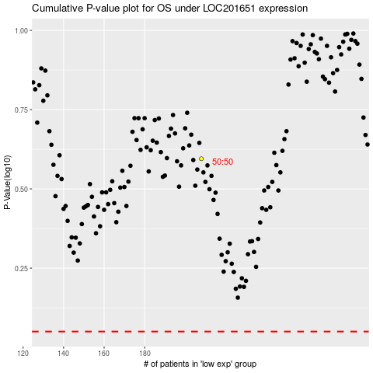

 |  |  |  |  |  | cases_OS | p_OS | rank | exp
 |  |  |  |  |  |  | cases_RFS | p_RFS | rank | exp

