LOC202181 _multivariate
Reported by Tex Li-Hsing Chi. tex@gate.sinica.edu.tw 2019-08-18

Table 2. The clinicopathological features of HNSCC cohort and LOC202181 expression. (Chi square test)
Cutoff at -0.345 (49.8%)
 |  | LOC202181 expression |  | LOC202181 expression |  | (Optimised)
 | Features | Low | (%) | High | (%) | Case no | P-value | Remark | Matthews
Gender | Female | 146 | 35.2 | 160 | 38.6 | 415 | 0.1714 | 0 | 0
2 | Male | 61 | 14.7 | 48 | 11.6
Age at diagnosis | <=65y | 134 | 32.3 | 140 | 33.7 | 415 | 0.6529 | 0 | 0
4 | >65y | 73 | 17.6 | 68 | 16.4
Clinical T Status | T1+T2 | 75 | 18.1 | 74 | 17.8 | 415 | 0.9707 | 0 | 0
6 | T3+T4 | 132 | 31.8 | 134 | 32.3
Clinical N Status | N0 | 114 | 27.5 | 102 | 24.6 | 415 | 0.2576 | 1 | 0
8 | N1-3 | 93 | 22.4 | 106 | 25.5
Clinical M Status | M0 | 206 | 49.6 | 206 | 49.6 | 415 | 1 | 0 | 0
10 | M1 | 1 | 0.2 | 2 | 0.5
Clinical Stage | Stage I+II | 59 | 14.2 | 43 | 10.4 | 415 | 0.0822 | 0 | 0
12 | Stage III+IV | 148 | 35.7 | 165 | 39.8
Surgical Margin status | Negative | 160 | 38.6 | 158 | 38.1 | 415 | 0.8167 | 0 | 0
14 | Positive | 47 | 11.3 | 50 | 12
Tobacco Exposure | Low | 88 | 21.2 | 73 | 17.6 | 415 | 0.1314 | 0 | 0
16 | High | 119 | 28.7 | 135 | 32.5

Table 3. Univariate/Multivariate Cox's proportional hazards regression analyses on OS time of LOC202181 gene expression in HNSCC

 |  | Univariate |  |  |  | Multivariate
 | Features | HR | CI95%(L) | CI95%(H) | P-value | HR | CI95%(L) | CI95%(H) | P-value
1 | Female | 1 |  |  |  | 1
Gender | Male | 1.157 | 0.843 | 1.587 | 0.367 | 1.194 | 0.853 | 1.67 | 0.301
11 | <=65y | 1 |  |  |  | 1
Age at diagnosis | >65y | 1.329 | 0.99 | 1.784 | 0.058 | 1.387 | 1.02 | 1.886 | 0.037
12 | T1+T2 | 1 |  |  |  | 1
Clinical T Status | T3+T4 | 1.409 | 1.028 | 1.931 | 0.033 | 2.176 | 1.149 | 4.121 | 0.017
13 | N0 | 1 |  |  |  | 1
Clinical N Status | N1-3 | 1.185 | 0.89 | 1.577 | 0.246 | 1.242 | 0.871 | 1.772 | 0.231
14 | M0 | 1 |  |  |  | 1
Clinical M Status | M1 | 4.097 | 1.009 | 16.644 | 0.049 | 9.314 | 2.031 | 42.713 | 0.004
15 | Stage I+II | 1 |  |  |  | 1
Clinical Stage | Stage III+IV | 1.245 | 0.882 | 1.759 | 0.213 | 0.515 | 0.239 | 1.109 | 0.09
16 | Negative | 1 |  |  |  | 1
Surgical Margin status | Positive | 1.591 | 1.155 | 2.191 | 0.004 | 1.667 | 1.206 | 2.304 | 0.002
17 | Low | 1 |  |  |  | 1
Tobacco Exposure | High | 1.364 | 1.008 | 1.844 | 0.044 | 1.456 | 1.057 | 2.007 | 0.022
18 | Low | 1 |  |  |  | 1
RNAseq(z-score) | High | 0.895 | 0.672 | 1.193 | 0.45 | 0.929 | 0.694 | 1.245 | 0.623

Table 4. Univariate/Multivariate Cox's proportional hazards regression analyses on RFS time of LOC202181 gene expression in HNSCC

 |  | Univariate |  |  |  | Multivariate
 | Features | HR | CI95%(L) | CI95%(H) | P-value | HR | CI95%(L) | CI95%(H) | P-value
1 | Female | 1 |  |  |  | 1
Gender | Male | 1.157 | 0.843 | 1.587 | 0.367 | 1.194 | 0.853 | 1.67 | 0.301
11 | <=65y | 1 |  |  |  | 1
Age at diagnosis | >65y | 1.329 | 0.99 | 1.784 | 0.058 | 1.387 | 1.02 | 1.886 | 0.037
12 | T1+T2 | 1 |  |  |  | 1
Clinical T Status | T3+T4 | 1.409 | 1.028 | 1.931 | 0.033 | 2.176 | 1.149 | 4.121 | 0.017
13 | N0 | 1 |  |  |  | 1
Clinical N Status | N1-3 | 1.185 | 0.89 | 1.577 | 0.246 | 1.242 | 0.871 | 1.772 | 0.231
14 | M0 | 1 |  |  |  | 1
Clinical M Status | M1 | 4.097 | 1.009 | 16.644 | 0.049 | 9.314 | 2.031 | 42.713 | 0.004
15 | Stage I+II | 1 |  |  |  | 1
Clinical Stage | Stage III+IV | 1.245 | 0.882 | 1.759 | 0.213 | 0.515 | 0.239 | 1.109 | 0.09
16 | Negative | 1 |  |  |  | 1
Surgical Margin status | Positive | 1.591 | 1.155 | 2.191 | 0.004 | 1.667 | 1.206 | 2.304 | 0.002
17 | Low | 1 |  |  |  | 1
Tobacco Exposure | High | 1.364 | 1.008 | 1.844 | 0.044 | 1.456 | 1.057 | 2.007 | 0.022
18 | Low | 1 |  |  |  | 1
RNAseq(z-score) | High | 0.895 | 0.672 | 1.193 | 0.45 | 0.929 | 0.694 | 1.245 | 0.623

Kaplan-Meier survival estimate: Cutoff at -0.345 (49.8%)

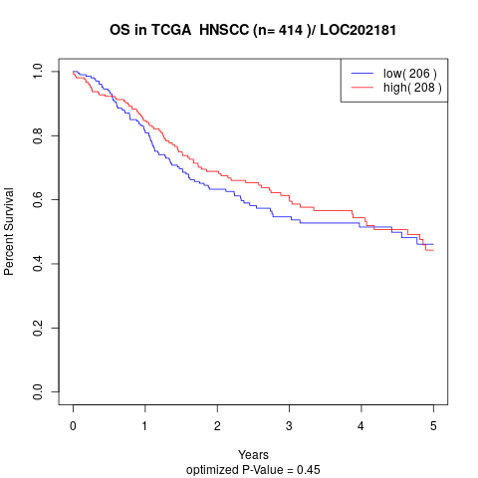

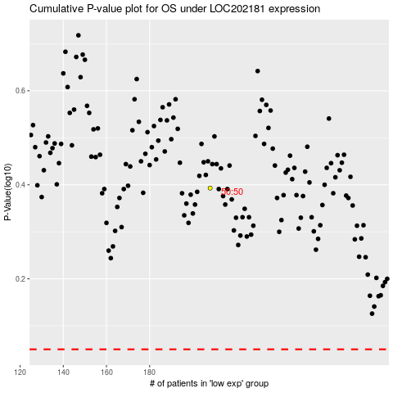

 |  |  |  |  |  | cases_OS | p_OS | rank | exp
 |  |  |  |  |  |  | cases_RFS | p_RFS | rank | exp

