LOC220729 _multivariate
Reported by Tex Li-Hsing Chi. tex@gate.sinica.edu.tw 2019-08-18

Table 2. The clinicopathological features of HNSCC cohort and LOC220729 expression. (Chi square test)
Cutoff at -0.26 (49.8%)
 |  | LOC220729 expression |  | LOC220729 expression |  | (Optimised)
 | Features | Low | (%) | High | (%) | Case no | P-value | Remark | Matthews
Gender | Female | 145 | 34.9 | 161 | 38.8 | 415 | 0.1116 | 0 | 0
2 | Male | 62 | 14.9 | 47 | 11.3
Age at diagnosis | <=65y | 134 | 32.3 | 140 | 33.7 | 415 | 0.6529 | 0 | 0
4 | >65y | 73 | 17.6 | 68 | 16.4
Clinical T Status | T1+T2 | 79 | 19 | 70 | 16.9 | 415 | 0.3924 | 0 | 0
6 | T3+T4 | 128 | 30.8 | 138 | 33.3
Clinical N Status | N0 | 101 | 24.3 | 115 | 27.7 | 415 | 0.2201 | 0 | 0
8 | N1-3 | 106 | 25.5 | 93 | 22.4
Clinical M Status | M0 | 206 | 49.6 | 206 | 49.6 | 415 | 1 | 0 | 0
10 | M1 | 1 | 0.2 | 2 | 0.5
Clinical Stage | Stage I+II | 53 | 12.8 | 49 | 11.8 | 415 | 0.7113 | 0 | 0
12 | Stage III+IV | 154 | 37.1 | 159 | 38.3
Surgical Margin status | Negative | 164 | 39.5 | 154 | 37.1 | 415 | 0.2462 | 0 | 0
14 | Positive | 43 | 10.4 | 54 | 13
Tobacco Exposure | Low | 90 | 21.7 | 71 | 17.1 | 415 | 0.0559 | 0 | 0
16 | High | 117 | 28.2 | 137 | 33

Table 3. Univariate/Multivariate Cox's proportional hazards regression analyses on OS time of LOC220729 gene expression in HNSCC

 |  | Univariate |  |  |  | Multivariate
 | Features | HR | CI95%(L) | CI95%(H) | P-value | HR | CI95%(L) | CI95%(H) | P-value
1 | Female | 1 |  |  |  | 1
Gender | Male | 1.157 | 0.843 | 1.587 | 0.367 | 1.197 | 0.856 | 1.676 | 0.294
11 | <=65y | 1 |  |  |  | 1
Age at diagnosis | >65y | 1.329 | 0.99 | 1.784 | 0.058 | 1.393 | 1.025 | 1.894 | 0.034
12 | T1+T2 | 1 |  |  |  | 1
Clinical T Status | T3+T4 | 1.409 | 1.028 | 1.931 | 0.033 | 2.205 | 1.166 | 4.169 | 0.015
13 | N0 | 1 |  |  |  | 1
Clinical N Status | N1-3 | 1.185 | 0.89 | 1.577 | 0.246 | 1.237 | 0.866 | 1.767 | 0.242
14 | M0 | 1 |  |  |  | 1
Clinical M Status | M1 | 4.097 | 1.009 | 16.644 | 0.049 | 9.432 | 2.057 | 43.243 | 0.004
15 | Stage I+II | 1 |  |  |  | 1
Clinical Stage | Stage III+IV | 1.245 | 0.882 | 1.759 | 0.213 | 0.507 | 0.236 | 1.088 | 0.081
16 | Negative | 1 |  |  |  | 1
Surgical Margin status | Positive | 1.591 | 1.155 | 2.191 | 0.004 | 1.672 | 1.21 | 2.31 | 0.002
17 | Low | 1 |  |  |  | 1
Tobacco Exposure | High | 1.364 | 1.008 | 1.844 | 0.044 | 1.457 | 1.056 | 2.009 | 0.022
18 | Low | 1 |  |  |  | 1
RNAseq(z-score) | High | 0.981 | 0.736 | 1.306 | 0.893 | 0.969 | 0.722 | 1.3 | 0.833

Table 4. Univariate/Multivariate Cox's proportional hazards regression analyses on RFS time of LOC220729 gene expression in HNSCC

 |  | Univariate |  |  |  | Multivariate
 | Features | HR | CI95%(L) | CI95%(H) | P-value | HR | CI95%(L) | CI95%(H) | P-value
1 | Female | 1 |  |  |  | 1
Gender | Male | 1.157 | 0.843 | 1.587 | 0.367 | 1.197 | 0.856 | 1.676 | 0.294
11 | <=65y | 1 |  |  |  | 1
Age at diagnosis | >65y | 1.329 | 0.99 | 1.784 | 0.058 | 1.393 | 1.025 | 1.894 | 0.034
12 | T1+T2 | 1 |  |  |  | 1
Clinical T Status | T3+T4 | 1.409 | 1.028 | 1.931 | 0.033 | 2.205 | 1.166 | 4.169 | 0.015
13 | N0 | 1 |  |  |  | 1
Clinical N Status | N1-3 | 1.185 | 0.89 | 1.577 | 0.246 | 1.237 | 0.866 | 1.767 | 0.242
14 | M0 | 1 |  |  |  | 1
Clinical M Status | M1 | 4.097 | 1.009 | 16.644 | 0.049 | 9.432 | 2.057 | 43.243 | 0.004
15 | Stage I+II | 1 |  |  |  | 1
Clinical Stage | Stage III+IV | 1.245 | 0.882 | 1.759 | 0.213 | 0.507 | 0.236 | 1.088 | 0.081
16 | Negative | 1 |  |  |  | 1
Surgical Margin status | Positive | 1.591 | 1.155 | 2.191 | 0.004 | 1.672 | 1.21 | 2.31 | 0.002
17 | Low | 1 |  |  |  | 1
Tobacco Exposure | High | 1.364 | 1.008 | 1.844 | 0.044 | 1.457 | 1.056 | 2.009 | 0.022
18 | Low | 1 |  |  |  | 1
RNAseq(z-score) | High | 0.981 | 0.736 | 1.306 | 0.893 | 0.969 | 0.722 | 1.3 | 0.833

Kaplan-Meier survival estimate: Cutoff at -0.26 (49.8%)

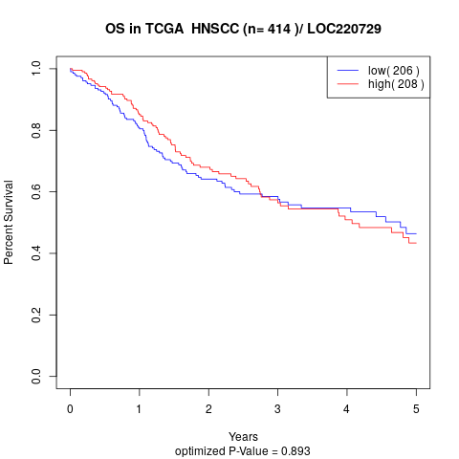

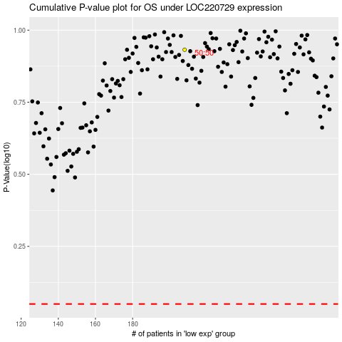

 |  |  |  |  |  | cases_OS | p_OS | rank | exp
 |  |  |  |  |  |  | cases_RFS | p_RFS | rank | exp

