LOC222699 _multivariate
Reported by Tex Li-Hsing Chi. tex@gate.sinica.edu.tw 2019-08-18

Table 2. The clinicopathological features of HNSCC cohort and LOC222699 expression. (Chi square test)
Cutoff at -0.269 (49.8%)
 |  | LOC222699 expression |  | LOC222699 expression |  | (Optimised)
 | Features | Low | (%) | High | (%) | Case no | P-value | Remark | Matthews
Gender | Female | 152 | 36.6 | 154 | 37.1 | 415 | 0.9766 | 0 | 0
2 | Male | 55 | 13.3 | 54 | 13
Age at diagnosis | <=65y | 148 | 35.7 | 126 | 30.4 | 415 | 0.0248 | 1 | 0
4 | >65y | 59 | 14.2 | 82 | 19.8
Clinical T Status | T1+T2 | 72 | 17.3 | 77 | 18.6 | 415 | 0.7095 | 0 | 0
6 | T3+T4 | 135 | 32.5 | 131 | 31.6
Clinical N Status | N0 | 99 | 23.9 | 117 | 28.2 | 415 | 0.1054 | 0 | 0
8 | N1-3 | 108 | 26 | 91 | 21.9
Clinical M Status | M0 | 207 | 49.9 | 205 | 49.4 | 415 | 0.2482 | 0 | 0
10 | M1 | 0 | 0 | 3 | 0.7
Clinical Stage | Stage I+II | 52 | 12.5 | 50 | 12 | 415 | 0.8871 | 0 | 0
12 | Stage III+IV | 155 | 37.3 | 158 | 38.1
Surgical Margin status | Negative | 155 | 37.3 | 163 | 39.3 | 415 | 0.4187 | 0 | 0
14 | Positive | 52 | 12.5 | 45 | 10.8
Tobacco Exposure | Low | 79 | 19 | 82 | 19.8 | 415 | 0.8405 | 0 | 0
16 | High | 128 | 30.8 | 126 | 30.4

Table 3. Univariate/Multivariate Cox's proportional hazards regression analyses on OS time of LOC222699 gene expression in HNSCC

 |  | Univariate |  |  |  | Multivariate
 | Features | HR | CI95%(L) | CI95%(H) | P-value | HR | CI95%(L) | CI95%(H) | P-value
1 | Female | 1 |  |  |  | 1
Gender | Male | 1.157 | 0.843 | 1.587 | 0.367 | 1.199 | 0.858 | 1.675 | 0.289
11 | <=65y | 1 |  |  |  | 1
Age at diagnosis | >65y | 1.329 | 0.99 | 1.784 | 0.058 | 1.397 | 1.027 | 1.9 | 0.033
12 | T1+T2 | 1 |  |  |  | 1
Clinical T Status | T3+T4 | 1.409 | 1.028 | 1.931 | 0.033 | 2.17 | 1.143 | 4.123 | 0.018
13 | N0 | 1 |  |  |  | 1
Clinical N Status | N1-3 | 1.185 | 0.89 | 1.577 | 0.246 | 1.233 | 0.863 | 1.762 | 0.25
14 | M0 | 1 |  |  |  | 1
Clinical M Status | M1 | 4.097 | 1.009 | 16.644 | 0.049 | 9.56 | 2.081 | 43.922 | 0.004
15 | Stage I+II | 1 |  |  |  | 1
Clinical Stage | Stage III+IV | 1.245 | 0.882 | 1.759 | 0.213 | 0.514 | 0.238 | 1.111 | 0.091
16 | Negative | 1 |  |  |  | 1
Surgical Margin status | Positive | 1.591 | 1.155 | 2.191 | 0.004 | 1.66 | 1.2 | 2.298 | 0.002
17 | Low | 1 |  |  |  | 1
Tobacco Exposure | High | 1.364 | 1.008 | 1.844 | 0.044 | 1.452 | 1.054 | 2.001 | 0.022
18 | Low | 1 |  |  |  | 1
RNAseq(z-score) | High | 0.902 | 0.678 | 1.202 | 0.482 | 0.945 | 0.705 | 1.268 | 0.707

Table 4. Univariate/Multivariate Cox's proportional hazards regression analyses on RFS time of LOC222699 gene expression in HNSCC

 |  | Univariate |  |  |  | Multivariate
 | Features | HR | CI95%(L) | CI95%(H) | P-value | HR | CI95%(L) | CI95%(H) | P-value
1 | Female | 1 |  |  |  | 1
Gender | Male | 1.157 | 0.843 | 1.587 | 0.367 | 1.199 | 0.858 | 1.675 | 0.289
11 | <=65y | 1 |  |  |  | 1
Age at diagnosis | >65y | 1.329 | 0.99 | 1.784 | 0.058 | 1.397 | 1.027 | 1.9 | 0.033
12 | T1+T2 | 1 |  |  |  | 1
Clinical T Status | T3+T4 | 1.409 | 1.028 | 1.931 | 0.033 | 2.17 | 1.143 | 4.123 | 0.018
13 | N0 | 1 |  |  |  | 1
Clinical N Status | N1-3 | 1.185 | 0.89 | 1.577 | 0.246 | 1.233 | 0.863 | 1.762 | 0.25
14 | M0 | 1 |  |  |  | 1
Clinical M Status | M1 | 4.097 | 1.009 | 16.644 | 0.049 | 9.56 | 2.081 | 43.922 | 0.004
15 | Stage I+II | 1 |  |  |  | 1
Clinical Stage | Stage III+IV | 1.245 | 0.882 | 1.759 | 0.213 | 0.514 | 0.238 | 1.111 | 0.091
16 | Negative | 1 |  |  |  | 1
Surgical Margin status | Positive | 1.591 | 1.155 | 2.191 | 0.004 | 1.66 | 1.2 | 2.298 | 0.002
17 | Low | 1 |  |  |  | 1
Tobacco Exposure | High | 1.364 | 1.008 | 1.844 | 0.044 | 1.452 | 1.054 | 2.001 | 0.022
18 | Low | 1 |  |  |  | 1
RNAseq(z-score) | High | 0.902 | 0.678 | 1.202 | 0.482 | 0.945 | 0.705 | 1.268 | 0.707

Kaplan-Meier survival estimate: Cutoff at -0.269 (49.8%)

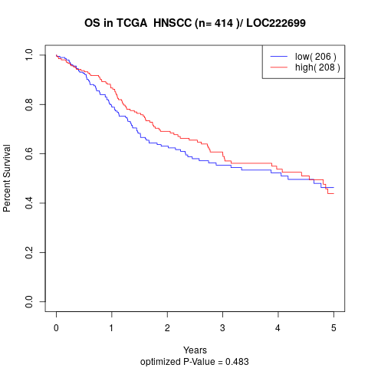

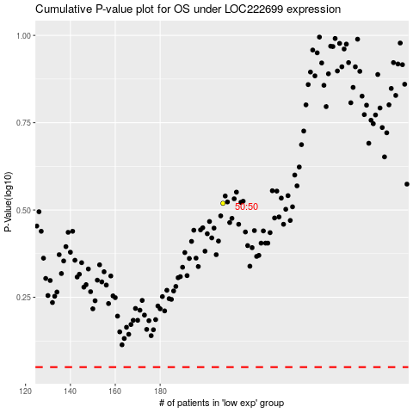

 |  |  |  |  |  | cases_OS | p_OS | rank | exp
 |  |  |  |  |  |  | cases_RFS | p_RFS | rank | exp

