LOC256880 _multivariate
Reported by Tex Li-Hsing Chi. tex@gate.sinica.edu.tw 2019-08-18

Table 2. The clinicopathological features of HNSCC cohort and LOC256880 expression. (Chi square test)
Cutoff at -0.376 (43.5%)
 |  | LOC256880 expression |  | LOC256880 expression |  | (Optimised)
 | Features | Low | (%) | High | (%) | Case no | P-value | Remark | Matthews
Gender | Female | 127 | 30.6 | 179 | 43.1 | 415 | 0.2398 | 0 | 0
2 | Male | 53 | 12.8 | 56 | 13.5
Age at diagnosis | <=65y | 116 | 28 | 158 | 38.1 | 415 | 0.6241 | 0 | 0
4 | >65y | 64 | 15.4 | 77 | 18.6
Clinical T Status | T1+T2 | 60 | 14.5 | 89 | 21.4 | 415 | 0.3942 | 0 | 0
6 | T3+T4 | 120 | 28.9 | 146 | 35.2
Clinical N Status | N0 | 90 | 21.7 | 126 | 30.4 | 415 | 0.5275 | 0 | 0
8 | N1-3 | 90 | 21.7 | 109 | 26.3
Clinical M Status | M0 | 179 | 43.1 | 233 | 56.1 | 415 | 1 | 0 | 0
10 | M1 | 1 | 0.2 | 2 | 0.5
Clinical Stage | Stage I+II | 47 | 11.3 | 55 | 13.3 | 415 | 0.6033 | 0 | 0
12 | Stage III+IV | 133 | 32 | 180 | 43.4
Surgical Margin status | Negative | 144 | 34.7 | 174 | 41.9 | 415 | 0.1622 | 0 | 0
14 | Positive | 36 | 8.7 | 61 | 14.7
Tobacco Exposure | Low | 76 | 18.3 | 85 | 20.5 | 415 | 0.2236 | 0 | 0
16 | High | 104 | 25.1 | 150 | 36.1

Table 3. Univariate/Multivariate Cox's proportional hazards regression analyses on OS time of LOC256880 gene expression in HNSCC

 |  | Univariate |  |  |  | Multivariate
 | Features | HR | CI95%(L) | CI95%(H) | P-value | HR | CI95%(L) | CI95%(H) | P-value
1 | Female | 1 |  |  |  | 1
Gender | Male | 1.157 | 0.843 | 1.587 | 0.367 | 1.155 | 0.826 | 1.615 | 0.399
11 | <=65y | 1 |  |  |  | 1
Age at diagnosis | >65y | 1.329 | 0.99 | 1.784 | 0.058 | 1.444 | 1.06 | 1.967 | 0.02
12 | T1+T2 | 1 |  |  |  | 1
Clinical T Status | T3+T4 | 1.409 | 1.028 | 1.931 | 0.033 | 2.068 | 1.091 | 3.92 | 0.026
13 | N0 | 1 |  |  |  | 1
Clinical N Status | N1-3 | 1.185 | 0.89 | 1.577 | 0.246 | 1.217 | 0.853 | 1.737 | 0.279
14 | M0 | 1 |  |  |  | 1
Clinical M Status | M1 | 4.097 | 1.009 | 16.644 | 0.049 | 8.965 | 1.954 | 41.125 | 0.005
15 | Stage I+II | 1 |  |  |  | 1
Clinical Stage | Stage III+IV | 1.245 | 0.882 | 1.759 | 0.213 | 0.553 | 0.256 | 1.195 | 0.132
16 | Negative | 1 |  |  |  | 1
Surgical Margin status | Positive | 1.591 | 1.155 | 2.191 | 0.004 | 1.679 | 1.216 | 2.318 | 0.002
17 | Low | 1 |  |  |  | 1
Tobacco Exposure | High | 1.364 | 1.008 | 1.844 | 0.044 | 1.498 | 1.086 | 2.066 | 0.014
18 | Low | 1 |  |  |  | 1
RNAseq(z-score) | High | 0.728 | 0.546 | 0.97 | 0.03 | 0.719 | 0.536 | 0.964 | 0.028

Table 4. Univariate/Multivariate Cox's proportional hazards regression analyses on RFS time of LOC256880 gene expression in HNSCC

 |  | Univariate |  |  |  | Multivariate
 | Features | HR | CI95%(L) | CI95%(H) | P-value | HR | CI95%(L) | CI95%(H) | P-value
1 | Female | 1 |  |  |  | 1
Gender | Male | 1.157 | 0.843 | 1.587 | 0.367 | 1.155 | 0.826 | 1.615 | 0.399
11 | <=65y | 1 |  |  |  | 1
Age at diagnosis | >65y | 1.329 | 0.99 | 1.784 | 0.058 | 1.444 | 1.06 | 1.967 | 0.02
12 | T1+T2 | 1 |  |  |  | 1
Clinical T Status | T3+T4 | 1.409 | 1.028 | 1.931 | 0.033 | 2.068 | 1.091 | 3.92 | 0.026
13 | N0 | 1 |  |  |  | 1
Clinical N Status | N1-3 | 1.185 | 0.89 | 1.577 | 0.246 | 1.217 | 0.853 | 1.737 | 0.279
14 | M0 | 1 |  |  |  | 1
Clinical M Status | M1 | 4.097 | 1.009 | 16.644 | 0.049 | 8.965 | 1.954 | 41.125 | 0.005
15 | Stage I+II | 1 |  |  |  | 1
Clinical Stage | Stage III+IV | 1.245 | 0.882 | 1.759 | 0.213 | 0.553 | 0.256 | 1.195 | 0.132
16 | Negative | 1 |  |  |  | 1
Surgical Margin status | Positive | 1.591 | 1.155 | 2.191 | 0.004 | 1.679 | 1.216 | 2.318 | 0.002
17 | Low | 1 |  |  |  | 1
Tobacco Exposure | High | 1.364 | 1.008 | 1.844 | 0.044 | 1.498 | 1.086 | 2.066 | 0.014
18 | Low | 1 |  |  |  | 1
RNAseq(z-score) | High | 0.728 | 0.546 | 0.97 | 0.03 | 0.719 | 0.536 | 0.964 | 0.028

Kaplan-Meier survival estimate: Cutoff at -0.376 (43.5%)

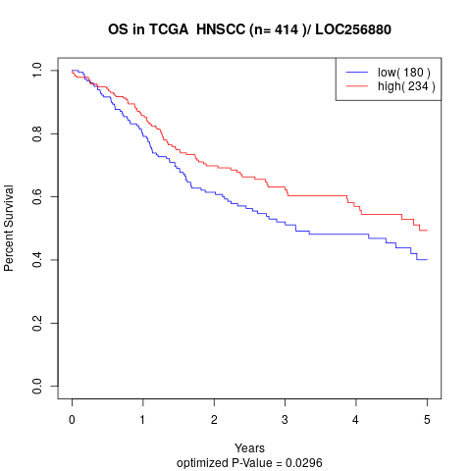

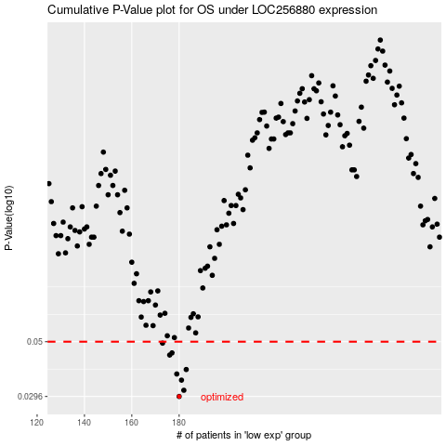

 |  |  |  |  |  | cases_OS | p_OS | rank | exp
 |  |  |  |  |  | 180 | 0.0296 | 341 | -0.37569436595
 |  |  |  |  |  | 182 | 0.0314 | 31 | -0.36516483851
 |  |  |  |  |  | 181 | 0.0346 | 256 | -0.37157615077
 |  |  |  |  |  | 179 | 0.0367 | 265 | -0.38945294847
 |  |  |  |  |  | 183 | 0.0383 | 232 | -0.36385449731
 |  |  |  |  |  | 176 | 0.044 | 259 | -0.39319678045
 |  |  |  |  |  | 177 | 0.0449 | 178 | -0.39226082246
 |  |  |  |  |  | 173 | 0.0493 | 111 | -0.4025095625
 |  |  |  |  |  |  | cases_RFS | p_RFS | rank | exp
 |  |  |  |  |  |  | 179 | 0.0296 | 265 | -0.38945294847
 |  |  |  |  |  |  | 181 | 0.0314 | 256 | -0.37157615077
 |  |  |  |  |  |  | 180 | 0.0346 | 341 | -0.37569436595
 |  |  |  |  |  |  | 178 | 0.0367 | 274 | -0.39174604556
 |  |  |  |  |  |  | 182 | 0.0383 | 31 | -0.36516483851
 |  |  |  |  |  |  | 175 | 0.044 | 56 | -0.39867213472
 |  |  |  |  |  |  | 176 | 0.0449 | 259 | -0.39319678045
 |  |  |  |  |  |  | 172 | 0.0493 | 221 | -0.4027903499

