LOC257358 _multivariate
Reported by Tex Li-Hsing Chi. tex@gate.sinica.edu.tw 2019-08-18

Table 2. The clinicopathological features of HNSCC cohort and LOC257358 expression. (Chi square test)
Cutoff at -0.27 (49.8%)
 |  | LOC257358 expression |  | LOC257358 expression |  | (Optimised)
 | Features | Low | (%) | High | (%) | Case no | P-value | Remark | Matthews
Gender | Female | 159 | 38.3 | 147 | 35.4 | 415 | 0.1905 | 0 | 0
2 | Male | 48 | 11.6 | 61 | 14.7
Age at diagnosis | <=65y | 149 | 35.9 | 125 | 30.1 | 415 | 0.0142 | 1 | 0
4 | >65y | 58 | 14 | 83 | 20
Clinical T Status | T1+T2 | 68 | 16.4 | 81 | 19.5 | 415 | 0.2336 | 0 | 0
6 | T3+T4 | 139 | 33.5 | 127 | 30.6
Clinical N Status | N0 | 108 | 26 | 108 | 26 | 415 | 1 | 0 | 0
8 | N1-3 | 99 | 23.9 | 100 | 24.1
Clinical M Status | M0 | 205 | 49.4 | 207 | 49.9 | 415 | 0.6232 | 0 | 0
10 | M1 | 2 | 0.5 | 1 | 0.2
Clinical Stage | Stage I+II | 46 | 11.1 | 56 | 13.5 | 415 | 0.3182 | 0 | 0
12 | Stage III+IV | 161 | 38.8 | 152 | 36.6
Surgical Margin status | Negative | 156 | 37.6 | 162 | 39 | 415 | 0.5636 | 0 | 0
14 | Positive | 51 | 12.3 | 46 | 11.1
Tobacco Exposure | Low | 78 | 18.8 | 83 | 20 | 415 | 0.6873 | 0 | 0
16 | High | 129 | 31.1 | 125 | 30.1

Table 3. Univariate/Multivariate Cox's proportional hazards regression analyses on OS time of LOC257358 gene expression in HNSCC

 |  | Univariate |  |  |  | Multivariate
 | Features | HR | CI95%(L) | CI95%(H) | P-value | HR | CI95%(L) | CI95%(H) | P-value
1 | Female | 1 |  |  |  | 1
Gender | Male | 1.157 | 0.843 | 1.587 | 0.367 | 1.193 | 0.853 | 1.667 | 0.302
11 | <=65y | 1 |  |  |  | 1
Age at diagnosis | >65y | 1.329 | 0.99 | 1.784 | 0.058 | 1.354 | 0.994 | 1.845 | 0.055
12 | T1+T2 | 1 |  |  |  | 1
Clinical T Status | T3+T4 | 1.409 | 1.028 | 1.931 | 0.033 | 2.277 | 1.203 | 4.312 | 0.011
13 | N0 | 1 |  |  |  | 1
Clinical N Status | N1-3 | 1.185 | 0.89 | 1.577 | 0.246 | 1.246 | 0.873 | 1.778 | 0.225
14 | M0 | 1 |  |  |  | 1
Clinical M Status | M1 | 4.097 | 1.009 | 16.644 | 0.049 | 10.42 | 2.263 | 47.986 | 0.003
15 | Stage I+II | 1 |  |  |  | 1
Clinical Stage | Stage III+IV | 1.245 | 0.882 | 1.759 | 0.213 | 0.502 | 0.234 | 1.078 | 0.077
16 | Negative | 1 |  |  |  | 1
Surgical Margin status | Positive | 1.591 | 1.155 | 2.191 | 0.004 | 1.71 | 1.236 | 2.365 | 0.001
17 | Low | 1 |  |  |  | 1
Tobacco Exposure | High | 1.364 | 1.008 | 1.844 | 0.044 | 1.478 | 1.071 | 2.041 | 0.017
18 | Low | 1 |  |  |  | 1
RNAseq(z-score) | High | 1.198 | 0.899 | 1.595 | 0.218 | 1.309 | 0.976 | 1.756 | 0.072

Table 4. Univariate/Multivariate Cox's proportional hazards regression analyses on RFS time of LOC257358 gene expression in HNSCC

 |  | Univariate |  |  |  | Multivariate
 | Features | HR | CI95%(L) | CI95%(H) | P-value | HR | CI95%(L) | CI95%(H) | P-value
1 | Female | 1 |  |  |  | 1
Gender | Male | 1.157 | 0.843 | 1.587 | 0.367 | 1.193 | 0.853 | 1.667 | 0.302
11 | <=65y | 1 |  |  |  | 1
Age at diagnosis | >65y | 1.329 | 0.99 | 1.784 | 0.058 | 1.354 | 0.994 | 1.845 | 0.055
12 | T1+T2 | 1 |  |  |  | 1
Clinical T Status | T3+T4 | 1.409 | 1.028 | 1.931 | 0.033 | 2.277 | 1.203 | 4.312 | 0.011
13 | N0 | 1 |  |  |  | 1
Clinical N Status | N1-3 | 1.185 | 0.89 | 1.577 | 0.246 | 1.246 | 0.873 | 1.778 | 0.225
14 | M0 | 1 |  |  |  | 1
Clinical M Status | M1 | 4.097 | 1.009 | 16.644 | 0.049 | 10.42 | 2.263 | 47.986 | 0.003
15 | Stage I+II | 1 |  |  |  | 1
Clinical Stage | Stage III+IV | 1.245 | 0.882 | 1.759 | 0.213 | 0.502 | 0.234 | 1.078 | 0.077
16 | Negative | 1 |  |  |  | 1
Surgical Margin status | Positive | 1.591 | 1.155 | 2.191 | 0.004 | 1.71 | 1.236 | 2.365 | 0.001
17 | Low | 1 |  |  |  | 1
Tobacco Exposure | High | 1.364 | 1.008 | 1.844 | 0.044 | 1.478 | 1.071 | 2.041 | 0.017
18 | Low | 1 |  |  |  | 1
RNAseq(z-score) | High | 1.198 | 0.899 | 1.595 | 0.218 | 1.309 | 0.976 | 1.756 | 0.072

Kaplan-Meier survival estimate: Cutoff at -0.27 (49.8%)

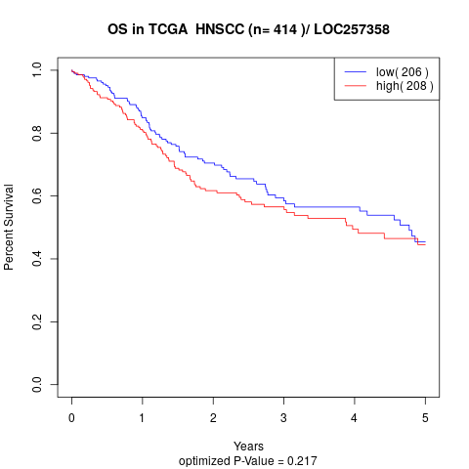

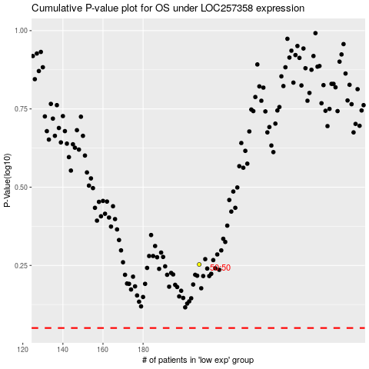

 |  |  |  |  |  | cases_OS | p_OS | rank | exp
 |  |  |  |  |  |  | cases_RFS | p_RFS | rank | exp

