LOC25845 _multivariate
Reported by Tex Li-Hsing Chi. tex@gate.sinica.edu.tw 2019-08-18

Table 2. The clinicopathological features of HNSCC cohort and LOC25845 expression. (Chi square test)
Cutoff at -0.289 (49.8%)
 |  | LOC25845 expression |  | LOC25845 expression |  | (Optimised)
 | Features | Low | (%) | High | (%) | Case no | P-value | Remark | Matthews
Gender | Female | 140 | 33.7 | 166 | 40 | 415 | 0.0068 | 1 | 0
2 | Male | 67 | 16.1 | 42 | 10.1
Age at diagnosis | <=65y | 133 | 32 | 141 | 34 | 415 | 0.5111 | 0 | 0
4 | >65y | 74 | 17.8 | 67 | 16.1
Clinical T Status | T1+T2 | 82 | 19.8 | 67 | 16.1 | 415 | 0.1417 | 0 | 0
6 | T3+T4 | 125 | 30.1 | 141 | 34
Clinical N Status | N0 | 109 | 26.3 | 107 | 25.8 | 415 | 0.8812 | 0 | 0
8 | N1-3 | 98 | 23.6 | 101 | 24.3
Clinical M Status | M0 | 207 | 49.9 | 205 | 49.4 | 415 | 0.2482 | 0 | 0
10 | M1 | 0 | 0 | 3 | 0.7
Clinical Stage | Stage I+II | 60 | 14.5 | 42 | 10.1 | 415 | 0.0493 | 1 | 0
12 | Stage III+IV | 147 | 35.4 | 166 | 40
Surgical Margin status | Negative | 155 | 37.3 | 163 | 39.3 | 415 | 0.4187 | 0 | 0
14 | Positive | 52 | 12.5 | 45 | 10.8
Tobacco Exposure | Low | 93 | 22.4 | 68 | 16.4 | 415 | 0.0118 | 1 | 0
16 | High | 114 | 27.5 | 140 | 33.7

Table 3. Univariate/Multivariate Cox's proportional hazards regression analyses on OS time of LOC25845 gene expression in HNSCC

 |  | Univariate |  |  |  | Multivariate
 | Features | HR | CI95%(L) | CI95%(H) | P-value | HR | CI95%(L) | CI95%(H) | P-value
1 | Female | 1 |  |  |  | 1
Gender | Male | 1.157 | 0.843 | 1.587 | 0.367 | 1.166 | 0.834 | 1.632 | 0.369
11 | <=65y | 1 |  |  |  | 1
Age at diagnosis | >65y | 1.329 | 0.99 | 1.784 | 0.058 | 1.378 | 1.013 | 1.874 | 0.041
12 | T1+T2 | 1 |  |  |  | 1
Clinical T Status | T3+T4 | 1.409 | 1.028 | 1.931 | 0.033 | 2.265 | 1.197 | 4.287 | 0.012
13 | N0 | 1 |  |  |  | 1
Clinical N Status | N1-3 | 1.185 | 0.89 | 1.577 | 0.246 | 1.235 | 0.866 | 1.762 | 0.244
14 | M0 | 1 |  |  |  | 1
Clinical M Status | M1 | 4.097 | 1.009 | 16.644 | 0.049 | 10.884 | 2.347 | 50.461 | 0.002
15 | Stage I+II | 1 |  |  |  | 1
Clinical Stage | Stage III+IV | 1.245 | 0.882 | 1.759 | 0.213 | 0.508 | 0.237 | 1.091 | 0.082
16 | Negative | 1 |  |  |  | 1
Surgical Margin status | Positive | 1.591 | 1.155 | 2.191 | 0.004 | 1.695 | 1.226 | 2.344 | 0.001
17 | Low | 1 |  |  |  | 1
Tobacco Exposure | High | 1.364 | 1.008 | 1.844 | 0.044 | 1.489 | 1.079 | 2.055 | 0.015
18 | Low | 1 |  |  |  | 1
RNAseq(z-score) | High | 0.856 | 0.642 | 1.141 | 0.29 | 0.78 | 0.579 | 1.051 | 0.102

Table 4. Univariate/Multivariate Cox's proportional hazards regression analyses on RFS time of LOC25845 gene expression in HNSCC

 |  | Univariate |  |  |  | Multivariate
 | Features | HR | CI95%(L) | CI95%(H) | P-value | HR | CI95%(L) | CI95%(H) | P-value
1 | Female | 1 |  |  |  | 1
Gender | Male | 1.157 | 0.843 | 1.587 | 0.367 | 1.166 | 0.834 | 1.632 | 0.369
11 | <=65y | 1 |  |  |  | 1
Age at diagnosis | >65y | 1.329 | 0.99 | 1.784 | 0.058 | 1.378 | 1.013 | 1.874 | 0.041
12 | T1+T2 | 1 |  |  |  | 1
Clinical T Status | T3+T4 | 1.409 | 1.028 | 1.931 | 0.033 | 2.265 | 1.197 | 4.287 | 0.012
13 | N0 | 1 |  |  |  | 1
Clinical N Status | N1-3 | 1.185 | 0.89 | 1.577 | 0.246 | 1.235 | 0.866 | 1.762 | 0.244
14 | M0 | 1 |  |  |  | 1
Clinical M Status | M1 | 4.097 | 1.009 | 16.644 | 0.049 | 10.884 | 2.347 | 50.461 | 0.002
15 | Stage I+II | 1 |  |  |  | 1
Clinical Stage | Stage III+IV | 1.245 | 0.882 | 1.759 | 0.213 | 0.508 | 0.237 | 1.091 | 0.082
16 | Negative | 1 |  |  |  | 1
Surgical Margin status | Positive | 1.591 | 1.155 | 2.191 | 0.004 | 1.695 | 1.226 | 2.344 | 0.001
17 | Low | 1 |  |  |  | 1
Tobacco Exposure | High | 1.364 | 1.008 | 1.844 | 0.044 | 1.489 | 1.079 | 2.055 | 0.015
18 | Low | 1 |  |  |  | 1
RNAseq(z-score) | High | 0.856 | 0.642 | 1.141 | 0.29 | 0.78 | 0.579 | 1.051 | 0.102

Kaplan-Meier survival estimate: Cutoff at -0.289 (49.8%)



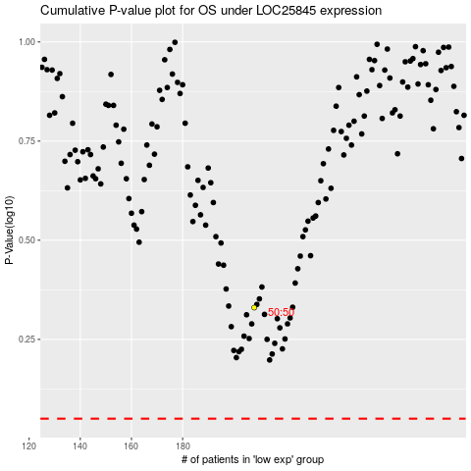

 |  |  |  |  |  | cases_OS | p_OS | rank | exp
 |  |  |  |  |  |  | cases_RFS | p_RFS | rank | exp

