LOC283174 _multivariate
Reported by Tex Li-Hsing Chi. tex@gate.sinica.edu.tw 2019-08-18

Table 2. The clinicopathological features of HNSCC cohort and LOC283174 expression. (Chi square test)
Cutoff at -0.332 (50.0%)
 |  | LOC283174 expression |  | LOC283174 expression |  | (Optimised)
 | Features | Low | (%) | High | (%) | Case no | P-value | Remark | Matthews
Gender | Female | 148 | 35.7 | 158 | 38.1 | 415 | 0.3567 | 0 | 0
2 | Male | 59 | 14.2 | 50 | 12
Age at diagnosis | <=65y | 121 | 29.2 | 153 | 36.9 | 415 | 0.0017 | 1 | 0
4 | >65y | 86 | 20.7 | 55 | 13.3
Clinical T Status | T1+T2 | 65 | 15.7 | 84 | 20.2 | 415 | 0.0711 | 0 | 0
6 | T3+T4 | 142 | 34.2 | 124 | 29.9
Clinical N Status | N0 | 102 | 24.6 | 114 | 27.5 | 415 | 0.3031 | 0 | 0
8 | N1-3 | 105 | 25.3 | 94 | 22.7
Clinical M Status | M0 | 204 | 49.2 | 208 | 50.1 | 415 | 0.1232 | 0 | 0
10 | M1 | 3 | 0.7 | 0 | 0
Clinical Stage | Stage I+II | 44 | 10.6 | 58 | 14 | 415 | 0.1459 | 0 | 0
12 | Stage III+IV | 163 | 39.3 | 150 | 36.1
Surgical Margin status | Negative | 158 | 38.1 | 160 | 38.6 | 415 | 0.9081 | 0 | 0
14 | Positive | 49 | 11.8 | 48 | 11.6
Tobacco Exposure | Low | 85 | 20.5 | 76 | 18.3 | 415 | 0.3655 | 0 | 0
16 | High | 122 | 29.4 | 132 | 31.8

Table 3. Univariate/Multivariate Cox's proportional hazards regression analyses on OS time of LOC283174 gene expression in HNSCC

 |  | Univariate |  |  |  | Multivariate
 | Features | HR | CI95%(L) | CI95%(H) | P-value | HR | CI95%(L) | CI95%(H) | P-value
1 | Female | 1 |  |  |  | 1
Gender | Male | 1.157 | 0.843 | 1.587 | 0.367 | 1.189 | 0.85 | 1.663 | 0.311
11 | <=65y | 1 |  |  |  | 1
Age at diagnosis | >65y | 1.329 | 0.99 | 1.784 | 0.058 | 1.349 | 0.988 | 1.844 | 0.06
12 | T1+T2 | 1 |  |  |  | 1
Clinical T Status | T3+T4 | 1.409 | 1.028 | 1.931 | 0.033 | 2.157 | 1.14 | 4.082 | 0.018
13 | N0 | 1 |  |  |  | 1
Clinical N Status | N1-3 | 1.185 | 0.89 | 1.577 | 0.246 | 1.225 | 0.858 | 1.748 | 0.264
14 | M0 | 1 |  |  |  | 1
Clinical M Status | M1 | 4.097 | 1.009 | 16.644 | 0.049 | 8.582 | 1.855 | 39.709 | 0.006
15 | Stage I+II | 1 |  |  |  | 1
Clinical Stage | Stage III+IV | 1.245 | 0.882 | 1.759 | 0.213 | 0.512 | 0.238 | 1.099 | 0.086
16 | Negative | 1 |  |  |  | 1
Surgical Margin status | Positive | 1.591 | 1.155 | 2.191 | 0.004 | 1.685 | 1.219 | 2.33 | 0.002
17 | Low | 1 |  |  |  | 1
Tobacco Exposure | High | 1.364 | 1.008 | 1.844 | 0.044 | 1.471 | 1.065 | 2.031 | 0.019
18 | Low | 1 |  |  |  | 1
RNAseq(z-score) | High | 0.798 | 0.598 | 1.063 | 0.123 | 0.855 | 0.634 | 1.152 | 0.303

Table 4. Univariate/Multivariate Cox's proportional hazards regression analyses on RFS time of LOC283174 gene expression in HNSCC

 |  | Univariate |  |  |  | Multivariate
 | Features | HR | CI95%(L) | CI95%(H) | P-value | HR | CI95%(L) | CI95%(H) | P-value
1 | Female | 1 |  |  |  | 1
Gender | Male | 1.157 | 0.843 | 1.587 | 0.367 | 1.189 | 0.85 | 1.663 | 0.311
11 | <=65y | 1 |  |  |  | 1
Age at diagnosis | >65y | 1.329 | 0.99 | 1.784 | 0.058 | 1.349 | 0.988 | 1.844 | 0.06
12 | T1+T2 | 1 |  |  |  | 1
Clinical T Status | T3+T4 | 1.409 | 1.028 | 1.931 | 0.033 | 2.157 | 1.14 | 4.082 | 0.018
13 | N0 | 1 |  |  |  | 1
Clinical N Status | N1-3 | 1.185 | 0.89 | 1.577 | 0.246 | 1.225 | 0.858 | 1.748 | 0.264
14 | M0 | 1 |  |  |  | 1
Clinical M Status | M1 | 4.097 | 1.009 | 16.644 | 0.049 | 8.582 | 1.855 | 39.709 | 0.006
15 | Stage I+II | 1 |  |  |  | 1
Clinical Stage | Stage III+IV | 1.245 | 0.882 | 1.759 | 0.213 | 0.512 | 0.238 | 1.099 | 0.086
16 | Negative | 1 |  |  |  | 1
Surgical Margin status | Positive | 1.591 | 1.155 | 2.191 | 0.004 | 1.685 | 1.219 | 2.33 | 0.002
17 | Low | 1 |  |  |  | 1
Tobacco Exposure | High | 1.364 | 1.008 | 1.844 | 0.044 | 1.471 | 1.065 | 2.031 | 0.019
18 | Low | 1 |  |  |  | 1
RNAseq(z-score) | High | 0.798 | 0.598 | 1.063 | 0.123 | 0.855 | 0.634 | 1.152 | 0.303

Kaplan-Meier survival estimate: Cutoff at -0.332 (50.0%)



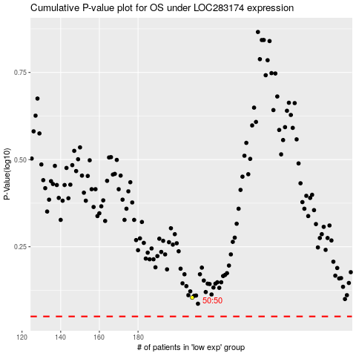

 |  |  |  |  |  | cases_OS | p_OS | rank | exp
 |  |  |  |  |  |  | cases_RFS | p_RFS | rank | exp

