LOC283404 _multivariate
Reported by Tex Li-Hsing Chi. tex@gate.sinica.edu.tw 2019-08-18

Table 2. The clinicopathological features of HNSCC cohort and LOC283404 expression. (Chi square test)
Cutoff at -0.181 (59.4%)
 |  | LOC283404 expression |  | LOC283404 expression |  | (Optimised)
 | Features | Low | (%) | High | (%) | Case no | P-value | Remark | Matthews
Gender | Female | 183 | 44.1 | 123 | 29.6 | 415 | 0.8007 | 0 | 0
2 | Male | 63 | 15.2 | 46 | 11.1
Age at diagnosis | <=65y | 164 | 39.5 | 110 | 26.5 | 415 | 0.8197 | 0 | 0
4 | >65y | 82 | 19.8 | 59 | 14.2
Clinical T Status | T1+T2 | 99 | 23.9 | 50 | 12 | 415 | 0.034 | 1 | 0
6 | T3+T4 | 147 | 35.4 | 119 | 28.7
Clinical N Status | N0 | 116 | 28 | 100 | 24.1 | 415 | 0.021 | 1 | 0
8 | N1-3 | 130 | 31.3 | 69 | 16.6
Clinical M Status | M0 | 244 | 58.8 | 168 | 40.5 | 415 | 1 | 0 | 0
10 | M1 | 2 | 0.5 | 1 | 0.2
Clinical Stage | Stage I+II | 66 | 15.9 | 36 | 8.7 | 415 | 0.2424 | 0 | 0
12 | Stage III+IV | 180 | 43.4 | 133 | 32
Surgical Margin status | Negative | 184 | 44.3 | 134 | 32.3 | 415 | 0.345 | 0 | 0
14 | Positive | 62 | 14.9 | 35 | 8.4
Tobacco Exposure | Low | 91 | 21.9 | 70 | 16.9 | 415 | 0.4122 | 0 | 0
16 | High | 155 | 37.3 | 99 | 23.9

Table 3. Univariate/Multivariate Cox's proportional hazards regression analyses on OS time of LOC283404 gene expression in HNSCC

 |  | Univariate |  |  |  | Multivariate
 | Features | HR | CI95%(L) | CI95%(H) | P-value | HR | CI95%(L) | CI95%(H) | P-value
1 | Female | 1 |  |  |  | 1
Gender | Male | 1.157 | 0.843 | 1.587 | 0.367 | 1.232 | 0.883 | 1.719 | 0.22
11 | <=65y | 1 |  |  |  | 1
Age at diagnosis | >65y | 1.329 | 0.99 | 1.784 | 0.058 | 1.403 | 1.033 | 1.905 | 0.03
12 | T1+T2 | 1 |  |  |  | 1
Clinical T Status | T3+T4 | 1.409 | 1.028 | 1.931 | 0.033 | 2.335 | 1.233 | 4.422 | 0.009
13 | N0 | 1 |  |  |  | 1
Clinical N Status | N1-3 | 1.185 | 0.89 | 1.577 | 0.246 | 1.16 | 0.81 | 1.66 | 0.418
14 | M0 | 1 |  |  |  | 1
Clinical M Status | M1 | 4.097 | 1.009 | 16.644 | 0.049 | 10.09 | 2.198 | 46.312 | 0.003
15 | Stage I+II | 1 |  |  |  | 1
Clinical Stage | Stage III+IV | 1.245 | 0.882 | 1.759 | 0.213 | 0.536 | 0.249 | 1.153 | 0.111
16 | Negative | 1 |  |  |  | 1
Surgical Margin status | Positive | 1.591 | 1.155 | 2.191 | 0.004 | 1.638 | 1.185 | 2.263 | 0.003
17 | Low | 1 |  |  |  | 1
Tobacco Exposure | High | 1.364 | 1.008 | 1.844 | 0.044 | 1.399 | 1.017 | 1.924 | 0.039
18 | Low | 1 |  |  |  | 1
RNAseq(z-score) | High | 0.674 | 0.498 | 0.913 | 0.011 | 0.65 | 0.476 | 0.888 | 0.007

Table 4. Univariate/Multivariate Cox's proportional hazards regression analyses on RFS time of LOC283404 gene expression in HNSCC

 |  | Univariate |  |  |  | Multivariate
 | Features | HR | CI95%(L) | CI95%(H) | P-value | HR | CI95%(L) | CI95%(H) | P-value
1 | Female | 1 |  |  |  | 1
Gender | Male | 1.157 | 0.843 | 1.587 | 0.367 | 1.232 | 0.883 | 1.719 | 0.22
11 | <=65y | 1 |  |  |  | 1
Age at diagnosis | >65y | 1.329 | 0.99 | 1.784 | 0.058 | 1.403 | 1.033 | 1.905 | 0.03
12 | T1+T2 | 1 |  |  |  | 1
Clinical T Status | T3+T4 | 1.409 | 1.028 | 1.931 | 0.033 | 2.335 | 1.233 | 4.422 | 0.009
13 | N0 | 1 |  |  |  | 1
Clinical N Status | N1-3 | 1.185 | 0.89 | 1.577 | 0.246 | 1.16 | 0.81 | 1.66 | 0.418
14 | M0 | 1 |  |  |  | 1
Clinical M Status | M1 | 4.097 | 1.009 | 16.644 | 0.049 | 10.09 | 2.198 | 46.312 | 0.003
15 | Stage I+II | 1 |  |  |  | 1
Clinical Stage | Stage III+IV | 1.245 | 0.882 | 1.759 | 0.213 | 0.536 | 0.249 | 1.153 | 0.111
16 | Negative | 1 |  |  |  | 1
Surgical Margin status | Positive | 1.591 | 1.155 | 2.191 | 0.004 | 1.638 | 1.185 | 2.263 | 0.003
17 | Low | 1 |  |  |  | 1
Tobacco Exposure | High | 1.364 | 1.008 | 1.844 | 0.044 | 1.399 | 1.017 | 1.924 | 0.039
18 | Low | 1 |  |  |  | 1
RNAseq(z-score) | High | 0.674 | 0.498 | 0.913 | 0.011 | 0.65 | 0.476 | 0.888 | 0.007

Kaplan-Meier survival estimate: Cutoff at -0.181 (59.4%)

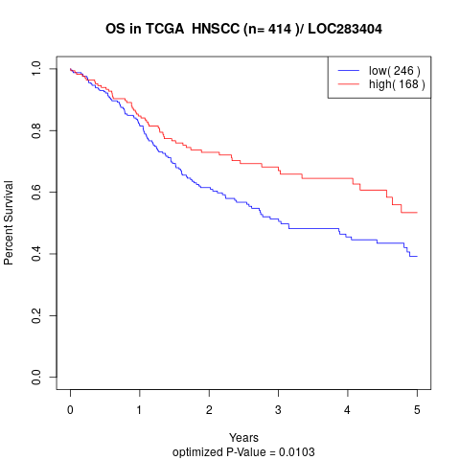

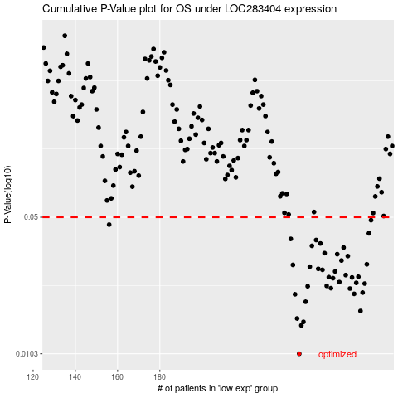

 |  |  |  |  |  | cases_OS | p_OS | rank | exp
 |  |  |  |  |  | 246 | 0.0103 | 396 | -0.1812504139
 |  |  |  |  |  | 247 | 0.0143 | 94 | -0.18059448588
 |  |  |  |  |  | 248 | 0.0149 | 34 | -0.17373123903
 |  |  |  |  |  | 245 | 0.0155 | 297 | -0.18145839107
 |  |  |  |  |  | 275 | 0.0169 | 83 | -0.061951505475
 |  |  |  |  |  | 249 | 0.0188 | 15 | -0.16327638632
 |  |  |  |  |  | 244 | 0.0205 | 163 | -0.18600189248
 |  |  |  |  |  | 272 | 0.0206 | 360 | -0.063367350104
 |  |  |  |  |  | 276 | 0.0209 | 252 | -0.056080149784
 |  |  |  |  |  | 270 | 0.0219 | 299 | -0.065375129775
 |  |  |  |  |  | 261 | 0.022 | 8 | -0.11484170143
 |  |  |  |  |  | 250 | 0.0225 | 129 | -0.16300441617
 |  |  |  |  |  | 259 | 0.0226 | 331 | -0.13069596162
 |  |  |  |  |  | 277 | 0.0232 | 152 | -0.052448548307
 |  |  |  |  |  | 273 | 0.0234 | 144 | -0.062631430862
 |  |  |  |  |  | 265 | 0.0236 | 166 | -0.092500153139
 |  |  |  |  |  | 262 | 0.0247 | 380 | -0.11460172776
 |  |  |  |  |  | 271 | 0.0249 | 273 | -0.065007170154
 |  |  |  |  |  | 260 | 0.025 | 211 | -0.11613755923
 |  |  |  |  |  | 274 | 0.0251 | 216 | -0.06240745544
 |  |  |  |  |  | 268 | 0.0256 | 150 | -0.071046507411
 |  |  |  |  |  | 263 | 0.0267 | 89 | -0.10403488734
 |  |  |  |  |  | 257 | 0.0272 | 350 | -0.14369453519
 |  |  |  |  |  | 255 | 0.0275 | 111 | -0.14528636051
 |  |  |  |  |  | 251 | 0.0282 | 44 | -0.15959679011
 |  |  |  |  |  | 243 | 0.0288 | 61 | -0.19050539828
 |  |  |  |  |  | 278 | 0.029 | 231 | -0.046089246162
 |  |  |  |  |  | 266 | 0.0303 | 316 | -0.087964650854
 |  |  |  |  |  | 269 | 0.0319 | 99 | -0.066598995471
 |  |  |  |  |  | 264 | 0.0326 | 204 | -0.09844350093
 |  |  |  |  |  | 258 | 0.033 | 349 | -0.14071886173
 |  |  |  |  |  | 267 | 0.0352 | 68 | -0.086620798326
 |  |  |  |  |  | 252 | 0.0359 | 232 | -0.151013732
 |  |  |  |  |  | 256 | 0.0369 | 207 | -0.14414248603
 |  |  |  |  |  | 254 | 0.0384 | 261 | -0.14970187596
 |  |  |  |  |  | 242 | 0.0389 | 88 | -0.19555284438
 |  |  |  |  |  | 279 | 0.0415 | 235 | -0.040649843069
 |  |  |  |  |  | 156 | 0.0459 | 190 | -0.4299271247
 |  |  |  |  |  | 280 | 0.0483 | 343 | -0.03281870244
 |  |  |  |  |  |  | cases_RFS | p_RFS | rank | exp
 |  |  |  |  |  |  | 245 | 0.0103 | 297 | -0.18145839107
 |  |  |  |  |  |  | 246 | 0.0143 | 396 | -0.1812504139
 |  |  |  |  |  |  | 247 | 0.0149 | 94 | -0.18059448588
 |  |  |  |  |  |  | 244 | 0.0155 | 163 | -0.18600189248
 |  |  |  |  |  |  | 274 | 0.0169 | 216 | -0.06240745544
 |  |  |  |  |  |  | 248 | 0.0188 | 34 | -0.17373123903
 |  |  |  |  |  |  | 243 | 0.0205 | 61 | -0.19050539828
 |  |  |  |  |  |  | 271 | 0.0206 | 273 | -0.065007170154
 |  |  |  |  |  |  | 275 | 0.0209 | 83 | -0.061951505475
 |  |  |  |  |  |  | 269 | 0.0219 | 99 | -0.066598995471
 |  |  |  |  |  |  | 260 | 0.022 | 211 | -0.11613755923
 |  |  |  |  |  |  | 249 | 0.0225 | 15 | -0.16327638632
 |  |  |  |  |  |  | 258 | 0.0226 | 349 | -0.14071886173
 |  |  |  |  |  |  | 276 | 0.0232 | 252 | -0.056080149784
 |  |  |  |  |  |  | 272 | 0.0234 | 360 | -0.063367350104
 |  |  |  |  |  |  | 264 | 0.0236 | 204 | -0.09844350093
 |  |  |  |  |  |  | 261 | 0.0247 | 8 | -0.11484170143
 |  |  |  |  |  |  | 270 | 0.0249 | 299 | -0.065375129775
 |  |  |  |  |  |  | 259 | 0.025 | 331 | -0.13069596162
 |  |  |  |  |  |  | 273 | 0.0251 | 144 | -0.062631430862
 |  |  |  |  |  |  | 267 | 0.0256 | 68 | -0.086620798326
 |  |  |  |  |  |  | 262 | 0.0267 | 380 | -0.11460172776
 |  |  |  |  |  |  | 256 | 0.0272 | 207 | -0.14414248603
 |  |  |  |  |  |  | 254 | 0.0275 | 261 | -0.14970187596
 |  |  |  |  |  |  | 250 | 0.0282 | 129 | -0.16300441617
 |  |  |  |  |  |  | 242 | 0.0288 | 88 | -0.19555284438
 |  |  |  |  |  |  | 277 | 0.029 | 152 | -0.052448548307
 |  |  |  |  |  |  | 265 | 0.0303 | 166 | -0.092500153139
 |  |  |  |  |  |  | 268 | 0.0319 | 150 | -0.071046507411
 |  |  |  |  |  |  | 263 | 0.0326 | 89 | -0.10403488734
 |  |  |  |  |  |  | 257 | 0.033 | 350 | -0.14369453519
 |  |  |  |  |  |  | 266 | 0.0352 | 316 | -0.087964650854
 |  |  |  |  |  |  | 251 | 0.0359 | 44 | -0.15959679011
 |  |  |  |  |  |  | 255 | 0.0369 | 111 | -0.14528636051
 |  |  |  |  |  |  | 253 | 0.0384 | 276 | -0.15091774253
 |  |  |  |  |  |  | 241 | 0.0389 | 97 | -0.20821545482
 |  |  |  |  |  |  | 278 | 0.0415 | 231 | -0.046089246162
 |  |  |  |  |  |  | 155 | 0.0459 | 221 | -0.43281480781
 |  |  |  |  |  |  | 279 | 0.0483 | 235 | -0.040649843069

