LOC283867 _multivariate
Reported by Tex Li-Hsing Chi. tex@gate.sinica.edu.tw 2019-08-18

Table 2. The clinicopathological features of HNSCC cohort and LOC283867 expression. (Chi square test)
Cutoff at -0.203 (49.8%)
 |  | LOC283867 expression |  | LOC283867 expression |  | (Optimised)
 | Features | Low | (%) | High | (%) | Case no | P-value | Remark | Matthews
Gender | Female | 150 | 36.1 | 156 | 37.6 | 415 | 0.6344 | 0 | 0
2 | Male | 57 | 13.7 | 52 | 12.5
Age at diagnosis | <=65y | 140 | 33.7 | 134 | 32.3 | 415 | 0.5574 | 0 | 0
4 | >65y | 67 | 16.1 | 74 | 17.8
Clinical T Status | T1+T2 | 76 | 18.3 | 73 | 17.6 | 415 | 0.8092 | 0 | 0
6 | T3+T4 | 131 | 31.6 | 135 | 32.5
Clinical N Status | N0 | 115 | 27.7 | 101 | 24.3 | 415 | 0.184 | 1 | 0
8 | N1-3 | 92 | 22.2 | 107 | 25.8
Clinical M Status | M0 | 206 | 49.6 | 206 | 49.6 | 415 | 1 | 0 | 0
10 | M1 | 1 | 0.2 | 2 | 0.5
Clinical Stage | Stage I+II | 51 | 12.3 | 51 | 12.3 | 415 | 1 | 0 | 0
12 | Stage III+IV | 156 | 37.6 | 157 | 37.8
Surgical Margin status | Negative | 165 | 39.8 | 153 | 36.9 | 415 | 0.1639 | 0 | 0
14 | Positive | 42 | 10.1 | 55 | 13.3
Tobacco Exposure | Low | 90 | 21.7 | 71 | 17.1 | 415 | 0.0559 | 0 | 0
16 | High | 117 | 28.2 | 137 | 33

Table 3. Univariate/Multivariate Cox's proportional hazards regression analyses on OS time of LOC283867 gene expression in HNSCC

 |  | Univariate |  |  |  | Multivariate
 | Features | HR | CI95%(L) | CI95%(H) | P-value | HR | CI95%(L) | CI95%(H) | P-value
1 | Female | 1 |  |  |  | 1
Gender | Male | 1.157 | 0.843 | 1.587 | 0.367 | 1.2 | 0.858 | 1.678 | 0.287
11 | <=65y | 1 |  |  |  | 1
Age at diagnosis | >65y | 1.329 | 0.99 | 1.784 | 0.058 | 1.381 | 1.015 | 1.878 | 0.04
12 | T1+T2 | 1 |  |  |  | 1
Clinical T Status | T3+T4 | 1.409 | 1.028 | 1.931 | 0.033 | 2.26 | 1.193 | 4.281 | 0.012
13 | N0 | 1 |  |  |  | 1
Clinical N Status | N1-3 | 1.185 | 0.89 | 1.577 | 0.246 | 1.265 | 0.885 | 1.808 | 0.198
14 | M0 | 1 |  |  |  | 1
Clinical M Status | M1 | 4.097 | 1.009 | 16.644 | 0.049 | 9.724 | 2.118 | 44.636 | 0.003
15 | Stage I+II | 1 |  |  |  | 1
Clinical Stage | Stage III+IV | 1.245 | 0.882 | 1.759 | 0.213 | 0.486 | 0.226 | 1.046 | 0.065
16 | Negative | 1 |  |  |  | 1
Surgical Margin status | Positive | 1.591 | 1.155 | 2.191 | 0.004 | 1.689 | 1.221 | 2.335 | 0.002
17 | Low | 1 |  |  |  | 1
Tobacco Exposure | High | 1.364 | 1.008 | 1.844 | 0.044 | 1.482 | 1.072 | 2.049 | 0.017
18 | Low | 1 |  |  |  | 1
RNAseq(z-score) | High | 0.934 | 0.7 | 1.244 | 0.639 | 0.852 | 0.636 | 1.143 | 0.285

Table 4. Univariate/Multivariate Cox's proportional hazards regression analyses on RFS time of LOC283867 gene expression in HNSCC

 |  | Univariate |  |  |  | Multivariate
 | Features | HR | CI95%(L) | CI95%(H) | P-value | HR | CI95%(L) | CI95%(H) | P-value
1 | Female | 1 |  |  |  | 1
Gender | Male | 1.157 | 0.843 | 1.587 | 0.367 | 1.2 | 0.858 | 1.678 | 0.287
11 | <=65y | 1 |  |  |  | 1
Age at diagnosis | >65y | 1.329 | 0.99 | 1.784 | 0.058 | 1.381 | 1.015 | 1.878 | 0.04
12 | T1+T2 | 1 |  |  |  | 1
Clinical T Status | T3+T4 | 1.409 | 1.028 | 1.931 | 0.033 | 2.26 | 1.193 | 4.281 | 0.012
13 | N0 | 1 |  |  |  | 1
Clinical N Status | N1-3 | 1.185 | 0.89 | 1.577 | 0.246 | 1.265 | 0.885 | 1.808 | 0.198
14 | M0 | 1 |  |  |  | 1
Clinical M Status | M1 | 4.097 | 1.009 | 16.644 | 0.049 | 9.724 | 2.118 | 44.636 | 0.003
15 | Stage I+II | 1 |  |  |  | 1
Clinical Stage | Stage III+IV | 1.245 | 0.882 | 1.759 | 0.213 | 0.486 | 0.226 | 1.046 | 0.065
16 | Negative | 1 |  |  |  | 1
Surgical Margin status | Positive | 1.591 | 1.155 | 2.191 | 0.004 | 1.689 | 1.221 | 2.335 | 0.002
17 | Low | 1 |  |  |  | 1
Tobacco Exposure | High | 1.364 | 1.008 | 1.844 | 0.044 | 1.482 | 1.072 | 2.049 | 0.017
18 | Low | 1 |  |  |  | 1
RNAseq(z-score) | High | 0.934 | 0.7 | 1.244 | 0.639 | 0.852 | 0.636 | 1.143 | 0.285

Kaplan-Meier survival estimate: Cutoff at -0.203 (49.8%)

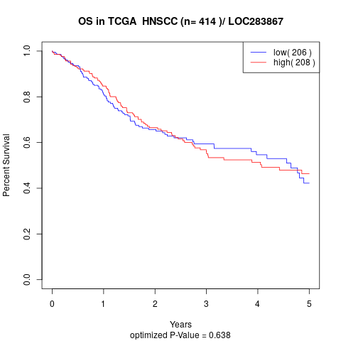

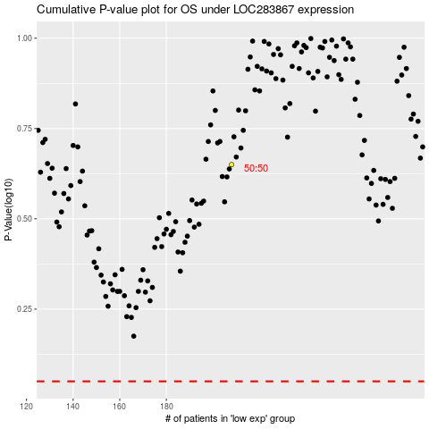

 |  |  |  |  |  | cases_OS | p_OS | rank | exp
 |  |  |  |  |  |  | cases_RFS | p_RFS | rank | exp

