LOC284232 _multivariate
Reported by Tex Li-Hsing Chi. tex@gate.sinica.edu.tw 2019-08-18

Table 2. The clinicopathological features of HNSCC cohort and LOC284232 expression. (Chi square test)
Cutoff at -0.19 (49.8%)
 |  | LOC284232 expression |  | LOC284232 expression |  | (Optimised)
 | Features | Low | (%) | High | (%) | Case no | P-value | Remark | Matthews
Gender | Female | 143 | 34.5 | 163 | 39.3 | 415 | 0.0416 | 1 | 0
2 | Male | 64 | 15.4 | 45 | 10.8
Age at diagnosis | <=65y | 141 | 34 | 133 | 32 | 415 | 0.4272 | 0 | 0
4 | >65y | 66 | 15.9 | 75 | 18.1
Clinical T Status | T1+T2 | 85 | 20.5 | 64 | 15.4 | 415 | 0.0372 | 1 | 0
6 | T3+T4 | 122 | 29.4 | 144 | 34.7
Clinical N Status | N0 | 117 | 28.2 | 99 | 23.9 | 415 | 0.0852 | 1 | 0
8 | N1-3 | 90 | 21.7 | 109 | 26.3
Clinical M Status | M0 | 204 | 49.2 | 208 | 50.1 | 415 | 0.1232 | 0 | 0
10 | M1 | 3 | 0.7 | 0 | 0
Clinical Stage | Stage I+II | 59 | 14.2 | 43 | 10.4 | 415 | 0.0822 | 0 | 0
12 | Stage III+IV | 148 | 35.7 | 165 | 39.8
Surgical Margin status | Negative | 163 | 39.3 | 155 | 37.3 | 415 | 0.3537 | 0 | 0
14 | Positive | 44 | 10.6 | 53 | 12.8
Tobacco Exposure | Low | 91 | 21.9 | 70 | 16.9 | 415 | 0.0346 | 1 | 0
16 | High | 116 | 28 | 138 | 33.3

Table 3. Univariate/Multivariate Cox's proportional hazards regression analyses on OS time of LOC284232 gene expression in HNSCC

 |  | Univariate |  |  |  | Multivariate
 | Features | HR | CI95%(L) | CI95%(H) | P-value | HR | CI95%(L) | CI95%(H) | P-value
1 | Female | 1 |  |  |  | 1
Gender | Male | 1.157 | 0.843 | 1.587 | 0.367 | 1.195 | 0.853 | 1.676 | 0.301
11 | <=65y | 1 |  |  |  | 1
Age at diagnosis | >65y | 1.329 | 0.99 | 1.784 | 0.058 | 1.397 | 1.025 | 1.903 | 0.034
12 | T1+T2 | 1 |  |  |  | 1
Clinical T Status | T3+T4 | 1.409 | 1.028 | 1.931 | 0.033 | 2.212 | 1.168 | 4.187 | 0.015
13 | N0 | 1 |  |  |  | 1
Clinical N Status | N1-3 | 1.185 | 0.89 | 1.577 | 0.246 | 1.244 | 0.871 | 1.776 | 0.23
14 | M0 | 1 |  |  |  | 1
Clinical M Status | M1 | 4.097 | 1.009 | 16.644 | 0.049 | 9.266 | 2.008 | 42.747 | 0.004
15 | Stage I+II | 1 |  |  |  | 1
Clinical Stage | Stage III+IV | 1.245 | 0.882 | 1.759 | 0.213 | 0.504 | 0.235 | 1.082 | 0.079
16 | Negative | 1 |  |  |  | 1
Surgical Margin status | Positive | 1.591 | 1.155 | 2.191 | 0.004 | 1.675 | 1.212 | 2.316 | 0.002
17 | Low | 1 |  |  |  | 1
Tobacco Exposure | High | 1.364 | 1.008 | 1.844 | 0.044 | 1.455 | 1.056 | 2.005 | 0.022
18 | Low | 1 |  |  |  | 1
RNAseq(z-score) | High | 1.024 | 0.769 | 1.364 | 0.872 | 0.969 | 0.719 | 1.305 | 0.834

Table 4. Univariate/Multivariate Cox's proportional hazards regression analyses on RFS time of LOC284232 gene expression in HNSCC

 |  | Univariate |  |  |  | Multivariate
 | Features | HR | CI95%(L) | CI95%(H) | P-value | HR | CI95%(L) | CI95%(H) | P-value
1 | Female | 1 |  |  |  | 1
Gender | Male | 1.157 | 0.843 | 1.587 | 0.367 | 1.195 | 0.853 | 1.676 | 0.301
11 | <=65y | 1 |  |  |  | 1
Age at diagnosis | >65y | 1.329 | 0.99 | 1.784 | 0.058 | 1.397 | 1.025 | 1.903 | 0.034
12 | T1+T2 | 1 |  |  |  | 1
Clinical T Status | T3+T4 | 1.409 | 1.028 | 1.931 | 0.033 | 2.212 | 1.168 | 4.187 | 0.015
13 | N0 | 1 |  |  |  | 1
Clinical N Status | N1-3 | 1.185 | 0.89 | 1.577 | 0.246 | 1.244 | 0.871 | 1.776 | 0.23
14 | M0 | 1 |  |  |  | 1
Clinical M Status | M1 | 4.097 | 1.009 | 16.644 | 0.049 | 9.266 | 2.008 | 42.747 | 0.004
15 | Stage I+II | 1 |  |  |  | 1
Clinical Stage | Stage III+IV | 1.245 | 0.882 | 1.759 | 0.213 | 0.504 | 0.235 | 1.082 | 0.079
16 | Negative | 1 |  |  |  | 1
Surgical Margin status | Positive | 1.591 | 1.155 | 2.191 | 0.004 | 1.675 | 1.212 | 2.316 | 0.002
17 | Low | 1 |  |  |  | 1
Tobacco Exposure | High | 1.364 | 1.008 | 1.844 | 0.044 | 1.455 | 1.056 | 2.005 | 0.022
18 | Low | 1 |  |  |  | 1
RNAseq(z-score) | High | 1.024 | 0.769 | 1.364 | 0.872 | 0.969 | 0.719 | 1.305 | 0.834

Kaplan-Meier survival estimate: Cutoff at -0.19 (49.8%)

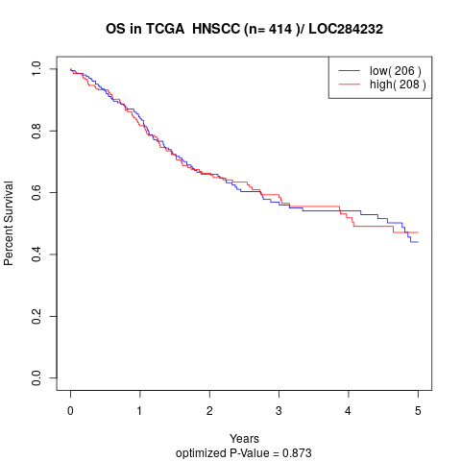

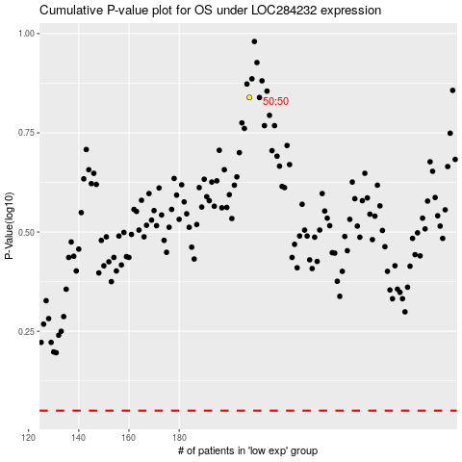

 |  |  |  |  |  | cases_OS | p_OS | rank | exp
 |  |  |  |  |  |  | cases_RFS | p_RFS | rank | exp

