LOC284440 _multivariate
Reported by Tex Li-Hsing Chi. tex@gate.sinica.edu.tw 2019-08-18

Table 2. The clinicopathological features of HNSCC cohort and LOC284440 expression. (Chi square test)
Cutoff at 0.044 (69.8%)
 |  | LOC284440 expression |  | LOC284440 expression |  | (Optimised)
 | Features | Low | (%) | High | (%) | Case no | P-value | Remark | Matthews
Gender | Female | 203 | 48.9 | 103 | 24.8 | 415 | 0.012 | 1 | 0
2 | Male | 87 | 21 | 22 | 5.3
Age at diagnosis | <=65y | 190 | 45.8 | 84 | 20.2 | 415 | 0.8266 | 0 | 0
4 | >65y | 100 | 24.1 | 41 | 9.9
Clinical T Status | T1+T2 | 97 | 23.4 | 52 | 12.5 | 415 | 0.1398 | 0 | 0
6 | T3+T4 | 193 | 46.5 | 73 | 17.6
Clinical N Status | N0 | 152 | 36.6 | 64 | 15.4 | 415 | 0.9045 | 0 | 0
8 | N1-3 | 138 | 33.3 | 61 | 14.7
Clinical M Status | M0 | 287 | 69.2 | 125 | 30.1 | 415 | 0.5571 | 0 | 0
10 | M1 | 3 | 0.7 | 0 | 0
Clinical Stage | Stage I+II | 75 | 18.1 | 27 | 6.5 | 415 | 0.4232 | 0 | 0
12 | Stage III+IV | 215 | 51.8 | 98 | 23.6
Surgical Margin status | Negative | 225 | 54.2 | 93 | 22.4 | 415 | 0.5276 | 0 | 0
14 | Positive | 65 | 15.7 | 32 | 7.7
Tobacco Exposure | Low | 112 | 27 | 49 | 11.8 | 415 | 0.913 | 0 | 0
16 | High | 178 | 42.9 | 76 | 18.3

Table 3. Univariate/Multivariate Cox's proportional hazards regression analyses on OS time of LOC284440 gene expression in HNSCC

 |  | Univariate |  |  |  | Multivariate
 | Features | HR | CI95%(L) | CI95%(H) | P-value | HR | CI95%(L) | CI95%(H) | P-value
1 | Female | 1 |  |  |  | 1
Gender | Male | 1.157 | 0.843 | 1.587 | 0.367 | 1.165 | 0.833 | 1.63 | 0.371
11 | <=65y | 1 |  |  |  | 1
Age at diagnosis | >65y | 1.329 | 0.99 | 1.784 | 0.058 | 1.408 | 1.034 | 1.917 | 0.03
12 | T1+T2 | 1 |  |  |  | 1
Clinical T Status | T3+T4 | 1.409 | 1.028 | 1.931 | 0.033 | 2.067 | 1.09 | 3.92 | 0.026
13 | N0 | 1 |  |  |  | 1
Clinical N Status | N1-3 | 1.185 | 0.89 | 1.577 | 0.246 | 1.242 | 0.871 | 1.772 | 0.231
14 | M0 | 1 |  |  |  | 1
Clinical M Status | M1 | 4.097 | 1.009 | 16.644 | 0.049 | 8.148 | 1.762 | 37.671 | 0.007
15 | Stage I+II | 1 |  |  |  | 1
Clinical Stage | Stage III+IV | 1.245 | 0.882 | 1.759 | 0.213 | 0.547 | 0.254 | 1.18 | 0.124
16 | Negative | 1 |  |  |  | 1
Surgical Margin status | Positive | 1.591 | 1.155 | 2.191 | 0.004 | 1.681 | 1.216 | 2.322 | 0.002
17 | Low | 1 |  |  |  | 1
Tobacco Exposure | High | 1.364 | 1.008 | 1.844 | 0.044 | 1.453 | 1.053 | 2.005 | 0.023
18 | Low | 1 |  |  |  | 1
RNAseq(z-score) | High | 0.712 | 0.51 | 0.994 | 0.046 | 0.751 | 0.535 | 1.056 | 0.099

Table 4. Univariate/Multivariate Cox's proportional hazards regression analyses on RFS time of LOC284440 gene expression in HNSCC

 |  | Univariate |  |  |  | Multivariate
 | Features | HR | CI95%(L) | CI95%(H) | P-value | HR | CI95%(L) | CI95%(H) | P-value
1 | Female | 1 |  |  |  | 1
Gender | Male | 1.157 | 0.843 | 1.587 | 0.367 | 1.165 | 0.833 | 1.63 | 0.371
11 | <=65y | 1 |  |  |  | 1
Age at diagnosis | >65y | 1.329 | 0.99 | 1.784 | 0.058 | 1.408 | 1.034 | 1.917 | 0.03
12 | T1+T2 | 1 |  |  |  | 1
Clinical T Status | T3+T4 | 1.409 | 1.028 | 1.931 | 0.033 | 2.067 | 1.09 | 3.92 | 0.026
13 | N0 | 1 |  |  |  | 1
Clinical N Status | N1-3 | 1.185 | 0.89 | 1.577 | 0.246 | 1.242 | 0.871 | 1.772 | 0.231
14 | M0 | 1 |  |  |  | 1
Clinical M Status | M1 | 4.097 | 1.009 | 16.644 | 0.049 | 8.148 | 1.762 | 37.671 | 0.007
15 | Stage I+II | 1 |  |  |  | 1
Clinical Stage | Stage III+IV | 1.245 | 0.882 | 1.759 | 0.213 | 0.547 | 0.254 | 1.18 | 0.124
16 | Negative | 1 |  |  |  | 1
Surgical Margin status | Positive | 1.591 | 1.155 | 2.191 | 0.004 | 1.681 | 1.216 | 2.322 | 0.002
17 | Low | 1 |  |  |  | 1
Tobacco Exposure | High | 1.364 | 1.008 | 1.844 | 0.044 | 1.453 | 1.053 | 2.005 | 0.023
18 | Low | 1 |  |  |  | 1
RNAseq(z-score) | High | 0.712 | 0.51 | 0.994 | 0.046 | 0.751 | 0.535 | 1.056 | 0.099

Kaplan-Meier survival estimate: Cutoff at 0.044 (69.8%)



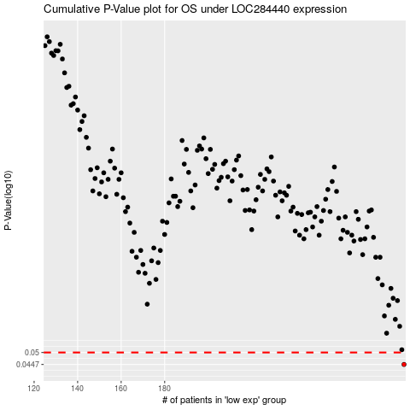

 |  |  |  |  |  | cases_OS | p_OS | rank | exp
 |  |  |  |  |  | 290 | 0.0447 | 310 | 0.044070067172
 |  |  |  |  |  |  | cases_RFS | p_RFS | rank | exp
 |  |  |  |  |  |  | 289 | 0.0447 | 401 | 0.042683753768

