LOC284441 _multivariate
Reported by Tex Li-Hsing Chi. tex@gate.sinica.edu.tw 2019-08-18

Table 2. The clinicopathological features of HNSCC cohort and LOC284441 expression. (Chi square test)
Cutoff at 0.112 (50.0%)
 |  | LOC284441 expression |  | LOC284441 expression |  | (Optimised)
 | Features | Low | (%) | High | (%) | Case no | P-value | Remark | Matthews
Gender | Female | 161 | 38.8 | 145 | 34.9 | 415 | 0.0792 | 0 | 0
2 | Male | 46 | 11.1 | 63 | 15.2
Age at diagnosis | <=65y | 140 | 33.7 | 134 | 32.3 | 415 | 0.5574 | 0 | 0
4 | >65y | 67 | 16.1 | 74 | 17.8
Clinical T Status | T1+T2 | 80 | 19.3 | 69 | 16.6 | 415 | 0.2891 | 0 | 0
6 | T3+T4 | 127 | 30.6 | 139 | 33.5
Clinical N Status | N0 | 106 | 25.5 | 110 | 26.5 | 415 | 0.8075 | 0 | 0
8 | N1-3 | 101 | 24.3 | 98 | 23.6
Clinical M Status | M0 | 204 | 49.2 | 208 | 50.1 | 415 | 0.1232 | 0 | 0
10 | M1 | 3 | 0.7 | 0 | 0
Clinical Stage | Stage I+II | 51 | 12.3 | 51 | 12.3 | 415 | 1 | 0 | 0
12 | Stage III+IV | 156 | 37.6 | 157 | 37.8
Surgical Margin status | Negative | 153 | 36.9 | 165 | 39.8 | 415 | 0.2036 | 0 | 0
14 | Positive | 54 | 13 | 43 | 10.4
Tobacco Exposure | Low | 83 | 20 | 78 | 18.8 | 415 | 0.6152 | 0 | 0
16 | High | 124 | 29.9 | 130 | 31.3

Table 3. Univariate/Multivariate Cox's proportional hazards regression analyses on OS time of LOC284441 gene expression in HNSCC

 |  | Univariate |  |  |  | Multivariate
 | Features | HR | CI95%(L) | CI95%(H) | P-value | HR | CI95%(L) | CI95%(H) | P-value
1 | Female | 1 |  |  |  | 1
Gender | Male | 1.157 | 0.843 | 1.587 | 0.367 | 1.173 | 0.839 | 1.639 | 0.352
11 | <=65y | 1 |  |  |  | 1
Age at diagnosis | >65y | 1.329 | 0.99 | 1.784 | 0.058 | 1.404 | 1.032 | 1.911 | 0.031
12 | T1+T2 | 1 |  |  |  | 1
Clinical T Status | T3+T4 | 1.409 | 1.028 | 1.931 | 0.033 | 2.186 | 1.156 | 4.133 | 0.016
13 | N0 | 1 |  |  |  | 1
Clinical N Status | N1-3 | 1.185 | 0.89 | 1.577 | 0.246 | 1.261 | 0.883 | 1.801 | 0.202
14 | M0 | 1 |  |  |  | 1
Clinical M Status | M1 | 4.097 | 1.009 | 16.644 | 0.049 | 10.293 | 2.232 | 47.462 | 0.003
15 | Stage I+II | 1 |  |  |  | 1
Clinical Stage | Stage III+IV | 1.245 | 0.882 | 1.759 | 0.213 | 0.507 | 0.236 | 1.089 | 0.082
16 | Negative | 1 |  |  |  | 1
Surgical Margin status | Positive | 1.591 | 1.155 | 2.191 | 0.004 | 1.714 | 1.238 | 2.373 | 0.001
17 | Low | 1 |  |  |  | 1
Tobacco Exposure | High | 1.364 | 1.008 | 1.844 | 0.044 | 1.451 | 1.052 | 2 | 0.023
18 | Low | 1 |  |  |  | 1
RNAseq(z-score) | High | 1.15 | 0.863 | 1.534 | 0.34 | 1.23 | 0.916 | 1.653 | 0.169

Table 4. Univariate/Multivariate Cox's proportional hazards regression analyses on RFS time of LOC284441 gene expression in HNSCC

 |  | Univariate |  |  |  | Multivariate
 | Features | HR | CI95%(L) | CI95%(H) | P-value | HR | CI95%(L) | CI95%(H) | P-value
1 | Female | 1 |  |  |  | 1
Gender | Male | 1.157 | 0.843 | 1.587 | 0.367 | 1.173 | 0.839 | 1.639 | 0.352
11 | <=65y | 1 |  |  |  | 1
Age at diagnosis | >65y | 1.329 | 0.99 | 1.784 | 0.058 | 1.404 | 1.032 | 1.911 | 0.031
12 | T1+T2 | 1 |  |  |  | 1
Clinical T Status | T3+T4 | 1.409 | 1.028 | 1.931 | 0.033 | 2.186 | 1.156 | 4.133 | 0.016
13 | N0 | 1 |  |  |  | 1
Clinical N Status | N1-3 | 1.185 | 0.89 | 1.577 | 0.246 | 1.261 | 0.883 | 1.801 | 0.202
14 | M0 | 1 |  |  |  | 1
Clinical M Status | M1 | 4.097 | 1.009 | 16.644 | 0.049 | 10.293 | 2.232 | 47.462 | 0.003
15 | Stage I+II | 1 |  |  |  | 1
Clinical Stage | Stage III+IV | 1.245 | 0.882 | 1.759 | 0.213 | 0.507 | 0.236 | 1.089 | 0.082
16 | Negative | 1 |  |  |  | 1
Surgical Margin status | Positive | 1.591 | 1.155 | 2.191 | 0.004 | 1.714 | 1.238 | 2.373 | 0.001
17 | Low | 1 |  |  |  | 1
Tobacco Exposure | High | 1.364 | 1.008 | 1.844 | 0.044 | 1.451 | 1.052 | 2 | 0.023
18 | Low | 1 |  |  |  | 1
RNAseq(z-score) | High | 1.15 | 0.863 | 1.534 | 0.34 | 1.23 | 0.916 | 1.653 | 0.169

Kaplan-Meier survival estimate: Cutoff at 0.112 (50.0%)



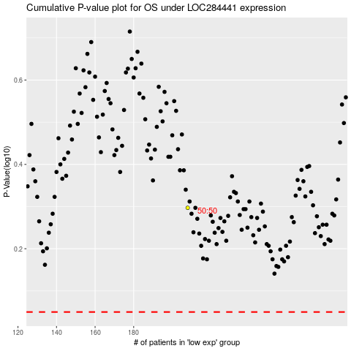

 |  |  |  |  |  | cases_OS | p_OS | rank | exp
 |  |  |  |  |  |  | cases_RFS | p_RFS | rank | exp

