LOC284749 _multivariate
Reported by Tex Li-Hsing Chi. tex@gate.sinica.edu.tw 2019-08-18

Table 2. The clinicopathological features of HNSCC cohort and LOC284749 expression. (Chi square test)
Cutoff at -0.211 (61.6%)
 |  | LOC284749 expression |  | LOC284749 expression |  | (Optimised)
 | Features | Low | (%) | High | (%) | Case no | P-value | Remark | Matthews
Gender | Female | 189 | 45.5 | 117 | 28.2 | 415 | 0.9132 | 0 | 0
2 | Male | 66 | 15.9 | 43 | 10.4
Age at diagnosis | <=65y | 163 | 39.3 | 111 | 26.7 | 415 | 0.3006 | 0 | 0
4 | >65y | 92 | 22.2 | 49 | 11.8
Clinical T Status | T1+T2 | 81 | 19.5 | 68 | 16.4 | 415 | 0.0345 | 1 | 0
6 | T3+T4 | 174 | 41.9 | 92 | 22.2
Clinical N Status | N0 | 141 | 34 | 75 | 18.1 | 415 | 0.1164 | 0 | 0
8 | N1-3 | 114 | 27.5 | 85 | 20.5
Clinical M Status | M0 | 253 | 61 | 159 | 38.3 | 415 | 1 | 0 | 0
10 | M1 | 2 | 0.5 | 1 | 0.2
Clinical Stage | Stage I+II | 62 | 14.9 | 40 | 9.6 | 415 | 0.9674 | 0 | 0
12 | Stage III+IV | 193 | 46.5 | 120 | 28.9
Surgical Margin status | Negative | 193 | 46.5 | 125 | 30.1 | 415 | 0.634 | 0 | 0
14 | Positive | 62 | 14.9 | 35 | 8.4
Tobacco Exposure | Low | 100 | 24.1 | 61 | 14.7 | 415 | 0.8368 | 0 | 0
16 | High | 155 | 37.3 | 99 | 23.9

Table 3. Univariate/Multivariate Cox's proportional hazards regression analyses on OS time of LOC284749 gene expression in HNSCC

 |  | Univariate |  |  |  | Multivariate
 | Features | HR | CI95%(L) | CI95%(H) | P-value | HR | CI95%(L) | CI95%(H) | P-value
1 | Female | 1 |  |  |  | 1
Gender | Male | 1.157 | 0.843 | 1.587 | 0.367 | 1.235 | 0.885 | 1.725 | 0.215
11 | <=65y | 1 |  |  |  | 1
Age at diagnosis | >65y | 1.329 | 0.99 | 1.784 | 0.058 | 1.373 | 1.01 | 1.866 | 0.043
12 | T1+T2 | 1 |  |  |  | 1
Clinical T Status | T3+T4 | 1.409 | 1.028 | 1.931 | 0.033 | 2.068 | 1.091 | 3.92 | 0.026
13 | N0 | 1 |  |  |  | 1
Clinical N Status | N1-3 | 1.185 | 0.89 | 1.577 | 0.246 | 1.277 | 0.894 | 1.822 | 0.179
14 | M0 | 1 |  |  |  | 1
Clinical M Status | M1 | 4.097 | 1.009 | 16.644 | 0.049 | 8.944 | 1.95 | 41.012 | 0.005
15 | Stage I+II | 1 |  |  |  | 1
Clinical Stage | Stage III+IV | 1.245 | 0.882 | 1.759 | 0.213 | 0.524 | 0.244 | 1.125 | 0.097
16 | Negative | 1 |  |  |  | 1
Surgical Margin status | Positive | 1.591 | 1.155 | 2.191 | 0.004 | 1.668 | 1.208 | 2.305 | 0.002
17 | Low | 1 |  |  |  | 1
Tobacco Exposure | High | 1.364 | 1.008 | 1.844 | 0.044 | 1.442 | 1.047 | 1.987 | 0.025
18 | Low | 1 |  |  |  | 1
RNAseq(z-score) | High | 0.723 | 0.534 | 0.979 | 0.036 | 0.74 | 0.543 | 1.008 | 0.056

Table 4. Univariate/Multivariate Cox's proportional hazards regression analyses on RFS time of LOC284749 gene expression in HNSCC

 |  | Univariate |  |  |  | Multivariate
 | Features | HR | CI95%(L) | CI95%(H) | P-value | HR | CI95%(L) | CI95%(H) | P-value
1 | Female | 1 |  |  |  | 1
Gender | Male | 1.157 | 0.843 | 1.587 | 0.367 | 1.235 | 0.885 | 1.725 | 0.215
11 | <=65y | 1 |  |  |  | 1
Age at diagnosis | >65y | 1.329 | 0.99 | 1.784 | 0.058 | 1.373 | 1.01 | 1.866 | 0.043
12 | T1+T2 | 1 |  |  |  | 1
Clinical T Status | T3+T4 | 1.409 | 1.028 | 1.931 | 0.033 | 2.068 | 1.091 | 3.92 | 0.026
13 | N0 | 1 |  |  |  | 1
Clinical N Status | N1-3 | 1.185 | 0.89 | 1.577 | 0.246 | 1.277 | 0.894 | 1.822 | 0.179
14 | M0 | 1 |  |  |  | 1
Clinical M Status | M1 | 4.097 | 1.009 | 16.644 | 0.049 | 8.944 | 1.95 | 41.012 | 0.005
15 | Stage I+II | 1 |  |  |  | 1
Clinical Stage | Stage III+IV | 1.245 | 0.882 | 1.759 | 0.213 | 0.524 | 0.244 | 1.125 | 0.097
16 | Negative | 1 |  |  |  | 1
Surgical Margin status | Positive | 1.591 | 1.155 | 2.191 | 0.004 | 1.668 | 1.208 | 2.305 | 0.002
17 | Low | 1 |  |  |  | 1
Tobacco Exposure | High | 1.364 | 1.008 | 1.844 | 0.044 | 1.442 | 1.047 | 1.987 | 0.025
18 | Low | 1 |  |  |  | 1
RNAseq(z-score) | High | 0.723 | 0.534 | 0.979 | 0.036 | 0.74 | 0.543 | 1.008 | 0.056

Kaplan-Meier survival estimate: Cutoff at -0.211 (61.6%)

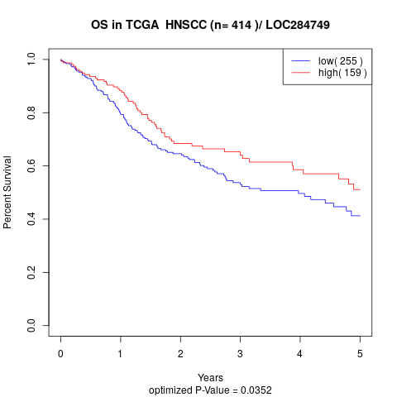

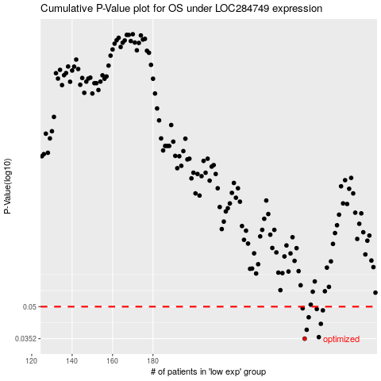

 |  |  |  |  |  | cases_OS | p_OS | rank | exp
 |  |  |  |  |  | 255 | 0.0352 | 352 | -0.21082455501
 |  |  |  |  |  | 262 | 0.0358 | 341 | -0.20087103282
 |  |  |  |  |  | 256 | 0.0388 | 382 | -0.21002793782
 |  |  |  |  |  | 263 | 0.0414 | 311 | -0.19976415419
 |  |  |  |  |  | 257 | 0.0445 | 96 | -0.20966736372
 |  |  |  |  |  | 264 | 0.048 | 60 | -0.19108521951
 |  |  |  |  |  | 261 | 0.0487 | 296 | -0.20199468233
 |  |  |  |  |  | 254 | 0.0491 | 224 | -0.21100064934
 |  |  |  |  |  |  | cases_RFS | p_RFS | rank | exp
 |  |  |  |  |  |  | 254 | 0.0352 | 224 | -0.21100064934
 |  |  |  |  |  |  | 261 | 0.0358 | 296 | -0.20199468233
 |  |  |  |  |  |  | 255 | 0.0388 | 352 | -0.21082455501
 |  |  |  |  |  |  | 262 | 0.0414 | 341 | -0.20087103282
 |  |  |  |  |  |  | 256 | 0.0445 | 382 | -0.21002793782
 |  |  |  |  |  |  | 263 | 0.048 | 311 | -0.19976415419
 |  |  |  |  |  |  | 260 | 0.0487 | 159 | -0.2039820326
 |  |  |  |  |  |  | 253 | 0.0491 | 208 | -0.21115997278

