LOC284900 _multivariate
Reported by Tex Li-Hsing Chi. tex@gate.sinica.edu.tw 2019-08-18

Table 2. The clinicopathological features of HNSCC cohort and LOC284900 expression. (Chi square test)
Cutoff at -0.124 (57.2%)
 |  | LOC284900 expression |  | LOC284900 expression |  | (Optimised)
 | Features | Low | (%) | High | (%) | Case no | P-value | Remark | Matthews
Gender | Female | 157 | 37.8 | 149 | 35.9 | 415 | 0 | 1 | 0
2 | Male | 81 | 19.5 | 28 | 6.7
Age at diagnosis | <=65y | 150 | 36.1 | 124 | 29.9 | 415 | 0.1642 | 0 | 0
4 | >65y | 88 | 21.2 | 53 | 12.8
Clinical T Status | T1+T2 | 92 | 22.2 | 57 | 13.7 | 415 | 0.2107 | 0 | 0
6 | T3+T4 | 146 | 35.2 | 120 | 28.9
Clinical N Status | N0 | 126 | 30.4 | 90 | 21.7 | 415 | 0.7468 | 0 | 0
8 | N1-3 | 112 | 27 | 87 | 21
Clinical M Status | M0 | 237 | 57.1 | 175 | 42.2 | 415 | 0.5779 | 0 | 0
10 | M1 | 1 | 0.2 | 2 | 0.5
Clinical Stage | Stage I+II | 70 | 16.9 | 32 | 7.7 | 415 | 0.0112 | 1 | 0
12 | Stage III+IV | 168 | 40.5 | 145 | 34.9
Surgical Margin status | Negative | 187 | 45.1 | 131 | 31.6 | 415 | 0.2928 | 0 | 0
14 | Positive | 51 | 12.3 | 46 | 11.1
Tobacco Exposure | Low | 104 | 25.1 | 57 | 13.7 | 415 | 0.0193 | 1 | 0
16 | High | 134 | 32.3 | 120 | 28.9

Table 3. Univariate/Multivariate Cox's proportional hazards regression analyses on OS time of LOC284900 gene expression in HNSCC

 |  | Univariate |  |  |  | Multivariate
 | Features | HR | CI95%(L) | CI95%(H) | P-value | HR | CI95%(L) | CI95%(H) | P-value
1 | Female | 1 |  |  |  | 1
Gender | Male | 1.157 | 0.843 | 1.587 | 0.367 | 1.101 | 0.784 | 1.545 | 0.579
11 | <=65y | 1 |  |  |  | 1
Age at diagnosis | >65y | 1.329 | 0.99 | 1.784 | 0.058 | 1.408 | 1.035 | 1.916 | 0.029
12 | T1+T2 | 1 |  |  |  | 1
Clinical T Status | T3+T4 | 1.409 | 1.028 | 1.931 | 0.033 | 2.172 | 1.149 | 4.108 | 0.017
13 | N0 | 1 |  |  |  | 1
Clinical N Status | N1-3 | 1.185 | 0.89 | 1.577 | 0.246 | 1.203 | 0.843 | 1.716 | 0.308
14 | M0 | 1 |  |  |  | 1
Clinical M Status | M1 | 4.097 | 1.009 | 16.644 | 0.049 | 10.601 | 2.306 | 48.734 | 0.002
15 | Stage I+II | 1 |  |  |  | 1
Clinical Stage | Stage III+IV | 1.245 | 0.882 | 1.759 | 0.213 | 0.559 | 0.259 | 1.205 | 0.138
16 | Negative | 1 |  |  |  | 1
Surgical Margin status | Positive | 1.591 | 1.155 | 2.191 | 0.004 | 1.759 | 1.271 | 2.435 | 0.001
17 | Low | 1 |  |  |  | 1
Tobacco Exposure | High | 1.364 | 1.008 | 1.844 | 0.044 | 1.497 | 1.087 | 2.063 | 0.014
18 | Low | 1 |  |  |  | 1
RNAseq(z-score) | High | 0.722 | 0.537 | 0.971 | 0.031 | 0.651 | 0.477 | 0.888 | 0.007

Table 4. Univariate/Multivariate Cox's proportional hazards regression analyses on RFS time of LOC284900 gene expression in HNSCC

 |  | Univariate |  |  |  | Multivariate
 | Features | HR | CI95%(L) | CI95%(H) | P-value | HR | CI95%(L) | CI95%(H) | P-value
1 | Female | 1 |  |  |  | 1
Gender | Male | 1.157 | 0.843 | 1.587 | 0.367 | 1.101 | 0.784 | 1.545 | 0.579
11 | <=65y | 1 |  |  |  | 1
Age at diagnosis | >65y | 1.329 | 0.99 | 1.784 | 0.058 | 1.408 | 1.035 | 1.916 | 0.029
12 | T1+T2 | 1 |  |  |  | 1
Clinical T Status | T3+T4 | 1.409 | 1.028 | 1.931 | 0.033 | 2.172 | 1.149 | 4.108 | 0.017
13 | N0 | 1 |  |  |  | 1
Clinical N Status | N1-3 | 1.185 | 0.89 | 1.577 | 0.246 | 1.203 | 0.843 | 1.716 | 0.308
14 | M0 | 1 |  |  |  | 1
Clinical M Status | M1 | 4.097 | 1.009 | 16.644 | 0.049 | 10.601 | 2.306 | 48.734 | 0.002
15 | Stage I+II | 1 |  |  |  | 1
Clinical Stage | Stage III+IV | 1.245 | 0.882 | 1.759 | 0.213 | 0.559 | 0.259 | 1.205 | 0.138
16 | Negative | 1 |  |  |  | 1
Surgical Margin status | Positive | 1.591 | 1.155 | 2.191 | 0.004 | 1.759 | 1.271 | 2.435 | 0.001
17 | Low | 1 |  |  |  | 1
Tobacco Exposure | High | 1.364 | 1.008 | 1.844 | 0.044 | 1.497 | 1.087 | 2.063 | 0.014
18 | Low | 1 |  |  |  | 1
RNAseq(z-score) | High | 0.722 | 0.537 | 0.971 | 0.031 | 0.651 | 0.477 | 0.888 | 0.007

Kaplan-Meier survival estimate: Cutoff at -0.124 (57.2%)

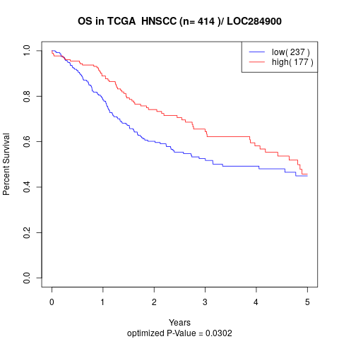

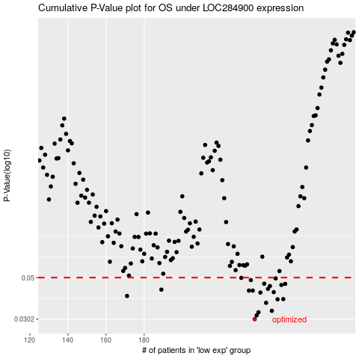

 |  |  |  |  |  | cases_OS | p_OS | rank | exp
 |  |  |  |  |  | 238 | 0.0302 | 27 | -0.12420812644
 |  |  |  |  |  | 239 | 0.0316 | 145 | -0.11545036017
 |  |  |  |  |  | 240 | 0.0328 | 44 | -0.11242652144
 |  |  |  |  |  | 247 | 0.0334 | 75 | -0.060278918993
 |  |  |  |  |  | 244 | 0.0368 | 357 | -0.069501982294
 |  |  |  |  |  | 250 | 0.0384 | 231 | -0.051368421637
 |  |  |  |  |  | 253 | 0.0385 | 164 | -0.042568032739
 |  |  |  |  |  | 171 | 0.04 | 49 | -0.47583889475
 |  |  |  |  |  | 241 | 0.0417 | 270 | -0.1024682178
 |  |  |  |  |  | 248 | 0.0419 | 93 | -0.059712985199
 |  |  |  |  |  | 235 | 0.0427 | 178 | -0.13789591011
 |  |  |  |  |  | 237 | 0.0427 | 394 | -0.1273799604
 |  |  |  |  |  | 189 | 0.0432 | 174 | -0.39006795793
 |  |  |  |  |  | 245 | 0.0436 | 20 | -0.065676601354
 |  |  |  |  |  | 246 | 0.0451 | 66 | -0.065585436287
 |  |  |  |  |  | 252 | 0.0457 | 48 | -0.046118734516
 |  |  |  |  |  | 254 | 0.0463 | 57 | -0.039318057288
 |  |  |  |  |  | 243 | 0.0464 | 369 | -0.086564057421
 |  |  |  |  |  | 236 | 0.0485 | 240 | -0.1294069032
 |  |  |  |  |  | 249 | 0.0495 | 65 | -0.055255368597
 |  |  |  |  |  | 231 | 0.0498 | 290 | -0.16919157536
 |  |  |  |  |  |  | cases_RFS | p_RFS | rank | exp
 |  |  |  |  |  |  | 237 | 0.0302 | 394 | -0.1273799604
 |  |  |  |  |  |  | 238 | 0.0316 | 27 | -0.12420812644
 |  |  |  |  |  |  | 239 | 0.0328 | 145 | -0.11545036017
 |  |  |  |  |  |  | 246 | 0.0334 | 66 | -0.065585436287
 |  |  |  |  |  |  | 243 | 0.0368 | 369 | -0.086564057421
 |  |  |  |  |  |  | 249 | 0.0384 | 65 | -0.055255368597
 |  |  |  |  |  |  | 252 | 0.0385 | 48 | -0.046118734516
 |  |  |  |  |  |  | 170 | 0.04 | 108 | -0.4796358606
 |  |  |  |  |  |  | 240 | 0.0417 | 44 | -0.11242652144
 |  |  |  |  |  |  | 247 | 0.0419 | 75 | -0.060278918993
 |  |  |  |  |  |  | 236 | 0.0427 | 240 | -0.1294069032
 |  |  |  |  |  |  | 234 | 0.0427 | 285 | -0.14717343566
 |  |  |  |  |  |  | 188 | 0.0432 | 224 | -0.3904574814
 |  |  |  |  |  |  | 244 | 0.0436 | 357 | -0.069501982294
 |  |  |  |  |  |  | 245 | 0.0451 | 20 | -0.065676601354
 |  |  |  |  |  |  | 251 | 0.0457 | 412 | -0.050013969209
 |  |  |  |  |  |  | 253 | 0.0463 | 164 | -0.042568032739
 |  |  |  |  |  |  | 242 | 0.0464 | 155 | -0.094432668293
 |  |  |  |  |  |  | 235 | 0.0485 | 178 | -0.13789591011
 |  |  |  |  |  |  | 248 | 0.0495 | 93 | -0.059712985199
 |  |  |  |  |  |  | 230 | 0.0498 | 251 | -0.17820152551

