LOC285074 _multivariate
Reported by Tex Li-Hsing Chi. tex@gate.sinica.edu.tw 2019-08-18

Table 2. The clinicopathological features of HNSCC cohort and LOC285074 expression. (Chi square test)
Cutoff at -0.27 (49.8%)
 |  | LOC285074 expression |  | LOC285074 expression |  | (Optimised)
 | Features | Low | (%) | High | (%) | Case no | P-value | Remark | Matthews
Gender | Female | 141 | 34 | 165 | 39.8 | 415 | 0.013 | 1 | 0
2 | Male | 66 | 15.9 | 43 | 10.4
Age at diagnosis | <=65y | 128 | 30.8 | 146 | 35.2 | 415 | 0.0904 | 0 | 0
4 | >65y | 79 | 19 | 62 | 14.9
Clinical T Status | T1+T2 | 84 | 20.2 | 65 | 15.7 | 415 | 0.0603 | 0 | 0
6 | T3+T4 | 123 | 29.6 | 143 | 34.5
Clinical N Status | N0 | 109 | 26.3 | 107 | 25.8 | 415 | 0.8812 | 0 | 0
8 | N1-3 | 98 | 23.6 | 101 | 24.3
Clinical M Status | M0 | 206 | 49.6 | 206 | 49.6 | 415 | 1 | 0 | 0
10 | M1 | 1 | 0.2 | 2 | 0.5
Clinical Stage | Stage I+II | 59 | 14.2 | 43 | 10.4 | 415 | 0.0822 | 0 | 0
12 | Stage III+IV | 148 | 35.7 | 165 | 39.8
Surgical Margin status | Negative | 166 | 40 | 152 | 36.6 | 415 | 0.1042 | 0 | 0
14 | Positive | 41 | 9.9 | 56 | 13.5
Tobacco Exposure | Low | 99 | 23.9 | 62 | 14.9 | 415 | 2e-04 | 1 | 0
16 | High | 108 | 26 | 146 | 35.2

Table 3. Univariate/Multivariate Cox's proportional hazards regression analyses on OS time of LOC285074 gene expression in HNSCC

 |  | Univariate |  |  |  | Multivariate
 | Features | HR | CI95%(L) | CI95%(H) | P-value | HR | CI95%(L) | CI95%(H) | P-value
1 | Female | 1 |  |  |  | 1
Gender | Male | 1.157 | 0.843 | 1.587 | 0.367 | 1.17 | 0.835 | 1.639 | 0.362
11 | <=65y | 1 |  |  |  | 1
Age at diagnosis | >65y | 1.329 | 0.99 | 1.784 | 0.058 | 1.373 | 1.009 | 1.869 | 0.044
12 | T1+T2 | 1 |  |  |  | 1
Clinical T Status | T3+T4 | 1.409 | 1.028 | 1.931 | 0.033 | 2.231 | 1.18 | 4.219 | 0.014
13 | N0 | 1 |  |  |  | 1
Clinical N Status | N1-3 | 1.185 | 0.89 | 1.577 | 0.246 | 1.224 | 0.858 | 1.746 | 0.264
14 | M0 | 1 |  |  |  | 1
Clinical M Status | M1 | 4.097 | 1.009 | 16.644 | 0.049 | 9.615 | 2.097 | 44.088 | 0.004
15 | Stage I+II | 1 |  |  |  | 1
Clinical Stage | Stage III+IV | 1.245 | 0.882 | 1.759 | 0.213 | 0.518 | 0.241 | 1.113 | 0.092
16 | Negative | 1 |  |  |  | 1
Surgical Margin status | Positive | 1.591 | 1.155 | 2.191 | 0.004 | 1.697 | 1.227 | 2.346 | 0.001
17 | Low | 1 |  |  |  | 1
Tobacco Exposure | High | 1.364 | 1.008 | 1.844 | 0.044 | 1.51 | 1.089 | 2.094 | 0.013
18 | Low | 1 |  |  |  | 1
RNAseq(z-score) | High | 0.912 | 0.685 | 1.215 | 0.53 | 0.83 | 0.612 | 1.126 | 0.23

Table 4. Univariate/Multivariate Cox's proportional hazards regression analyses on RFS time of LOC285074 gene expression in HNSCC

 |  | Univariate |  |  |  | Multivariate
 | Features | HR | CI95%(L) | CI95%(H) | P-value | HR | CI95%(L) | CI95%(H) | P-value
1 | Female | 1 |  |  |  | 1
Gender | Male | 1.157 | 0.843 | 1.587 | 0.367 | 1.17 | 0.835 | 1.639 | 0.362
11 | <=65y | 1 |  |  |  | 1
Age at diagnosis | >65y | 1.329 | 0.99 | 1.784 | 0.058 | 1.373 | 1.009 | 1.869 | 0.044
12 | T1+T2 | 1 |  |  |  | 1
Clinical T Status | T3+T4 | 1.409 | 1.028 | 1.931 | 0.033 | 2.231 | 1.18 | 4.219 | 0.014
13 | N0 | 1 |  |  |  | 1
Clinical N Status | N1-3 | 1.185 | 0.89 | 1.577 | 0.246 | 1.224 | 0.858 | 1.746 | 0.264
14 | M0 | 1 |  |  |  | 1
Clinical M Status | M1 | 4.097 | 1.009 | 16.644 | 0.049 | 9.615 | 2.097 | 44.088 | 0.004
15 | Stage I+II | 1 |  |  |  | 1
Clinical Stage | Stage III+IV | 1.245 | 0.882 | 1.759 | 0.213 | 0.518 | 0.241 | 1.113 | 0.092
16 | Negative | 1 |  |  |  | 1
Surgical Margin status | Positive | 1.591 | 1.155 | 2.191 | 0.004 | 1.697 | 1.227 | 2.346 | 0.001
17 | Low | 1 |  |  |  | 1
Tobacco Exposure | High | 1.364 | 1.008 | 1.844 | 0.044 | 1.51 | 1.089 | 2.094 | 0.013
18 | Low | 1 |  |  |  | 1
RNAseq(z-score) | High | 0.912 | 0.685 | 1.215 | 0.53 | 0.83 | 0.612 | 1.126 | 0.23

Kaplan-Meier survival estimate: Cutoff at -0.27 (49.8%)



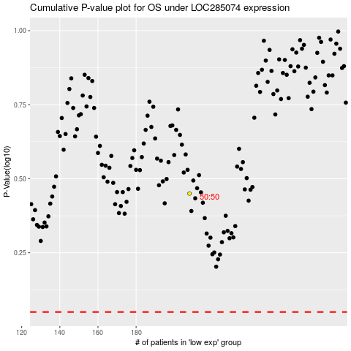

 |  |  |  |  |  | cases_OS | p_OS | rank | exp
 |  |  |  |  |  |  | cases_RFS | p_RFS | rank | exp

