LOC285359 _multivariate
Reported by Tex Li-Hsing Chi. tex@gate.sinica.edu.tw 2019-08-18

Table 2. The clinicopathological features of HNSCC cohort and LOC285359 expression. (Chi square test)
Cutoff at -0.196 (50.0%)
 |  | LOC285359 expression |  | LOC285359 expression |  | (Optimised)
 | Features | Low | (%) | High | (%) | Case no | P-value | Remark | Matthews
Gender | Female | 153 | 36.9 | 153 | 36.9 | 415 | 1 | 0 | 0
2 | Male | 54 | 13 | 55 | 13.3
Age at diagnosis | <=65y | 131 | 31.6 | 143 | 34.5 | 415 | 0.2839 | 0 | 0
4 | >65y | 76 | 18.3 | 65 | 15.7
Clinical T Status | T1+T2 | 71 | 17.1 | 78 | 18.8 | 415 | 0.5638 | 0 | 0
6 | T3+T4 | 136 | 32.8 | 130 | 31.3
Clinical N Status | N0 | 111 | 26.7 | 105 | 25.3 | 415 | 0.5875 | 0 | 0
8 | N1-3 | 96 | 23.1 | 103 | 24.8
Clinical M Status | M0 | 206 | 49.6 | 206 | 49.6 | 415 | 1 | 0 | 0
10 | M1 | 1 | 0.2 | 2 | 0.5
Clinical Stage | Stage I+II | 52 | 12.5 | 50 | 12 | 415 | 0.8871 | 0 | 0
12 | Stage III+IV | 155 | 37.3 | 158 | 38.1
Surgical Margin status | Negative | 163 | 39.3 | 155 | 37.3 | 415 | 0.3537 | 0 | 0
14 | Positive | 44 | 10.6 | 53 | 12.8
Tobacco Exposure | Low | 89 | 21.4 | 72 | 17.3 | 415 | 0.0872 | 0 | 0
16 | High | 118 | 28.4 | 136 | 32.8

Table 3. Univariate/Multivariate Cox's proportional hazards regression analyses on OS time of LOC285359 gene expression in HNSCC

 |  | Univariate |  |  |  | Multivariate
 | Features | HR | CI95%(L) | CI95%(H) | P-value | HR | CI95%(L) | CI95%(H) | P-value
1 | Female | 1 |  |  |  | 1
Gender | Male | 1.157 | 0.843 | 1.587 | 0.367 | 1.202 | 0.861 | 1.68 | 0.28
11 | <=65y | 1 |  |  |  | 1
Age at diagnosis | >65y | 1.329 | 0.99 | 1.784 | 0.058 | 1.39 | 1.023 | 1.889 | 0.036
12 | T1+T2 | 1 |  |  |  | 1
Clinical T Status | T3+T4 | 1.409 | 1.028 | 1.931 | 0.033 | 2.228 | 1.175 | 4.223 | 0.014
13 | N0 | 1 |  |  |  | 1
Clinical N Status | N1-3 | 1.185 | 0.89 | 1.577 | 0.246 | 1.238 | 0.868 | 1.767 | 0.239
14 | M0 | 1 |  |  |  | 1
Clinical M Status | M1 | 4.097 | 1.009 | 16.644 | 0.049 | 9.453 | 2.062 | 43.341 | 0.004
15 | Stage I+II | 1 |  |  |  | 1
Clinical Stage | Stage III+IV | 1.245 | 0.882 | 1.759 | 0.213 | 0.5 | 0.233 | 1.075 | 0.076
16 | Negative | 1 |  |  |  | 1
Surgical Margin status | Positive | 1.591 | 1.155 | 2.191 | 0.004 | 1.672 | 1.21 | 2.311 | 0.002
17 | Low | 1 |  |  |  | 1
Tobacco Exposure | High | 1.364 | 1.008 | 1.844 | 0.044 | 1.437 | 1.039 | 1.989 | 0.028
18 | Low | 1 |  |  |  | 1
RNAseq(z-score) | High | 1.057 | 0.794 | 1.408 | 0.703 | 1.064 | 0.795 | 1.424 | 0.676

Table 4. Univariate/Multivariate Cox's proportional hazards regression analyses on RFS time of LOC285359 gene expression in HNSCC

 |  | Univariate |  |  |  | Multivariate
 | Features | HR | CI95%(L) | CI95%(H) | P-value | HR | CI95%(L) | CI95%(H) | P-value
1 | Female | 1 |  |  |  | 1
Gender | Male | 1.157 | 0.843 | 1.587 | 0.367 | 1.202 | 0.861 | 1.68 | 0.28
11 | <=65y | 1 |  |  |  | 1
Age at diagnosis | >65y | 1.329 | 0.99 | 1.784 | 0.058 | 1.39 | 1.023 | 1.889 | 0.036
12 | T1+T2 | 1 |  |  |  | 1
Clinical T Status | T3+T4 | 1.409 | 1.028 | 1.931 | 0.033 | 2.228 | 1.175 | 4.223 | 0.014
13 | N0 | 1 |  |  |  | 1
Clinical N Status | N1-3 | 1.185 | 0.89 | 1.577 | 0.246 | 1.238 | 0.868 | 1.767 | 0.239
14 | M0 | 1 |  |  |  | 1
Clinical M Status | M1 | 4.097 | 1.009 | 16.644 | 0.049 | 9.453 | 2.062 | 43.341 | 0.004
15 | Stage I+II | 1 |  |  |  | 1
Clinical Stage | Stage III+IV | 1.245 | 0.882 | 1.759 | 0.213 | 0.5 | 0.233 | 1.075 | 0.076
16 | Negative | 1 |  |  |  | 1
Surgical Margin status | Positive | 1.591 | 1.155 | 2.191 | 0.004 | 1.672 | 1.21 | 2.311 | 0.002
17 | Low | 1 |  |  |  | 1
Tobacco Exposure | High | 1.364 | 1.008 | 1.844 | 0.044 | 1.437 | 1.039 | 1.989 | 0.028
18 | Low | 1 |  |  |  | 1
RNAseq(z-score) | High | 1.057 | 0.794 | 1.408 | 0.703 | 1.064 | 0.795 | 1.424 | 0.676

Kaplan-Meier survival estimate: Cutoff at -0.196 (50.0%)

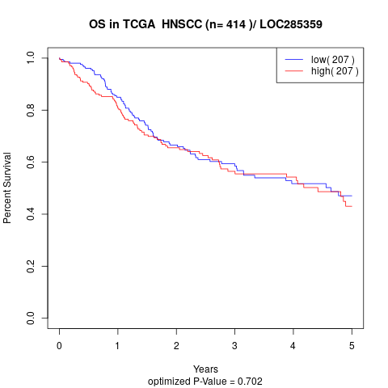

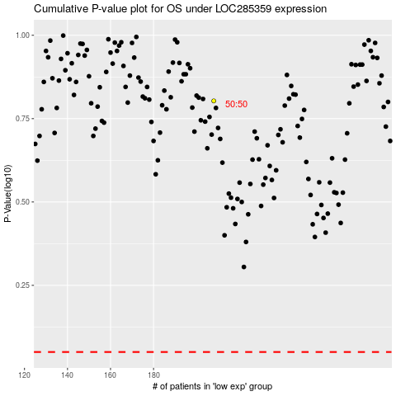

 |  |  |  |  |  | cases_OS | p_OS | rank | exp
 |  |  |  |  |  |  | cases_RFS | p_RFS | rank | exp

