LOC285548 _multivariate
Reported by Tex Li-Hsing Chi. tex@gate.sinica.edu.tw 2019-08-18

Table 2. The clinicopathological features of HNSCC cohort and LOC285548 expression. (Chi square test)
Cutoff at -0.281 (50.0%)
 |  | LOC285548 expression |  | LOC285548 expression |  | (Optimised)
 | Features | Low | (%) | High | (%) | Case no | P-value | Remark | Matthews
Gender | Female | 145 | 34.9 | 161 | 38.8 | 415 | 0.1116 | 0 | 0
2 | Male | 62 | 14.9 | 47 | 11.3
Age at diagnosis | <=65y | 133 | 32 | 141 | 34 | 415 | 0.5111 | 0 | 0
4 | >65y | 74 | 17.8 | 67 | 16.1
Clinical T Status | T1+T2 | 84 | 20.2 | 65 | 15.7 | 415 | 0.0603 | 0 | 0
6 | T3+T4 | 123 | 29.6 | 143 | 34.5
Clinical N Status | N0 | 111 | 26.7 | 105 | 25.3 | 415 | 0.5875 | 0 | 0
8 | N1-3 | 96 | 23.1 | 103 | 24.8
Clinical M Status | M0 | 205 | 49.4 | 207 | 49.9 | 415 | 0.6232 | 0 | 0
10 | M1 | 2 | 0.5 | 1 | 0.2
Clinical Stage | Stage I+II | 58 | 14 | 44 | 10.6 | 415 | 0.131 | 0 | 0
12 | Stage III+IV | 149 | 35.9 | 164 | 39.5
Surgical Margin status | Negative | 161 | 38.8 | 157 | 37.8 | 415 | 0.6429 | 0 | 0
14 | Positive | 46 | 11.1 | 51 | 12.3
Tobacco Exposure | Low | 95 | 22.9 | 66 | 15.9 | 415 | 0.0035 | 1 | 0
16 | High | 112 | 27 | 142 | 34.2

Table 3. Univariate/Multivariate Cox's proportional hazards regression analyses on OS time of LOC285548 gene expression in HNSCC

 |  | Univariate |  |  |  | Multivariate
 | Features | HR | CI95%(L) | CI95%(H) | P-value | HR | CI95%(L) | CI95%(H) | P-value
1 | Female | 1 |  |  |  | 1
Gender | Male | 1.157 | 0.843 | 1.587 | 0.367 | 1.196 | 0.856 | 1.673 | 0.294
11 | <=65y | 1 |  |  |  | 1
Age at diagnosis | >65y | 1.329 | 0.99 | 1.784 | 0.058 | 1.388 | 1.021 | 1.887 | 0.037
12 | T1+T2 | 1 |  |  |  | 1
Clinical T Status | T3+T4 | 1.409 | 1.028 | 1.931 | 0.033 | 2.211 | 1.169 | 4.182 | 0.015
13 | N0 | 1 |  |  |  | 1
Clinical N Status | N1-3 | 1.185 | 0.89 | 1.577 | 0.246 | 1.236 | 0.866 | 1.764 | 0.243
14 | M0 | 1 |  |  |  | 1
Clinical M Status | M1 | 4.097 | 1.009 | 16.644 | 0.049 | 9.377 | 2.045 | 42.984 | 0.004
15 | Stage I+II | 1 |  |  |  | 1
Clinical Stage | Stage III+IV | 1.245 | 0.882 | 1.759 | 0.213 | 0.507 | 0.236 | 1.089 | 0.082
16 | Negative | 1 |  |  |  | 1
Surgical Margin status | Positive | 1.591 | 1.155 | 2.191 | 0.004 | 1.675 | 1.212 | 2.316 | 0.002
17 | Low | 1 |  |  |  | 1
Tobacco Exposure | High | 1.364 | 1.008 | 1.844 | 0.044 | 1.457 | 1.057 | 2.009 | 0.021
18 | Low | 1 |  |  |  | 1
RNAseq(z-score) | High | 0.985 | 0.739 | 1.313 | 0.917 | 0.947 | 0.706 | 1.271 | 0.718

Table 4. Univariate/Multivariate Cox's proportional hazards regression analyses on RFS time of LOC285548 gene expression in HNSCC

 |  | Univariate |  |  |  | Multivariate
 | Features | HR | CI95%(L) | CI95%(H) | P-value | HR | CI95%(L) | CI95%(H) | P-value
1 | Female | 1 |  |  |  | 1
Gender | Male | 1.157 | 0.843 | 1.587 | 0.367 | 1.196 | 0.856 | 1.673 | 0.294
11 | <=65y | 1 |  |  |  | 1
Age at diagnosis | >65y | 1.329 | 0.99 | 1.784 | 0.058 | 1.388 | 1.021 | 1.887 | 0.037
12 | T1+T2 | 1 |  |  |  | 1
Clinical T Status | T3+T4 | 1.409 | 1.028 | 1.931 | 0.033 | 2.211 | 1.169 | 4.182 | 0.015
13 | N0 | 1 |  |  |  | 1
Clinical N Status | N1-3 | 1.185 | 0.89 | 1.577 | 0.246 | 1.236 | 0.866 | 1.764 | 0.243
14 | M0 | 1 |  |  |  | 1
Clinical M Status | M1 | 4.097 | 1.009 | 16.644 | 0.049 | 9.377 | 2.045 | 42.984 | 0.004
15 | Stage I+II | 1 |  |  |  | 1
Clinical Stage | Stage III+IV | 1.245 | 0.882 | 1.759 | 0.213 | 0.507 | 0.236 | 1.089 | 0.082
16 | Negative | 1 |  |  |  | 1
Surgical Margin status | Positive | 1.591 | 1.155 | 2.191 | 0.004 | 1.675 | 1.212 | 2.316 | 0.002
17 | Low | 1 |  |  |  | 1
Tobacco Exposure | High | 1.364 | 1.008 | 1.844 | 0.044 | 1.457 | 1.057 | 2.009 | 0.021
18 | Low | 1 |  |  |  | 1
RNAseq(z-score) | High | 0.985 | 0.739 | 1.313 | 0.917 | 0.947 | 0.706 | 1.271 | 0.718

Kaplan-Meier survival estimate: Cutoff at -0.281 (50.0%)



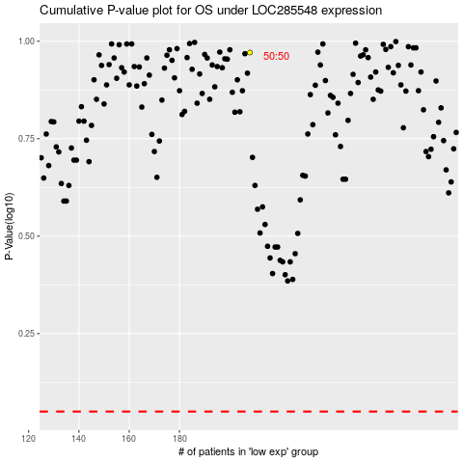

 |  |  |  |  |  | cases_OS | p_OS | rank | exp
 |  |  |  |  |  |  | cases_RFS | p_RFS | rank | exp

