LOC285593 _multivariate
Reported by Tex Li-Hsing Chi. tex@gate.sinica.edu.tw 2019-08-18

Table 2. The clinicopathological features of HNSCC cohort and LOC285593 expression. (Chi square test)
Cutoff at -0.26 (50.0%)
 |  | LOC285593 expression |  | LOC285593 expression |  | (Optimised)
 | Features | Low | (%) | High | (%) | Case no | P-value | Remark | Matthews
Gender | Female | 143 | 34.5 | 163 | 39.3 | 415 | 0.0416 | 1 | 0
2 | Male | 64 | 15.4 | 45 | 10.8
Age at diagnosis | <=65y | 127 | 30.6 | 147 | 35.4 | 415 | 0.0573 | 0 | 0
4 | >65y | 80 | 19.3 | 61 | 14.7
Clinical T Status | T1+T2 | 79 | 19 | 70 | 16.9 | 415 | 0.3924 | 0 | 0
6 | T3+T4 | 128 | 30.8 | 138 | 33.3
Clinical N Status | N0 | 118 | 28.4 | 98 | 23.6 | 415 | 0.0551 | 1 | 0
8 | N1-3 | 89 | 21.4 | 110 | 26.5
Clinical M Status | M0 | 204 | 49.2 | 208 | 50.1 | 415 | 0.1232 | 0 | 0
10 | M1 | 3 | 0.7 | 0 | 0
Clinical Stage | Stage I+II | 55 | 13.3 | 47 | 11.3 | 415 | 0.4087 | 0 | 0
12 | Stage III+IV | 152 | 36.6 | 161 | 38.8
Surgical Margin status | Negative | 160 | 38.6 | 158 | 38.1 | 415 | 0.8167 | 0 | 0
14 | Positive | 47 | 11.3 | 50 | 12
Tobacco Exposure | Low | 84 | 20.2 | 77 | 18.6 | 415 | 0.4816 | 0 | 0
16 | High | 123 | 29.6 | 131 | 31.6

Table 3. Univariate/Multivariate Cox's proportional hazards regression analyses on OS time of LOC285593 gene expression in HNSCC

 |  | Univariate |  |  |  | Multivariate
 | Features | HR | CI95%(L) | CI95%(H) | P-value | HR | CI95%(L) | CI95%(H) | P-value
1 | Female | 1 |  |  |  | 1
Gender | Male | 1.157 | 0.843 | 1.587 | 0.367 | 1.211 | 0.863 | 1.7 | 0.269
11 | <=65y | 1 |  |  |  | 1
Age at diagnosis | >65y | 1.329 | 0.99 | 1.784 | 0.058 | 1.397 | 1.026 | 1.902 | 0.034
12 | T1+T2 | 1 |  |  |  | 1
Clinical T Status | T3+T4 | 1.409 | 1.028 | 1.931 | 0.033 | 2.199 | 1.162 | 4.158 | 0.015
13 | N0 | 1 |  |  |  | 1
Clinical N Status | N1-3 | 1.185 | 0.89 | 1.577 | 0.246 | 1.238 | 0.868 | 1.767 | 0.239
14 | M0 | 1 |  |  |  | 1
Clinical M Status | M1 | 4.097 | 1.009 | 16.644 | 0.049 | 9.618 | 2.078 | 44.516 | 0.004
15 | Stage I+II | 1 |  |  |  | 1
Clinical Stage | Stage III+IV | 1.245 | 0.882 | 1.759 | 0.213 | 0.505 | 0.235 | 1.083 | 0.079
16 | Negative | 1 |  |  |  | 1
Surgical Margin status | Positive | 1.591 | 1.155 | 2.191 | 0.004 | 1.675 | 1.212 | 2.315 | 0.002
17 | Low | 1 |  |  |  | 1
Tobacco Exposure | High | 1.364 | 1.008 | 1.844 | 0.044 | 1.458 | 1.057 | 2.01 | 0.022
18 | Low | 1 |  |  |  | 1
RNAseq(z-score) | High | 0.962 | 0.722 | 1.282 | 0.793 | 1.039 | 0.773 | 1.398 | 0.798

Table 4. Univariate/Multivariate Cox's proportional hazards regression analyses on RFS time of LOC285593 gene expression in HNSCC

 |  | Univariate |  |  |  | Multivariate
 | Features | HR | CI95%(L) | CI95%(H) | P-value | HR | CI95%(L) | CI95%(H) | P-value
1 | Female | 1 |  |  |  | 1
Gender | Male | 1.157 | 0.843 | 1.587 | 0.367 | 1.211 | 0.863 | 1.7 | 0.269
11 | <=65y | 1 |  |  |  | 1
Age at diagnosis | >65y | 1.329 | 0.99 | 1.784 | 0.058 | 1.397 | 1.026 | 1.902 | 0.034
12 | T1+T2 | 1 |  |  |  | 1
Clinical T Status | T3+T4 | 1.409 | 1.028 | 1.931 | 0.033 | 2.199 | 1.162 | 4.158 | 0.015
13 | N0 | 1 |  |  |  | 1
Clinical N Status | N1-3 | 1.185 | 0.89 | 1.577 | 0.246 | 1.238 | 0.868 | 1.767 | 0.239
14 | M0 | 1 |  |  |  | 1
Clinical M Status | M1 | 4.097 | 1.009 | 16.644 | 0.049 | 9.618 | 2.078 | 44.516 | 0.004
15 | Stage I+II | 1 |  |  |  | 1
Clinical Stage | Stage III+IV | 1.245 | 0.882 | 1.759 | 0.213 | 0.505 | 0.235 | 1.083 | 0.079
16 | Negative | 1 |  |  |  | 1
Surgical Margin status | Positive | 1.591 | 1.155 | 2.191 | 0.004 | 1.675 | 1.212 | 2.315 | 0.002
17 | Low | 1 |  |  |  | 1
Tobacco Exposure | High | 1.364 | 1.008 | 1.844 | 0.044 | 1.458 | 1.057 | 2.01 | 0.022
18 | Low | 1 |  |  |  | 1
RNAseq(z-score) | High | 0.962 | 0.722 | 1.282 | 0.793 | 1.039 | 0.773 | 1.398 | 0.798

Kaplan-Meier survival estimate: Cutoff at -0.26 (50.0%)

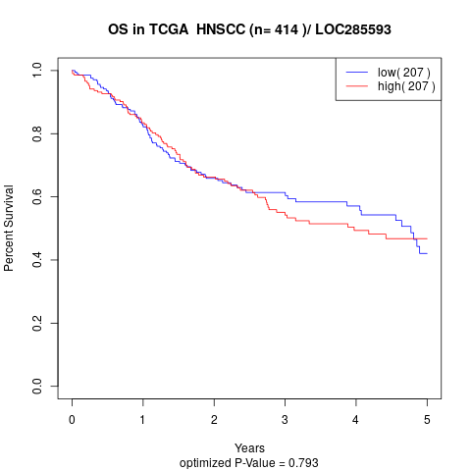

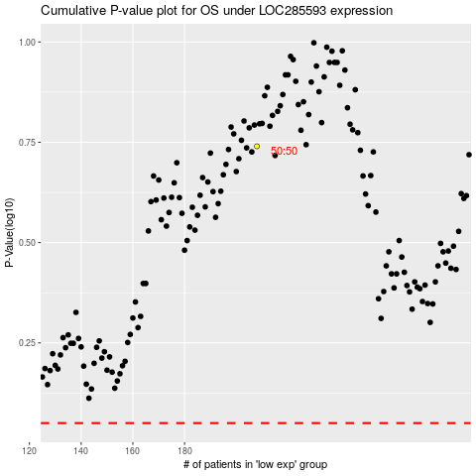

 |  |  |  |  |  | cases_OS | p_OS | rank | exp
 |  |  |  |  |  |  | cases_RFS | p_RFS | rank | exp

