LOC285768 _multivariate
Reported by Tex Li-Hsing Chi. tex@gate.sinica.edu.tw 2019-08-18

Table 2. The clinicopathological features of HNSCC cohort and LOC285768 expression. (Chi square test)
Cutoff at -0.074 (63.0%)
 |  | LOC285768 expression |  | LOC285768 expression |  | (Optimised)
 | Features | Low | (%) | High | (%) | Case no | P-value | Remark | Matthews
Gender | Female | 185 | 44.6 | 121 | 29.2 | 415 | 0.0756 | 0 | 0
2 | Male | 77 | 18.6 | 32 | 7.7
Age at diagnosis | <=65y | 167 | 40.2 | 107 | 25.8 | 415 | 0.2388 | 0 | 0
4 | >65y | 95 | 22.9 | 46 | 11.1
Clinical T Status | T1+T2 | 89 | 21.4 | 60 | 14.5 | 415 | 0.3327 | 0 | 0
6 | T3+T4 | 173 | 41.7 | 93 | 22.4
Clinical N Status | N0 | 138 | 33.3 | 78 | 18.8 | 415 | 0.8174 | 0 | 0
8 | N1-3 | 124 | 29.9 | 75 | 18.1
Clinical M Status | M0 | 261 | 62.9 | 151 | 36.4 | 415 | 0.5577 | 0 | 0
10 | M1 | 1 | 0.2 | 2 | 0.5
Clinical Stage | Stage I+II | 60 | 14.5 | 42 | 10.1 | 415 | 0.3573 | 0 | 0
12 | Stage III+IV | 202 | 48.7 | 111 | 26.7
Surgical Margin status | Negative | 203 | 48.9 | 115 | 27.7 | 415 | 0.6311 | 0 | 0
14 | Positive | 59 | 14.2 | 38 | 9.2
Tobacco Exposure | Low | 103 | 24.8 | 58 | 14 | 415 | 0.8348 | 0 | 0
16 | High | 159 | 38.3 | 95 | 22.9

Table 3. Univariate/Multivariate Cox's proportional hazards regression analyses on OS time of LOC285768 gene expression in HNSCC

 |  | Univariate |  |  |  | Multivariate
 | Features | HR | CI95%(L) | CI95%(H) | P-value | HR | CI95%(L) | CI95%(H) | P-value
1 | Female | 1 |  |  |  | 1
Gender | Male | 1.157 | 0.843 | 1.587 | 0.367 | 1.125 | 0.801 | 1.581 | 0.496
11 | <=65y | 1 |  |  |  | 1
Age at diagnosis | >65y | 1.329 | 0.99 | 1.784 | 0.058 | 1.371 | 1.007 | 1.867 | 0.045
12 | T1+T2 | 1 |  |  |  | 1
Clinical T Status | T3+T4 | 1.409 | 1.028 | 1.931 | 0.033 | 2.24 | 1.184 | 4.238 | 0.013
13 | N0 | 1 |  |  |  | 1
Clinical N Status | N1-3 | 1.185 | 0.89 | 1.577 | 0.246 | 1.284 | 0.899 | 1.833 | 0.17
14 | M0 | 1 |  |  |  | 1
Clinical M Status | M1 | 4.097 | 1.009 | 16.644 | 0.049 | 10.789 | 2.341 | 49.71 | 0.002
15 | Stage I+II | 1 |  |  |  | 1
Clinical Stage | Stage III+IV | 1.245 | 0.882 | 1.759 | 0.213 | 0.489 | 0.228 | 1.049 | 0.066
16 | Negative | 1 |  |  |  | 1
Surgical Margin status | Positive | 1.591 | 1.155 | 2.191 | 0.004 | 1.721 | 1.245 | 2.379 | 0.001
17 | Low | 1 |  |  |  | 1
Tobacco Exposure | High | 1.364 | 1.008 | 1.844 | 0.044 | 1.431 | 1.036 | 1.977 | 0.03
18 | Low | 1 |  |  |  | 1
RNAseq(z-score) | High | 0.717 | 0.526 | 0.977 | 0.035 | 0.698 | 0.508 | 0.959 | 0.027

Table 4. Univariate/Multivariate Cox's proportional hazards regression analyses on RFS time of LOC285768 gene expression in HNSCC

 |  | Univariate |  |  |  | Multivariate
 | Features | HR | CI95%(L) | CI95%(H) | P-value | HR | CI95%(L) | CI95%(H) | P-value
1 | Female | 1 |  |  |  | 1
Gender | Male | 1.157 | 0.843 | 1.587 | 0.367 | 1.125 | 0.801 | 1.581 | 0.496
11 | <=65y | 1 |  |  |  | 1
Age at diagnosis | >65y | 1.329 | 0.99 | 1.784 | 0.058 | 1.371 | 1.007 | 1.867 | 0.045
12 | T1+T2 | 1 |  |  |  | 1
Clinical T Status | T3+T4 | 1.409 | 1.028 | 1.931 | 0.033 | 2.24 | 1.184 | 4.238 | 0.013
13 | N0 | 1 |  |  |  | 1
Clinical N Status | N1-3 | 1.185 | 0.89 | 1.577 | 0.246 | 1.284 | 0.899 | 1.833 | 0.17
14 | M0 | 1 |  |  |  | 1
Clinical M Status | M1 | 4.097 | 1.009 | 16.644 | 0.049 | 10.789 | 2.341 | 49.71 | 0.002
15 | Stage I+II | 1 |  |  |  | 1
Clinical Stage | Stage III+IV | 1.245 | 0.882 | 1.759 | 0.213 | 0.489 | 0.228 | 1.049 | 0.066
16 | Negative | 1 |  |  |  | 1
Surgical Margin status | Positive | 1.591 | 1.155 | 2.191 | 0.004 | 1.721 | 1.245 | 2.379 | 0.001
17 | Low | 1 |  |  |  | 1
Tobacco Exposure | High | 1.364 | 1.008 | 1.844 | 0.044 | 1.431 | 1.036 | 1.977 | 0.03
18 | Low | 1 |  |  |  | 1
RNAseq(z-score) | High | 0.717 | 0.526 | 0.977 | 0.035 | 0.698 | 0.508 | 0.959 | 0.027

Kaplan-Meier survival estimate: Cutoff at -0.074 (63.0%)

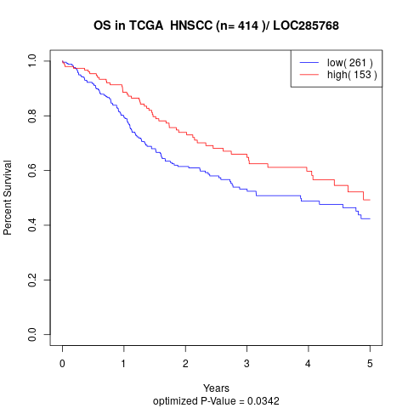

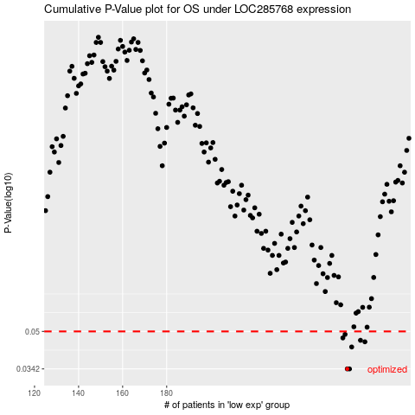

 |  |  |  |  |  | cases_OS | p_OS | rank | exp
 |  |  |  |  |  | 262 | 0.0342 | 146 | -0.073904171323
 |  |  |  |  |  | 263 | 0.0342 | 311 | -0.073904171323
 |  |  |  |  |  | 264 | 0.0427 | 327 | -0.073437868752
 |  |  |  |  |  | 270 | 0.045 | 335 | -0.064245046634
 |  |  |  |  |  | 268 | 0.0457 | 131 | -0.068219720932
 |  |  |  |  |  | 260 | 0.0468 | 145 | -0.078433967729
 |  |  |  |  |  | 261 | 0.0485 | 155 | -0.076413323254
 |  |  |  |  |  |  | cases_RFS | p_RFS | rank | exp
 |  |  |  |  |  |  | 262 | 0.0342 | 146 | -0.073904171323
 |  |  |  |  |  |  | 261 | 0.0342 | 155 | -0.076413323254
 |  |  |  |  |  |  | 263 | 0.0427 | 311 | -0.073904171323
 |  |  |  |  |  |  | 269 | 0.045 | 250 | -0.065599544579
 |  |  |  |  |  |  | 267 | 0.0457 | 66 | -0.071295097413
 |  |  |  |  |  |  | 259 | 0.0468 | 216 | -0.080643353722
 |  |  |  |  |  |  | 260 | 0.0485 | 145 | -0.078433967729

