LOC285954 _multivariate
Reported by Tex Li-Hsing Chi. tex@gate.sinica.edu.tw 2019-08-18

Table 2. The clinicopathological features of HNSCC cohort and LOC285954 expression. (Chi square test)
Cutoff at -0.282 (49.8%)
 |  | LOC285954 expression |  | LOC285954 expression |  | (Optimised)
 | Features | Low | (%) | High | (%) | Case no | P-value | Remark | Matthews
Gender | Female | 158 | 38.1 | 148 | 35.7 | 415 | 0.2774 | 0 | 0
2 | Male | 49 | 11.8 | 60 | 14.5
Age at diagnosis | <=65y | 132 | 31.8 | 142 | 34.2 | 415 | 0.3874 | 0 | 0
4 | >65y | 75 | 18.1 | 66 | 15.9
Clinical T Status | T1+T2 | 68 | 16.4 | 81 | 19.5 | 415 | 0.2336 | 0 | 0
6 | T3+T4 | 139 | 33.5 | 127 | 30.6
Clinical N Status | N0 | 110 | 26.5 | 106 | 25.5 | 415 | 0.7294 | 0 | 0
8 | N1-3 | 97 | 23.4 | 102 | 24.6
Clinical M Status | M0 | 206 | 49.6 | 206 | 49.6 | 415 | 1 | 0 | 0
10 | M1 | 1 | 0.2 | 2 | 0.5
Clinical Stage | Stage I+II | 42 | 10.1 | 60 | 14.5 | 415 | 0.0561 | 0 | 0
12 | Stage III+IV | 165 | 39.8 | 148 | 35.7
Surgical Margin status | Negative | 154 | 37.1 | 164 | 39.5 | 415 | 0.2984 | 0 | 0
14 | Positive | 53 | 12.8 | 44 | 10.6
Tobacco Exposure | Low | 71 | 17.1 | 90 | 21.7 | 415 | 0.0698 | 0 | 0
16 | High | 136 | 32.8 | 118 | 28.4

Table 3. Univariate/Multivariate Cox's proportional hazards regression analyses on OS time of LOC285954 gene expression in HNSCC

 |  | Univariate |  |  |  | Multivariate
 | Features | HR | CI95%(L) | CI95%(H) | P-value | HR | CI95%(L) | CI95%(H) | P-value
1 | Female | 1 |  |  |  | 1
Gender | Male | 1.157 | 0.843 | 1.587 | 0.367 | 1.199 | 0.858 | 1.675 | 0.289
11 | <=65y | 1 |  |  |  | 1
Age at diagnosis | >65y | 1.329 | 0.99 | 1.784 | 0.058 | 1.423 | 1.042 | 1.942 | 0.026
12 | T1+T2 | 1 |  |  |  | 1
Clinical T Status | T3+T4 | 1.409 | 1.028 | 1.931 | 0.033 | 2.164 | 1.144 | 4.096 | 0.018
13 | N0 | 1 |  |  |  | 1
Clinical N Status | N1-3 | 1.185 | 0.89 | 1.577 | 0.246 | 1.219 | 0.852 | 1.743 | 0.278
14 | M0 | 1 |  |  |  | 1
Clinical M Status | M1 | 4.097 | 1.009 | 16.644 | 0.049 | 9.13 | 1.99 | 41.899 | 0.004
15 | Stage I+II | 1 |  |  |  | 1
Clinical Stage | Stage III+IV | 1.245 | 0.882 | 1.759 | 0.213 | 0.532 | 0.246 | 1.151 | 0.109
16 | Negative | 1 |  |  |  | 1
Surgical Margin status | Positive | 1.591 | 1.155 | 2.191 | 0.004 | 1.667 | 1.206 | 2.303 | 0.002
17 | Low | 1 |  |  |  | 1
Tobacco Exposure | High | 1.364 | 1.008 | 1.844 | 0.044 | 1.469 | 1.065 | 2.027 | 0.019
18 | Low | 1 |  |  |  | 1
RNAseq(z-score) | High | 1.105 | 0.829 | 1.471 | 0.496 | 1.157 | 0.86 | 1.556 | 0.336

Table 4. Univariate/Multivariate Cox's proportional hazards regression analyses on RFS time of LOC285954 gene expression in HNSCC

 |  | Univariate |  |  |  | Multivariate
 | Features | HR | CI95%(L) | CI95%(H) | P-value | HR | CI95%(L) | CI95%(H) | P-value
1 | Female | 1 |  |  |  | 1
Gender | Male | 1.157 | 0.843 | 1.587 | 0.367 | 1.199 | 0.858 | 1.675 | 0.289
11 | <=65y | 1 |  |  |  | 1
Age at diagnosis | >65y | 1.329 | 0.99 | 1.784 | 0.058 | 1.423 | 1.042 | 1.942 | 0.026
12 | T1+T2 | 1 |  |  |  | 1
Clinical T Status | T3+T4 | 1.409 | 1.028 | 1.931 | 0.033 | 2.164 | 1.144 | 4.096 | 0.018
13 | N0 | 1 |  |  |  | 1
Clinical N Status | N1-3 | 1.185 | 0.89 | 1.577 | 0.246 | 1.219 | 0.852 | 1.743 | 0.278
14 | M0 | 1 |  |  |  | 1
Clinical M Status | M1 | 4.097 | 1.009 | 16.644 | 0.049 | 9.13 | 1.99 | 41.899 | 0.004
15 | Stage I+II | 1 |  |  |  | 1
Clinical Stage | Stage III+IV | 1.245 | 0.882 | 1.759 | 0.213 | 0.532 | 0.246 | 1.151 | 0.109
16 | Negative | 1 |  |  |  | 1
Surgical Margin status | Positive | 1.591 | 1.155 | 2.191 | 0.004 | 1.667 | 1.206 | 2.303 | 0.002
17 | Low | 1 |  |  |  | 1
Tobacco Exposure | High | 1.364 | 1.008 | 1.844 | 0.044 | 1.469 | 1.065 | 2.027 | 0.019
18 | Low | 1 |  |  |  | 1
RNAseq(z-score) | High | 1.105 | 0.829 | 1.471 | 0.496 | 1.157 | 0.86 | 1.556 | 0.336

Kaplan-Meier survival estimate: Cutoff at -0.282 (49.8%)

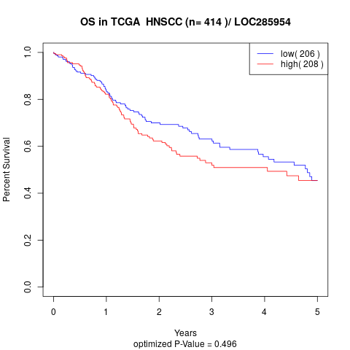

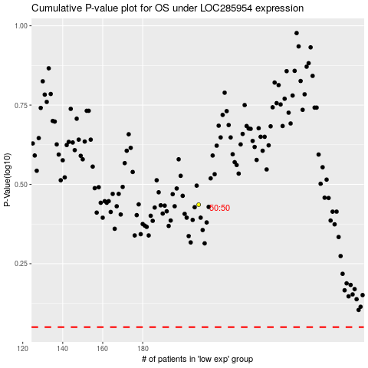

 |  |  |  |  |  | cases_OS | p_OS | rank | exp
 |  |  |  |  |  |  | cases_RFS | p_RFS | rank | exp

