LOC286467 _multivariate
Reported by Tex Li-Hsing Chi. tex@gate.sinica.edu.tw 2019-08-18

Table 2. The clinicopathological features of HNSCC cohort and LOC286467 expression. (Chi square test)
Cutoff at -0.289 (49.8%)
 |  | LOC286467 expression |  | LOC286467 expression |  | (Optimised)
 | Features | Low | (%) | High | (%) | Case no | P-value | Remark | Matthews
Gender | Female | 151 | 36.4 | 155 | 37.3 | 415 | 0.8007 | 0 | 0
2 | Male | 56 | 13.5 | 53 | 12.8
Age at diagnosis | <=65y | 135 | 32.5 | 139 | 33.5 | 415 | 0.8084 | 0 | 0
4 | >65y | 72 | 17.3 | 69 | 16.6
Clinical T Status | T1+T2 | 85 | 20.5 | 64 | 15.4 | 415 | 0.0372 | 1 | 0
6 | T3+T4 | 122 | 29.4 | 144 | 34.7
Clinical N Status | N0 | 111 | 26.7 | 105 | 25.3 | 415 | 0.5875 | 0 | 0
8 | N1-3 | 96 | 23.1 | 103 | 24.8
Clinical M Status | M0 | 205 | 49.4 | 207 | 49.9 | 415 | 0.6232 | 0 | 0
10 | M1 | 2 | 0.5 | 1 | 0.2
Clinical Stage | Stage I+II | 60 | 14.5 | 42 | 10.1 | 415 | 0.0493 | 1 | 0
12 | Stage III+IV | 147 | 35.4 | 166 | 40
Surgical Margin status | Negative | 162 | 39 | 156 | 37.6 | 415 | 0.4867 | 0 | 0
14 | Positive | 45 | 10.8 | 52 | 12.5
Tobacco Exposure | Low | 90 | 21.7 | 71 | 17.1 | 415 | 0.0559 | 0 | 0
16 | High | 117 | 28.2 | 137 | 33

Table 3. Univariate/Multivariate Cox's proportional hazards regression analyses on OS time of LOC286467 gene expression in HNSCC

 |  | Univariate |  |  |  | Multivariate
 | Features | HR | CI95%(L) | CI95%(H) | P-value | HR | CI95%(L) | CI95%(H) | P-value
1 | Female | 1 |  |  |  | 1
Gender | Male | 1.157 | 0.843 | 1.587 | 0.367 | 1.195 | 0.855 | 1.67 | 0.297
11 | <=65y | 1 |  |  |  | 1
Age at diagnosis | >65y | 1.329 | 0.99 | 1.784 | 0.058 | 1.389 | 1.021 | 1.888 | 0.036
12 | T1+T2 | 1 |  |  |  | 1
Clinical T Status | T3+T4 | 1.409 | 1.028 | 1.931 | 0.033 | 2.224 | 1.176 | 4.207 | 0.014
13 | N0 | 1 |  |  |  | 1
Clinical N Status | N1-3 | 1.185 | 0.89 | 1.577 | 0.246 | 1.246 | 0.873 | 1.778 | 0.225
14 | M0 | 1 |  |  |  | 1
Clinical M Status | M1 | 4.097 | 1.009 | 16.644 | 0.049 | 9.299 | 2.029 | 42.626 | 0.004
15 | Stage I+II | 1 |  |  |  | 1
Clinical Stage | Stage III+IV | 1.245 | 0.882 | 1.759 | 0.213 | 0.509 | 0.237 | 1.094 | 0.084
16 | Negative | 1 |  |  |  | 1
Surgical Margin status | Positive | 1.591 | 1.155 | 2.191 | 0.004 | 1.679 | 1.216 | 2.32 | 0.002
17 | Low | 1 |  |  |  | 1
Tobacco Exposure | High | 1.364 | 1.008 | 1.844 | 0.044 | 1.468 | 1.065 | 2.025 | 0.019
18 | Low | 1 |  |  |  | 1
RNAseq(z-score) | High | 0.943 | 0.708 | 1.256 | 0.689 | 0.877 | 0.655 | 1.175 | 0.38

Table 4. Univariate/Multivariate Cox's proportional hazards regression analyses on RFS time of LOC286467 gene expression in HNSCC

 |  | Univariate |  |  |  | Multivariate
 | Features | HR | CI95%(L) | CI95%(H) | P-value | HR | CI95%(L) | CI95%(H) | P-value
1 | Female | 1 |  |  |  | 1
Gender | Male | 1.157 | 0.843 | 1.587 | 0.367 | 1.195 | 0.855 | 1.67 | 0.297
11 | <=65y | 1 |  |  |  | 1
Age at diagnosis | >65y | 1.329 | 0.99 | 1.784 | 0.058 | 1.389 | 1.021 | 1.888 | 0.036
12 | T1+T2 | 1 |  |  |  | 1
Clinical T Status | T3+T4 | 1.409 | 1.028 | 1.931 | 0.033 | 2.224 | 1.176 | 4.207 | 0.014
13 | N0 | 1 |  |  |  | 1
Clinical N Status | N1-3 | 1.185 | 0.89 | 1.577 | 0.246 | 1.246 | 0.873 | 1.778 | 0.225
14 | M0 | 1 |  |  |  | 1
Clinical M Status | M1 | 4.097 | 1.009 | 16.644 | 0.049 | 9.299 | 2.029 | 42.626 | 0.004
15 | Stage I+II | 1 |  |  |  | 1
Clinical Stage | Stage III+IV | 1.245 | 0.882 | 1.759 | 0.213 | 0.509 | 0.237 | 1.094 | 0.084
16 | Negative | 1 |  |  |  | 1
Surgical Margin status | Positive | 1.591 | 1.155 | 2.191 | 0.004 | 1.679 | 1.216 | 2.32 | 0.002
17 | Low | 1 |  |  |  | 1
Tobacco Exposure | High | 1.364 | 1.008 | 1.844 | 0.044 | 1.468 | 1.065 | 2.025 | 0.019
18 | Low | 1 |  |  |  | 1
RNAseq(z-score) | High | 0.943 | 0.708 | 1.256 | 0.689 | 0.877 | 0.655 | 1.175 | 0.38

Kaplan-Meier survival estimate: Cutoff at -0.289 (49.8%)

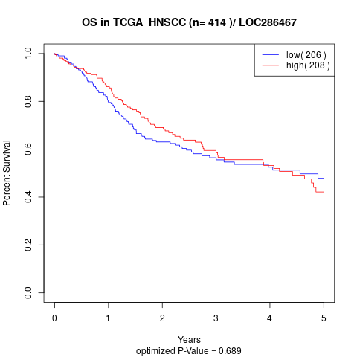

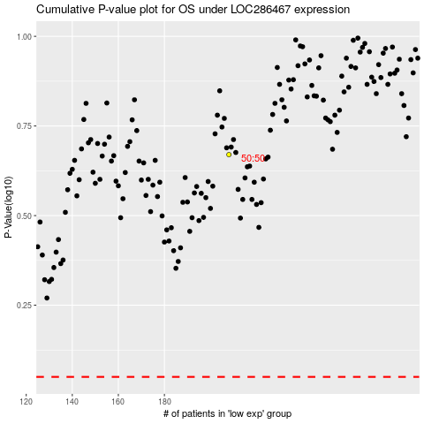

 |  |  |  |  |  | cases_OS | p_OS | rank | exp
 |  |  |  |  |  |  | cases_RFS | p_RFS | rank | exp

