LOC338758 _multivariate
Reported by Tex Li-Hsing Chi. tex@gate.sinica.edu.tw 2019-08-18

Table 2. The clinicopathological features of HNSCC cohort and LOC338758 expression. (Chi square test)
Cutoff at -0.364 (42.8%)
 |  | LOC338758 expression |  | LOC338758 expression |  | (Optimised)
 | Features | Low | (%) | High | (%) | Case no | P-value | Remark | Matthews
Gender | Female | 127 | 30.6 | 179 | 43.1 | 415 | 0.3982 | 0 | 0
2 | Male | 51 | 12.3 | 58 | 14
Age at diagnosis | <=65y | 115 | 27.7 | 159 | 38.3 | 415 | 0.6718 | 0 | 0
4 | >65y | 63 | 15.2 | 78 | 18.8
Clinical T Status | T1+T2 | 66 | 15.9 | 83 | 20 | 415 | 0.7421 | 0 | 0
6 | T3+T4 | 112 | 27 | 154 | 37.1
Clinical N Status | N0 | 90 | 21.7 | 126 | 30.4 | 415 | 0.6701 | 0 | 0
8 | N1-3 | 88 | 21.2 | 111 | 26.7
Clinical M Status | M0 | 175 | 42.2 | 237 | 57.1 | 415 | 0.0781 | 0 | 0
10 | M1 | 3 | 0.7 | 0 | 0
Clinical Stage | Stage I+II | 46 | 11.1 | 56 | 13.5 | 415 | 0.6867 | 0 | 0
12 | Stage III+IV | 132 | 31.8 | 181 | 43.6
Surgical Margin status | Negative | 137 | 33 | 181 | 43.6 | 415 | 0.9072 | 0 | 0
14 | Positive | 41 | 9.9 | 56 | 13.5
Tobacco Exposure | Low | 71 | 17.1 | 90 | 21.7 | 415 | 0.7602 | 0 | 0
16 | High | 107 | 25.8 | 147 | 35.4

Table 3. Univariate/Multivariate Cox's proportional hazards regression analyses on OS time of LOC338758 gene expression in HNSCC

 |  | Univariate |  |  |  | Multivariate
 | Features | HR | CI95%(L) | CI95%(H) | P-value | HR | CI95%(L) | CI95%(H) | P-value
1 | Female | 1 |  |  |  | 1
Gender | Male | 1.157 | 0.843 | 1.587 | 0.367 | 1.185 | 0.847 | 1.658 | 0.322
11 | <=65y | 1 |  |  |  | 1
Age at diagnosis | >65y | 1.329 | 0.99 | 1.784 | 0.058 | 1.381 | 1.014 | 1.88 | 0.04
12 | T1+T2 | 1 |  |  |  | 1
Clinical T Status | T3+T4 | 1.409 | 1.028 | 1.931 | 0.033 | 2.228 | 1.177 | 4.217 | 0.014
13 | N0 | 1 |  |  |  | 1
Clinical N Status | N1-3 | 1.185 | 0.89 | 1.577 | 0.246 | 1.197 | 0.838 | 1.709 | 0.323
14 | M0 | 1 |  |  |  | 1
Clinical M Status | M1 | 4.097 | 1.009 | 16.644 | 0.049 | 7.831 | 1.697 | 36.132 | 0.008
15 | Stage I+II | 1 |  |  |  | 1
Clinical Stage | Stage III+IV | 1.245 | 0.882 | 1.759 | 0.213 | 0.514 | 0.239 | 1.104 | 0.088
16 | Negative | 1 |  |  |  | 1
Surgical Margin status | Positive | 1.591 | 1.155 | 2.191 | 0.004 | 1.705 | 1.233 | 2.358 | 0.001
17 | Low | 1 |  |  |  | 1
Tobacco Exposure | High | 1.364 | 1.008 | 1.844 | 0.044 | 1.494 | 1.081 | 2.064 | 0.015
18 | Low | 1 |  |  |  | 1
RNAseq(z-score) | High | 0.677 | 0.508 | 0.902 | 0.008 | 0.676 | 0.505 | 0.905 | 0.008

Table 4. Univariate/Multivariate Cox's proportional hazards regression analyses on RFS time of LOC338758 gene expression in HNSCC

 |  | Univariate |  |  |  | Multivariate
 | Features | HR | CI95%(L) | CI95%(H) | P-value | HR | CI95%(L) | CI95%(H) | P-value
1 | Female | 1 |  |  |  | 1
Gender | Male | 1.157 | 0.843 | 1.587 | 0.367 | 1.185 | 0.847 | 1.658 | 0.322
11 | <=65y | 1 |  |  |  | 1
Age at diagnosis | >65y | 1.329 | 0.99 | 1.784 | 0.058 | 1.381 | 1.014 | 1.88 | 0.04
12 | T1+T2 | 1 |  |  |  | 1
Clinical T Status | T3+T4 | 1.409 | 1.028 | 1.931 | 0.033 | 2.228 | 1.177 | 4.217 | 0.014
13 | N0 | 1 |  |  |  | 1
Clinical N Status | N1-3 | 1.185 | 0.89 | 1.577 | 0.246 | 1.197 | 0.838 | 1.709 | 0.323
14 | M0 | 1 |  |  |  | 1
Clinical M Status | M1 | 4.097 | 1.009 | 16.644 | 0.049 | 7.831 | 1.697 | 36.132 | 0.008
15 | Stage I+II | 1 |  |  |  | 1
Clinical Stage | Stage III+IV | 1.245 | 0.882 | 1.759 | 0.213 | 0.514 | 0.239 | 1.104 | 0.088
16 | Negative | 1 |  |  |  | 1
Surgical Margin status | Positive | 1.591 | 1.155 | 2.191 | 0.004 | 1.705 | 1.233 | 2.358 | 0.001
17 | Low | 1 |  |  |  | 1
Tobacco Exposure | High | 1.364 | 1.008 | 1.844 | 0.044 | 1.494 | 1.081 | 2.064 | 0.015
18 | Low | 1 |  |  |  | 1
RNAseq(z-score) | High | 0.677 | 0.508 | 0.902 | 0.008 | 0.676 | 0.505 | 0.905 | 0.008

Kaplan-Meier survival estimate: Cutoff at -0.364 (42.8%)

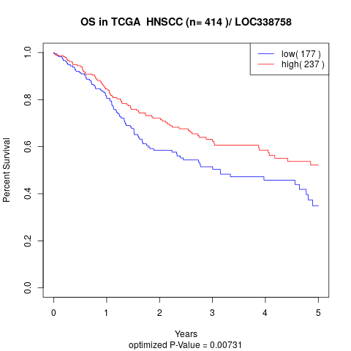

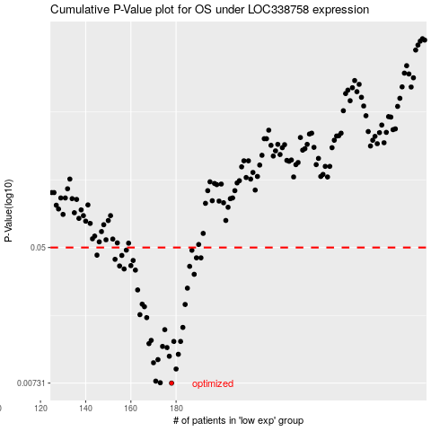

 |  |  |  |  |  | cases_OS | p_OS | rank | exp
 |  |  |  |  |  | 178 | 0.00731 | 26 | -0.36443087057
 |  |  |  |  |  | 173 | 0.00735 | 232 | -0.37394586192
 |  |  |  |  |  | 171 | 0.00752 | 141 | -0.38535539377
 |  |  |  |  |  | 180 | 0.00893 | 334 | -0.35142282018
 |  |  |  |  |  | 170 | 0.00976 | 375 | -0.38960965212
 |  |  |  |  |  | 172 | 0.0102 | 23 | -0.38505091404
 |  |  |  |  |  | 177 | 0.0107 | 214 | -0.36678213066
 |  |  |  |  |  | 181 | 0.011 | 91 | -0.34838648072
 |  |  |  |  |  | 176 | 0.0121 | 211 | -0.37138315758
 |  |  |  |  |  | 174 | 0.0123 | 300 | -0.37380207983
 |  |  |  |  |  | 168 | 0.0128 | 356 | -0.39588531752
 |  |  |  |  |  | 179 | 0.0132 | 287 | -0.3546113995
 |  |  |  |  |  | 182 | 0.0132 | 357 | -0.34309614553
 |  |  |  |  |  | 169 | 0.0134 | 385 | -0.39121239955
 |  |  |  |  |  | 175 | 0.0156 | 161 | -0.37357794892
 |  |  |  |  |  | 183 | 0.0161 | 140 | -0.34265634148
 |  |  |  |  |  | 167 | 0.0185 | 377 | -0.40102764174
 |  |  |  |  |  | 164 | 0.0193 | 383 | -0.41261055787
 |  |  |  |  |  | 166 | 0.0216 | 322 | -0.40740902927
 |  |  |  |  |  | 184 | 0.0223 | 150 | -0.33966651976
 |  |  |  |  |  | 165 | 0.0224 | 212 | -0.40933740085
 |  |  |  |  |  | 163 | 0.0274 | 261 | -0.42316162605
 |  |  |  |  |  | 185 | 0.0281 | 195 | -0.33804685679
 |  |  |  |  |  | 188 | 0.0342 | 400 | -0.32549552598
 |  |  |  |  |  | 162 | 0.0363 | 339 | -0.42637557869
 |  |  |  |  |  | 157 | 0.0369 | 397 | -0.43772167726
 |  |  |  |  |  | 186 | 0.0383 | 75 | -0.3268741425
 |  |  |  |  |  | 155 | 0.0385 | 292 | -0.43871123636
 |  |  |  |  |  | 160 | 0.0387 | 98 | -0.43465150672
 |  |  |  |  |  | 161 | 0.0416 | 142 | -0.43117536321
 |  |  |  |  |  | 153 | 0.0423 | 112 | -0.45229018623
 |  |  |  |  |  | 189 | 0.0432 | 31 | -0.32411268057
 |  |  |  |  |  | 191 | 0.0432 | 231 | -0.3164964586
 |  |  |  |  |  | 156 | 0.0447 | 338 | -0.43851670765
 |  |  |  |  |  | 145 | 0.0449 | 95 | -0.47040250087
 |  |  |  |  |  | 187 | 0.0481 | 413 | -0.32667115602
 |  |  |  |  |  | 158 | 0.0482 | 332 | -0.43702814011
 |  |  |  |  |  |  | cases_RFS | p_RFS | rank | exp
 |  |  |  |  |  |  | 177 | 0.00731 | 214 | -0.36678213066
 |  |  |  |  |  |  | 172 | 0.00735 | 23 | -0.38505091404
 |  |  |  |  |  |  | 170 | 0.00752 | 375 | -0.38960965212
 |  |  |  |  |  |  | 179 | 0.00893 | 287 | -0.3546113995
 |  |  |  |  |  |  | 169 | 0.00976 | 385 | -0.39121239955
 |  |  |  |  |  |  | 171 | 0.0102 | 141 | -0.38535539377
 |  |  |  |  |  |  | 176 | 0.0107 | 211 | -0.37138315758
 |  |  |  |  |  |  | 180 | 0.011 | 334 | -0.35142282018
 |  |  |  |  |  |  | 175 | 0.0121 | 161 | -0.37357794892
 |  |  |  |  |  |  | 173 | 0.0123 | 232 | -0.37394586192
 |  |  |  |  |  |  | 167 | 0.0128 | 377 | -0.40102764174
 |  |  |  |  |  |  | 178 | 0.0132 | 26 | -0.36443087057
 |  |  |  |  |  |  | 181 | 0.0132 | 91 | -0.34838648072
 |  |  |  |  |  |  | 168 | 0.0134 | 356 | -0.39588531752
 |  |  |  |  |  |  | 174 | 0.0156 | 300 | -0.37380207983
 |  |  |  |  |  |  | 182 | 0.0161 | 357 | -0.34309614553
 |  |  |  |  |  |  | 166 | 0.0185 | 322 | -0.40740902927
 |  |  |  |  |  |  | 163 | 0.0193 | 261 | -0.42316162605
 |  |  |  |  |  |  | 165 | 0.0216 | 212 | -0.40933740085
 |  |  |  |  |  |  | 183 | 0.0223 | 140 | -0.34265634148
 |  |  |  |  |  |  | 164 | 0.0224 | 383 | -0.41261055787
 |  |  |  |  |  |  | 162 | 0.0274 | 339 | -0.42637557869
 |  |  |  |  |  |  | 184 | 0.0281 | 150 | -0.33966651976
 |  |  |  |  |  |  | 187 | 0.0342 | 413 | -0.32667115602
 |  |  |  |  |  |  | 161 | 0.0363 | 142 | -0.43117536321
 |  |  |  |  |  |  | 156 | 0.0369 | 338 | -0.43851670765
 |  |  |  |  |  |  | 185 | 0.0383 | 195 | -0.33804685679
 |  |  |  |  |  |  | 154 | 0.0385 | 389 | -0.44360828524
 |  |  |  |  |  |  | 159 | 0.0387 | 70 | -0.43533235721
 |  |  |  |  |  |  | 160 | 0.0416 | 98 | -0.43465150672
 |  |  |  |  |  |  | 152 | 0.0423 | 67 | -0.45580861859
 |  |  |  |  |  |  | 190 | 0.0432 | 4 | -0.31670790286
 |  |  |  |  |  |  | 188 | 0.0432 | 400 | -0.32549552598
 |  |  |  |  |  |  | 155 | 0.0447 | 292 | -0.43871123636
 |  |  |  |  |  |  | 144 | 0.0449 | 186 | -0.47272415876
 |  |  |  |  |  |  | 186 | 0.0481 | 75 | -0.3268741425
 |  |  |  |  |  |  | 157 | 0.0482 | 397 | -0.43772167726

