LOC339047 _multivariate
Reported by Tex Li-Hsing Chi. tex@gate.sinica.edu.tw 2019-08-18

Table 2. The clinicopathological features of HNSCC cohort and LOC339047 expression. (Chi square test)
Cutoff at -0.308 (49.8%)
 |  | LOC339047 expression |  | LOC339047 expression |  | (Optimised)
 | Features | Low | (%) | High | (%) | Case no | P-value | Remark | Matthews
Gender | Female | 147 | 35.4 | 159 | 38.3 | 415 | 0.2523 | 0 | 0
2 | Male | 60 | 14.5 | 49 | 11.8
Age at diagnosis | <=65y | 131 | 31.6 | 143 | 34.5 | 415 | 0.2839 | 0 | 0
4 | >65y | 76 | 18.3 | 65 | 15.7
Clinical T Status | T1+T2 | 73 | 17.6 | 76 | 18.3 | 415 | 0.8666 | 0 | 0
6 | T3+T4 | 134 | 32.3 | 132 | 31.8
Clinical N Status | N0 | 107 | 25.8 | 109 | 26.3 | 415 | 0.9624 | 0 | 0
8 | N1-3 | 100 | 24.1 | 99 | 23.9
Clinical M Status | M0 | 206 | 49.6 | 206 | 49.6 | 415 | 1 | 0 | 0
10 | M1 | 1 | 0.2 | 2 | 0.5
Clinical Stage | Stage I+II | 55 | 13.3 | 47 | 11.3 | 415 | 0.4087 | 0 | 0
12 | Stage III+IV | 152 | 36.6 | 161 | 38.8
Surgical Margin status | Negative | 168 | 40.5 | 150 | 36.1 | 415 | 0.0366 | 1 | 0
14 | Positive | 39 | 9.4 | 58 | 14
Tobacco Exposure | Low | 88 | 21.2 | 73 | 17.6 | 415 | 0.1314 | 0 | 0
16 | High | 119 | 28.7 | 135 | 32.5

Table 3. Univariate/Multivariate Cox's proportional hazards regression analyses on OS time of LOC339047 gene expression in HNSCC

 |  | Univariate |  |  |  | Multivariate
 | Features | HR | CI95%(L) | CI95%(H) | P-value | HR | CI95%(L) | CI95%(H) | P-value
1 | Female | 1 |  |  |  | 1
Gender | Male | 1.157 | 0.843 | 1.587 | 0.367 | 1.18 | 0.846 | 1.647 | 0.33
11 | <=65y | 1 |  |  |  | 1
Age at diagnosis | >65y | 1.329 | 0.99 | 1.784 | 0.058 | 1.404 | 1.033 | 1.907 | 0.03
12 | T1+T2 | 1 |  |  |  | 1
Clinical T Status | T3+T4 | 1.409 | 1.028 | 1.931 | 0.033 | 2.123 | 1.122 | 4.016 | 0.021
13 | N0 | 1 |  |  |  | 1
Clinical N Status | N1-3 | 1.185 | 0.89 | 1.577 | 0.246 | 1.232 | 0.864 | 1.757 | 0.249
14 | M0 | 1 |  |  |  | 1
Clinical M Status | M1 | 4.097 | 1.009 | 16.644 | 0.049 | 9.438 | 2.059 | 43.27 | 0.004
15 | Stage I+II | 1 |  |  |  | 1
Clinical Stage | Stage III+IV | 1.245 | 0.882 | 1.759 | 0.213 | 0.535 | 0.249 | 1.149 | 0.109
16 | Negative | 1 |  |  |  | 1
Surgical Margin status | Positive | 1.591 | 1.155 | 2.191 | 0.004 | 1.764 | 1.271 | 2.449 | 0.001
17 | Low | 1 |  |  |  | 1
Tobacco Exposure | High | 1.364 | 1.008 | 1.844 | 0.044 | 1.493 | 1.082 | 2.06 | 0.015
18 | Low | 1 |  |  |  | 1
RNAseq(z-score) | High | 0.808 | 0.605 | 1.079 | 0.149 | 0.744 | 0.552 | 1.001 | 0.051

Table 4. Univariate/Multivariate Cox's proportional hazards regression analyses on RFS time of LOC339047 gene expression in HNSCC

 |  | Univariate |  |  |  | Multivariate
 | Features | HR | CI95%(L) | CI95%(H) | P-value | HR | CI95%(L) | CI95%(H) | P-value
1 | Female | 1 |  |  |  | 1
Gender | Male | 1.157 | 0.843 | 1.587 | 0.367 | 1.18 | 0.846 | 1.647 | 0.33
11 | <=65y | 1 |  |  |  | 1
Age at diagnosis | >65y | 1.329 | 0.99 | 1.784 | 0.058 | 1.404 | 1.033 | 1.907 | 0.03
12 | T1+T2 | 1 |  |  |  | 1
Clinical T Status | T3+T4 | 1.409 | 1.028 | 1.931 | 0.033 | 2.123 | 1.122 | 4.016 | 0.021
13 | N0 | 1 |  |  |  | 1
Clinical N Status | N1-3 | 1.185 | 0.89 | 1.577 | 0.246 | 1.232 | 0.864 | 1.757 | 0.249
14 | M0 | 1 |  |  |  | 1
Clinical M Status | M1 | 4.097 | 1.009 | 16.644 | 0.049 | 9.438 | 2.059 | 43.27 | 0.004
15 | Stage I+II | 1 |  |  |  | 1
Clinical Stage | Stage III+IV | 1.245 | 0.882 | 1.759 | 0.213 | 0.535 | 0.249 | 1.149 | 0.109
16 | Negative | 1 |  |  |  | 1
Surgical Margin status | Positive | 1.591 | 1.155 | 2.191 | 0.004 | 1.764 | 1.271 | 2.449 | 0.001
17 | Low | 1 |  |  |  | 1
Tobacco Exposure | High | 1.364 | 1.008 | 1.844 | 0.044 | 1.493 | 1.082 | 2.06 | 0.015
18 | Low | 1 |  |  |  | 1
RNAseq(z-score) | High | 0.808 | 0.605 | 1.079 | 0.149 | 0.744 | 0.552 | 1.001 | 0.051

Kaplan-Meier survival estimate: Cutoff at -0.308 (49.8%)



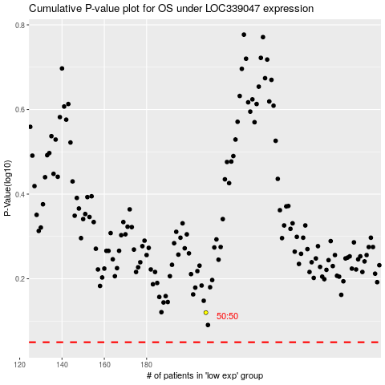

 |  |  |  |  |  | cases_OS | p_OS | rank | exp
 |  |  |  |  |  |  | cases_RFS | p_RFS | rank | exp

