LOC339290 _multivariate
Reported by Tex Li-Hsing Chi. tex@gate.sinica.edu.tw 2019-08-18

Table 2. The clinicopathological features of HNSCC cohort and LOC339290 expression. (Chi square test)
Cutoff at -0.208 (50.0%)
 |  | LOC339290 expression |  | LOC339290 expression |  | (Optimised)
 | Features | Low | (%) | High | (%) | Case no | P-value | Remark | Matthews
Gender | Female | 142 | 34.2 | 164 | 39.5 | 415 | 0.0238 | 1 | 0
2 | Male | 65 | 15.7 | 44 | 10.6
Age at diagnosis | <=65y | 124 | 29.9 | 150 | 36.1 | 415 | 0.0116 | 1 | 0
4 | >65y | 83 | 20 | 58 | 14
Clinical T Status | T1+T2 | 76 | 18.3 | 73 | 17.6 | 415 | 0.8092 | 0 | 0
6 | T3+T4 | 131 | 31.6 | 135 | 32.5
Clinical N Status | N0 | 110 | 26.5 | 106 | 25.5 | 415 | 0.7294 | 0 | 0
8 | N1-3 | 97 | 23.4 | 102 | 24.6
Clinical M Status | M0 | 206 | 49.6 | 206 | 49.6 | 415 | 1 | 0 | 0
10 | M1 | 1 | 0.2 | 2 | 0.5
Clinical Stage | Stage I+II | 54 | 13 | 48 | 11.6 | 415 | 0.5498 | 0 | 0
12 | Stage III+IV | 153 | 36.9 | 160 | 38.6
Surgical Margin status | Negative | 156 | 37.6 | 162 | 39 | 415 | 0.5636 | 0 | 0
14 | Positive | 51 | 12.3 | 46 | 11.1
Tobacco Exposure | Low | 98 | 23.6 | 63 | 15.2 | 415 | 4e-04 | 1 | 0
16 | High | 109 | 26.3 | 145 | 34.9

Table 3. Univariate/Multivariate Cox's proportional hazards regression analyses on OS time of LOC339290 gene expression in HNSCC

 |  | Univariate |  |  |  | Multivariate
 | Features | HR | CI95%(L) | CI95%(H) | P-value | HR | CI95%(L) | CI95%(H) | P-value
1 | Female | 1 |  |  |  | 1
Gender | Male | 1.157 | 0.843 | 1.587 | 0.367 | 1.213 | 0.867 | 1.698 | 0.259
11 | <=65y | 1 |  |  |  | 1
Age at diagnosis | >65y | 1.329 | 0.99 | 1.784 | 0.058 | 1.395 | 1.026 | 1.897 | 0.034
12 | T1+T2 | 1 |  |  |  | 1
Clinical T Status | T3+T4 | 1.409 | 1.028 | 1.931 | 0.033 | 2.216 | 1.171 | 4.193 | 0.014
13 | N0 | 1 |  |  |  | 1
Clinical N Status | N1-3 | 1.185 | 0.89 | 1.577 | 0.246 | 1.243 | 0.871 | 1.775 | 0.23
14 | M0 | 1 |  |  |  | 1
Clinical M Status | M1 | 4.097 | 1.009 | 16.644 | 0.049 | 9.41 | 2.052 | 43.144 | 0.004
15 | Stage I+II | 1 |  |  |  | 1
Clinical Stage | Stage III+IV | 1.245 | 0.882 | 1.759 | 0.213 | 0.496 | 0.231 | 1.069 | 0.073
16 | Negative | 1 |  |  |  | 1
Surgical Margin status | Positive | 1.591 | 1.155 | 2.191 | 0.004 | 1.68 | 1.215 | 2.324 | 0.002
17 | Low | 1 |  |  |  | 1
Tobacco Exposure | High | 1.364 | 1.008 | 1.844 | 0.044 | 1.438 | 1.041 | 1.986 | 0.027
18 | Low | 1 |  |  |  | 1
RNAseq(z-score) | High | 1.062 | 0.797 | 1.415 | 0.681 | 1.076 | 0.798 | 1.451 | 0.631

Table 4. Univariate/Multivariate Cox's proportional hazards regression analyses on RFS time of LOC339290 gene expression in HNSCC

 |  | Univariate |  |  |  | Multivariate
 | Features | HR | CI95%(L) | CI95%(H) | P-value | HR | CI95%(L) | CI95%(H) | P-value
1 | Female | 1 |  |  |  | 1
Gender | Male | 1.157 | 0.843 | 1.587 | 0.367 | 1.213 | 0.867 | 1.698 | 0.259
11 | <=65y | 1 |  |  |  | 1
Age at diagnosis | >65y | 1.329 | 0.99 | 1.784 | 0.058 | 1.395 | 1.026 | 1.897 | 0.034
12 | T1+T2 | 1 |  |  |  | 1
Clinical T Status | T3+T4 | 1.409 | 1.028 | 1.931 | 0.033 | 2.216 | 1.171 | 4.193 | 0.014
13 | N0 | 1 |  |  |  | 1
Clinical N Status | N1-3 | 1.185 | 0.89 | 1.577 | 0.246 | 1.243 | 0.871 | 1.775 | 0.23
14 | M0 | 1 |  |  |  | 1
Clinical M Status | M1 | 4.097 | 1.009 | 16.644 | 0.049 | 9.41 | 2.052 | 43.144 | 0.004
15 | Stage I+II | 1 |  |  |  | 1
Clinical Stage | Stage III+IV | 1.245 | 0.882 | 1.759 | 0.213 | 0.496 | 0.231 | 1.069 | 0.073
16 | Negative | 1 |  |  |  | 1
Surgical Margin status | Positive | 1.591 | 1.155 | 2.191 | 0.004 | 1.68 | 1.215 | 2.324 | 0.002
17 | Low | 1 |  |  |  | 1
Tobacco Exposure | High | 1.364 | 1.008 | 1.844 | 0.044 | 1.438 | 1.041 | 1.986 | 0.027
18 | Low | 1 |  |  |  | 1
RNAseq(z-score) | High | 1.062 | 0.797 | 1.415 | 0.681 | 1.076 | 0.798 | 1.451 | 0.631

Kaplan-Meier survival estimate: Cutoff at -0.208 (50.0%)

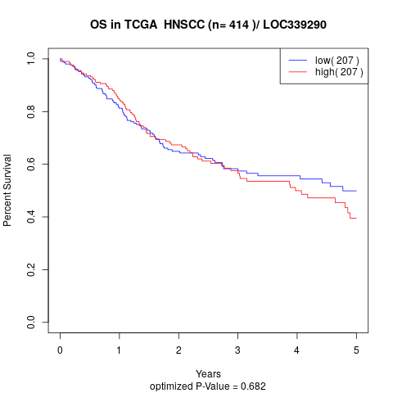

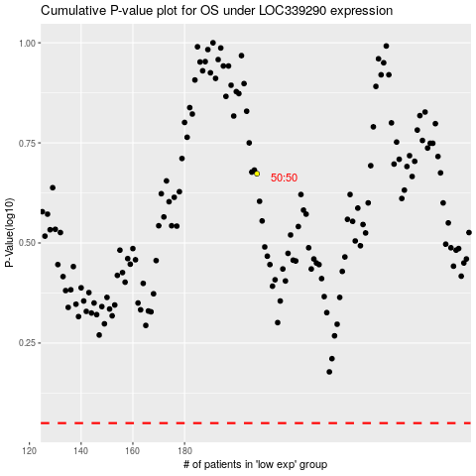

 |  |  |  |  |  | cases_OS | p_OS | rank | exp
 |  |  |  |  |  |  | cases_RFS | p_RFS | rank | exp

