LOC339674 _multivariate
Reported by Tex Li-Hsing Chi. tex@gate.sinica.edu.tw 2019-08-18

Table 2. The clinicopathological features of HNSCC cohort and LOC339674 expression. (Chi square test)
Cutoff at -0.325 (49.8%)
 |  | LOC339674 expression |  | LOC339674 expression |  | (Optimised)
 | Features | Low | (%) | High | (%) | Case no | P-value | Remark | Matthews
Gender | Female | 142 | 34.2 | 164 | 39.5 | 415 | 0.0238 | 1 | 0
2 | Male | 65 | 15.7 | 44 | 10.6
Age at diagnosis | <=65y | 131 | 31.6 | 143 | 34.5 | 415 | 0.2839 | 0 | 0
4 | >65y | 76 | 18.3 | 65 | 15.7
Clinical T Status | T1+T2 | 75 | 18.1 | 74 | 17.8 | 415 | 0.9707 | 0 | 0
6 | T3+T4 | 132 | 31.8 | 134 | 32.3
Clinical N Status | N0 | 108 | 26 | 108 | 26 | 415 | 1 | 0 | 0
8 | N1-3 | 99 | 23.9 | 100 | 24.1
Clinical M Status | M0 | 206 | 49.6 | 206 | 49.6 | 415 | 1 | 0 | 0
10 | M1 | 1 | 0.2 | 2 | 0.5
Clinical Stage | Stage I+II | 55 | 13.3 | 47 | 11.3 | 415 | 0.4087 | 0 | 0
12 | Stage III+IV | 152 | 36.6 | 161 | 38.8
Surgical Margin status | Negative | 170 | 41 | 148 | 35.7 | 415 | 0.0105 | 1 | 0
14 | Positive | 37 | 8.9 | 60 | 14.5
Tobacco Exposure | Low | 86 | 20.7 | 75 | 18.1 | 415 | 0.2687 | 0 | 0
16 | High | 121 | 29.2 | 133 | 32

Table 3. Univariate/Multivariate Cox's proportional hazards regression analyses on OS time of LOC339674 gene expression in HNSCC

 |  | Univariate |  |  |  | Multivariate
 | Features | HR | CI95%(L) | CI95%(H) | P-value | HR | CI95%(L) | CI95%(H) | P-value
1 | Female | 1 |  |  |  | 1
Gender | Male | 1.157 | 0.843 | 1.587 | 0.367 | 1.173 | 0.838 | 1.641 | 0.352
11 | <=65y | 1 |  |  |  | 1
Age at diagnosis | >65y | 1.329 | 0.99 | 1.784 | 0.058 | 1.383 | 1.017 | 1.881 | 0.039
12 | T1+T2 | 1 |  |  |  | 1
Clinical T Status | T3+T4 | 1.409 | 1.028 | 1.931 | 0.033 | 2.191 | 1.158 | 4.143 | 0.016
13 | N0 | 1 |  |  |  | 1
Clinical N Status | N1-3 | 1.185 | 0.89 | 1.577 | 0.246 | 1.231 | 0.864 | 1.756 | 0.25
14 | M0 | 1 |  |  |  | 1
Clinical M Status | M1 | 4.097 | 1.009 | 16.644 | 0.049 | 9.538 | 2.081 | 43.722 | 0.004
15 | Stage I+II | 1 |  |  |  | 1
Clinical Stage | Stage III+IV | 1.245 | 0.882 | 1.759 | 0.213 | 0.515 | 0.24 | 1.106 | 0.089
16 | Negative | 1 |  |  |  | 1
Surgical Margin status | Positive | 1.591 | 1.155 | 2.191 | 0.004 | 1.738 | 1.252 | 2.411 | 0.001
17 | Low | 1 |  |  |  | 1
Tobacco Exposure | High | 1.364 | 1.008 | 1.844 | 0.044 | 1.453 | 1.055 | 2.001 | 0.022
18 | Low | 1 |  |  |  | 1
RNAseq(z-score) | High | 0.846 | 0.635 | 1.129 | 0.257 | 0.812 | 0.604 | 1.091 | 0.167

Table 4. Univariate/Multivariate Cox's proportional hazards regression analyses on RFS time of LOC339674 gene expression in HNSCC

 |  | Univariate |  |  |  | Multivariate
 | Features | HR | CI95%(L) | CI95%(H) | P-value | HR | CI95%(L) | CI95%(H) | P-value
1 | Female | 1 |  |  |  | 1
Gender | Male | 1.157 | 0.843 | 1.587 | 0.367 | 1.173 | 0.838 | 1.641 | 0.352
11 | <=65y | 1 |  |  |  | 1
Age at diagnosis | >65y | 1.329 | 0.99 | 1.784 | 0.058 | 1.383 | 1.017 | 1.881 | 0.039
12 | T1+T2 | 1 |  |  |  | 1
Clinical T Status | T3+T4 | 1.409 | 1.028 | 1.931 | 0.033 | 2.191 | 1.158 | 4.143 | 0.016
13 | N0 | 1 |  |  |  | 1
Clinical N Status | N1-3 | 1.185 | 0.89 | 1.577 | 0.246 | 1.231 | 0.864 | 1.756 | 0.25
14 | M0 | 1 |  |  |  | 1
Clinical M Status | M1 | 4.097 | 1.009 | 16.644 | 0.049 | 9.538 | 2.081 | 43.722 | 0.004
15 | Stage I+II | 1 |  |  |  | 1
Clinical Stage | Stage III+IV | 1.245 | 0.882 | 1.759 | 0.213 | 0.515 | 0.24 | 1.106 | 0.089
16 | Negative | 1 |  |  |  | 1
Surgical Margin status | Positive | 1.591 | 1.155 | 2.191 | 0.004 | 1.738 | 1.252 | 2.411 | 0.001
17 | Low | 1 |  |  |  | 1
Tobacco Exposure | High | 1.364 | 1.008 | 1.844 | 0.044 | 1.453 | 1.055 | 2.001 | 0.022
18 | Low | 1 |  |  |  | 1
RNAseq(z-score) | High | 0.846 | 0.635 | 1.129 | 0.257 | 0.812 | 0.604 | 1.091 | 0.167

Kaplan-Meier survival estimate: Cutoff at -0.325 (49.8%)



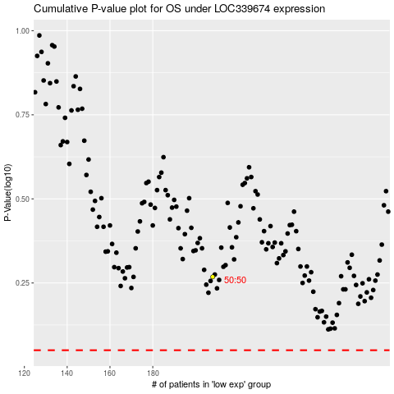

 |  |  |  |  |  | cases_OS | p_OS | rank | exp
 |  |  |  |  |  |  | cases_RFS | p_RFS | rank | exp

