LOC342346 _multivariate
Reported by Tex Li-Hsing Chi. tex@gate.sinica.edu.tw 2019-08-18

Table 2. The clinicopathological features of HNSCC cohort and LOC342346 expression. (Chi square test)
Cutoff at -0.536 (34.3%)
 |  | LOC342346 expression |  | LOC342346 expression |  | (Optimised)
 | Features | Low | (%) | High | (%) | Case no | P-value | Remark | Matthews
Gender | Female | 105 | 25.3 | 201 | 48.4 | 415 | 1 | 0 | 0
2 | Male | 37 | 8.9 | 72 | 17.3
Age at diagnosis | <=65y | 97 | 23.4 | 177 | 42.7 | 415 | 0.5486 | 0 | 0
4 | >65y | 45 | 10.8 | 96 | 23.1
Clinical T Status | T1+T2 | 50 | 12 | 99 | 23.9 | 415 | 0.917 | 0 | 0
6 | T3+T4 | 92 | 22.2 | 174 | 41.9
Clinical N Status | N0 | 74 | 17.8 | 142 | 34.2 | 415 | 1 | 0 | 0
8 | N1-3 | 68 | 16.4 | 131 | 31.6
Clinical M Status | M0 | 141 | 34 | 271 | 65.3 | 415 | 1 | 0 | 0
10 | M1 | 1 | 0.2 | 2 | 0.5
Clinical Stage | Stage I+II | 37 | 8.9 | 65 | 15.7 | 415 | 0.7008 | 0 | 0
12 | Stage III+IV | 105 | 25.3 | 208 | 50.1
Surgical Margin status | Negative | 104 | 25.1 | 214 | 51.6 | 415 | 0.2714 | 0 | 0
14 | Positive | 38 | 9.2 | 59 | 14.2
Tobacco Exposure | Low | 54 | 13 | 107 | 25.8 | 415 | 0.8326 | 0 | 0
16 | High | 88 | 21.2 | 166 | 40

Table 3. Univariate/Multivariate Cox's proportional hazards regression analyses on OS time of LOC342346 gene expression in HNSCC

 |  | Univariate |  |  |  | Multivariate
 | Features | HR | CI95%(L) | CI95%(H) | P-value | HR | CI95%(L) | CI95%(H) | P-value
1 | Female | 1 |  |  |  | 1
Gender | Male | 1.157 | 0.843 | 1.587 | 0.367 | 1.185 | 0.847 | 1.657 | 0.322
11 | <=65y | 1 |  |  |  | 1
Age at diagnosis | >65y | 1.329 | 0.99 | 1.784 | 0.058 | 1.393 | 1.024 | 1.894 | 0.034
12 | T1+T2 | 1 |  |  |  | 1
Clinical T Status | T3+T4 | 1.409 | 1.028 | 1.931 | 0.033 | 2.148 | 1.136 | 4.059 | 0.019
13 | N0 | 1 |  |  |  | 1
Clinical N Status | N1-3 | 1.185 | 0.89 | 1.577 | 0.246 | 1.238 | 0.869 | 1.766 | 0.237
14 | M0 | 1 |  |  |  | 1
Clinical M Status | M1 | 4.097 | 1.009 | 16.644 | 0.049 | 8.992 | 1.96 | 41.245 | 0.005
15 | Stage I+II | 1 |  |  |  | 1
Clinical Stage | Stage III+IV | 1.245 | 0.882 | 1.759 | 0.213 | 0.534 | 0.248 | 1.147 | 0.108
16 | Negative | 1 |  |  |  | 1
Surgical Margin status | Positive | 1.591 | 1.155 | 2.191 | 0.004 | 1.631 | 1.18 | 2.254 | 0.003
17 | Low | 1 |  |  |  | 1
Tobacco Exposure | High | 1.364 | 1.008 | 1.844 | 0.044 | 1.465 | 1.063 | 2.019 | 0.019
18 | Low | 1 |  |  |  | 1
RNAseq(z-score) | High | 0.732 | 0.545 | 0.984 | 0.039 | 0.754 | 0.559 | 1.017 | 0.064

Table 4. Univariate/Multivariate Cox's proportional hazards regression analyses on RFS time of LOC342346 gene expression in HNSCC

 |  | Univariate |  |  |  | Multivariate
 | Features | HR | CI95%(L) | CI95%(H) | P-value | HR | CI95%(L) | CI95%(H) | P-value
1 | Female | 1 |  |  |  | 1
Gender | Male | 1.157 | 0.843 | 1.587 | 0.367 | 1.185 | 0.847 | 1.657 | 0.322
11 | <=65y | 1 |  |  |  | 1
Age at diagnosis | >65y | 1.329 | 0.99 | 1.784 | 0.058 | 1.393 | 1.024 | 1.894 | 0.034
12 | T1+T2 | 1 |  |  |  | 1
Clinical T Status | T3+T4 | 1.409 | 1.028 | 1.931 | 0.033 | 2.148 | 1.136 | 4.059 | 0.019
13 | N0 | 1 |  |  |  | 1
Clinical N Status | N1-3 | 1.185 | 0.89 | 1.577 | 0.246 | 1.238 | 0.869 | 1.766 | 0.237
14 | M0 | 1 |  |  |  | 1
Clinical M Status | M1 | 4.097 | 1.009 | 16.644 | 0.049 | 8.992 | 1.96 | 41.245 | 0.005
15 | Stage I+II | 1 |  |  |  | 1
Clinical Stage | Stage III+IV | 1.245 | 0.882 | 1.759 | 0.213 | 0.534 | 0.248 | 1.147 | 0.108
16 | Negative | 1 |  |  |  | 1
Surgical Margin status | Positive | 1.591 | 1.155 | 2.191 | 0.004 | 1.631 | 1.18 | 2.254 | 0.003
17 | Low | 1 |  |  |  | 1
Tobacco Exposure | High | 1.364 | 1.008 | 1.844 | 0.044 | 1.465 | 1.063 | 2.019 | 0.019
18 | Low | 1 |  |  |  | 1
RNAseq(z-score) | High | 0.732 | 0.545 | 0.984 | 0.039 | 0.754 | 0.559 | 1.017 | 0.064

Kaplan-Meier survival estimate: Cutoff at -0.536 (34.3%)

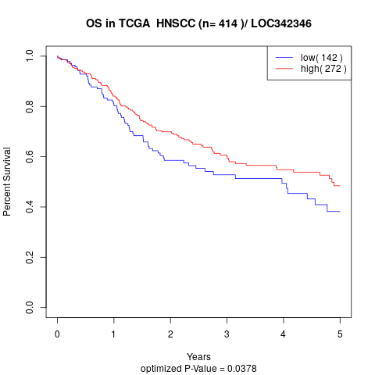

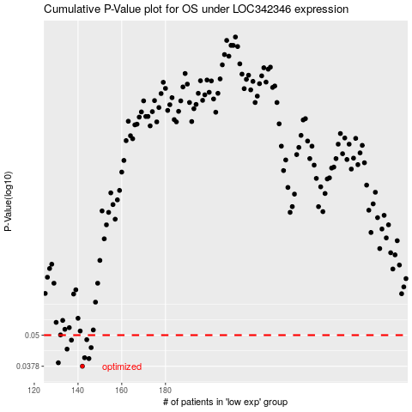

 |  |  |  |  |  | cases_OS | p_OS | rank | exp
 |  |  |  |  |  | 142 | 0.0378 | 246 | -0.53551370438
 |  |  |  |  |  | 131 | 0.039 | 192 | -0.55448875636
 |  |  |  |  |  | 145 | 0.0405 | 348 | -0.53024465246
 |  |  |  |  |  | 143 | 0.0408 | 5 | -0.53473789305
 |  |  |  |  |  | 135 | 0.0441 | 134 | -0.55106225634
 |  |  |  |  |  | 146 | 0.0447 | 305 | -0.52946884114
 |  |  |  |  |  | 137 | 0.0478 | 272 | -0.54886412425
 |  |  |  |  |  | 144 | 0.048 | 118 | -0.53363882701
 |  |  |  |  |  |  | cases_RFS | p_RFS | rank | exp
 |  |  |  |  |  |  | 141 | 0.0378 | 113 | -0.54181717139
 |  |  |  |  |  |  | 130 | 0.039 | 115 | -0.55477968561
 |  |  |  |  |  |  | 144 | 0.0405 | 118 | -0.53363882701
 |  |  |  |  |  |  | 142 | 0.0408 | 246 | -0.53551370438
 |  |  |  |  |  |  | 134 | 0.0441 | 323 | -0.55368061956
 |  |  |  |  |  |  | 145 | 0.0447 | 348 | -0.53024465246
 |  |  |  |  |  |  | 136 | 0.0478 | 278 | -0.55093295445
 |  |  |  |  |  |  | 143 | 0.048 | 5 | -0.53473789305

