LOC344595 _multivariate
Reported by Tex Li-Hsing Chi. tex@gate.sinica.edu.tw 2019-08-18

Table 2. The clinicopathological features of HNSCC cohort and LOC344595 expression. (Chi square test)
Cutoff at -0.146 (49.8%)
 |  | LOC344595 expression |  | LOC344595 expression |  | (Optimised)
 | Features | Low | (%) | High | (%) | Case no | P-value | Remark | Matthews
Gender | Female | 157 | 37.8 | 149 | 35.9 | 415 | 0.3881 | 0 | 0
2 | Male | 50 | 12 | 59 | 14.2
Age at diagnosis | <=65y | 144 | 34.7 | 130 | 31.3 | 415 | 0.1568 | 0 | 0
4 | >65y | 63 | 15.2 | 78 | 18.8
Clinical T Status | T1+T2 | 64 | 15.4 | 85 | 20.5 | 415 | 0.0445 | 1 | 0
6 | T3+T4 | 143 | 34.5 | 123 | 29.6
Clinical N Status | N0 | 102 | 24.6 | 114 | 27.5 | 415 | 0.3031 | 0 | 0
8 | N1-3 | 105 | 25.3 | 94 | 22.7
Clinical M Status | M0 | 206 | 49.6 | 206 | 49.6 | 415 | 1 | 0 | 0
10 | M1 | 1 | 0.2 | 2 | 0.5
Clinical Stage | Stage I+II | 39 | 9.4 | 63 | 15.2 | 415 | 0.0095 | 1 | 0
12 | Stage III+IV | 168 | 40.5 | 145 | 34.9
Surgical Margin status | Negative | 161 | 38.8 | 157 | 37.8 | 415 | 0.6429 | 0 | 0
14 | Positive | 46 | 11.1 | 51 | 12.3
Tobacco Exposure | Low | 69 | 16.6 | 92 | 22.2 | 415 | 0.0266 | 1 | 0
16 | High | 138 | 33.3 | 116 | 28

Table 3. Univariate/Multivariate Cox's proportional hazards regression analyses on OS time of LOC344595 gene expression in HNSCC

 |  | Univariate |  |  |  | Multivariate
 | Features | HR | CI95%(L) | CI95%(H) | P-value | HR | CI95%(L) | CI95%(H) | P-value
1 | Female | 1 |  |  |  | 1
Gender | Male | 1.157 | 0.843 | 1.587 | 0.367 | 1.196 | 0.857 | 1.671 | 0.293
11 | <=65y | 1 |  |  |  | 1
Age at diagnosis | >65y | 1.329 | 0.99 | 1.784 | 0.058 | 1.373 | 1.008 | 1.87 | 0.045
12 | T1+T2 | 1 |  |  |  | 1
Clinical T Status | T3+T4 | 1.409 | 1.028 | 1.931 | 0.033 | 2.198 | 1.163 | 4.156 | 0.015
13 | N0 | 1 |  |  |  | 1
Clinical N Status | N1-3 | 1.185 | 0.89 | 1.577 | 0.246 | 1.234 | 0.864 | 1.761 | 0.247
14 | M0 | 1 |  |  |  | 1
Clinical M Status | M1 | 4.097 | 1.009 | 16.644 | 0.049 | 9.221 | 2.01 | 42.298 | 0.004
15 | Stage I+II | 1 |  |  |  | 1
Clinical Stage | Stage III+IV | 1.245 | 0.882 | 1.759 | 0.213 | 0.52 | 0.241 | 1.119 | 0.094
16 | Negative | 1 |  |  |  | 1
Surgical Margin status | Positive | 1.591 | 1.155 | 2.191 | 0.004 | 1.654 | 1.196 | 2.287 | 0.002
17 | Low | 1 |  |  |  | 1
Tobacco Exposure | High | 1.364 | 1.008 | 1.844 | 0.044 | 1.472 | 1.068 | 2.029 | 0.018
18 | Low | 1 |  |  |  | 1
RNAseq(z-score) | High | 1.137 | 0.853 | 1.514 | 0.382 | 1.142 | 0.849 | 1.535 | 0.38

Table 4. Univariate/Multivariate Cox's proportional hazards regression analyses on RFS time of LOC344595 gene expression in HNSCC

 |  | Univariate |  |  |  | Multivariate
 | Features | HR | CI95%(L) | CI95%(H) | P-value | HR | CI95%(L) | CI95%(H) | P-value
1 | Female | 1 |  |  |  | 1
Gender | Male | 1.157 | 0.843 | 1.587 | 0.367 | 1.196 | 0.857 | 1.671 | 0.293
11 | <=65y | 1 |  |  |  | 1
Age at diagnosis | >65y | 1.329 | 0.99 | 1.784 | 0.058 | 1.373 | 1.008 | 1.87 | 0.045
12 | T1+T2 | 1 |  |  |  | 1
Clinical T Status | T3+T4 | 1.409 | 1.028 | 1.931 | 0.033 | 2.198 | 1.163 | 4.156 | 0.015
13 | N0 | 1 |  |  |  | 1
Clinical N Status | N1-3 | 1.185 | 0.89 | 1.577 | 0.246 | 1.234 | 0.864 | 1.761 | 0.247
14 | M0 | 1 |  |  |  | 1
Clinical M Status | M1 | 4.097 | 1.009 | 16.644 | 0.049 | 9.221 | 2.01 | 42.298 | 0.004
15 | Stage I+II | 1 |  |  |  | 1
Clinical Stage | Stage III+IV | 1.245 | 0.882 | 1.759 | 0.213 | 0.52 | 0.241 | 1.119 | 0.094
16 | Negative | 1 |  |  |  | 1
Surgical Margin status | Positive | 1.591 | 1.155 | 2.191 | 0.004 | 1.654 | 1.196 | 2.287 | 0.002
17 | Low | 1 |  |  |  | 1
Tobacco Exposure | High | 1.364 | 1.008 | 1.844 | 0.044 | 1.472 | 1.068 | 2.029 | 0.018
18 | Low | 1 |  |  |  | 1
RNAseq(z-score) | High | 1.137 | 0.853 | 1.514 | 0.382 | 1.142 | 0.849 | 1.535 | 0.38

Kaplan-Meier survival estimate: Cutoff at -0.146 (49.8%)

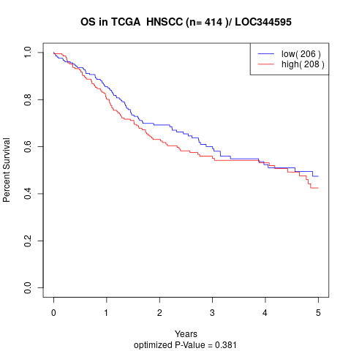

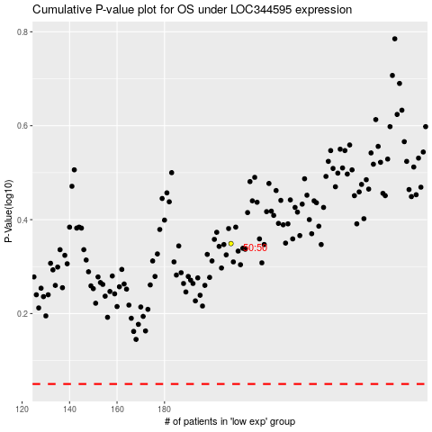

 |  |  |  |  |  | cases_OS | p_OS | rank | exp
 |  |  |  |  |  |  | cases_RFS | p_RFS | rank | exp

