LOC348926 _multivariate
Reported by Tex Li-Hsing Chi. tex@gate.sinica.edu.tw 2019-08-18

Table 2. The clinicopathological features of HNSCC cohort and LOC348926 expression. (Chi square test)
Cutoff at -0.214 (49.8%)
 |  | LOC348926 expression |  | LOC348926 expression |  | (Optimised)
 | Features | Low | (%) | High | (%) | Case no | P-value | Remark | Matthews
Gender | Female | 152 | 36.6 | 154 | 37.1 | 415 | 0.9766 | 0 | 0
2 | Male | 55 | 13.3 | 54 | 13
Age at diagnosis | <=65y | 133 | 32 | 141 | 34 | 415 | 0.5111 | 0 | 0
4 | >65y | 74 | 17.8 | 67 | 16.1
Clinical T Status | T1+T2 | 70 | 16.9 | 79 | 19 | 415 | 0.4343 | 0 | 0
6 | T3+T4 | 137 | 33 | 129 | 31.1
Clinical N Status | N0 | 101 | 24.3 | 115 | 27.7 | 415 | 0.2201 | 0 | 0
8 | N1-3 | 106 | 25.5 | 93 | 22.4
Clinical M Status | M0 | 206 | 49.6 | 206 | 49.6 | 415 | 1 | 0 | 0
10 | M1 | 1 | 0.2 | 2 | 0.5
Clinical Stage | Stage I+II | 49 | 11.8 | 53 | 12.8 | 415 | 0.7535 | 0 | 0
12 | Stage III+IV | 158 | 38.1 | 155 | 37.3
Surgical Margin status | Negative | 153 | 36.9 | 165 | 39.8 | 415 | 0.2036 | 0 | 0
14 | Positive | 54 | 13 | 43 | 10.4
Tobacco Exposure | Low | 75 | 18.1 | 86 | 20.7 | 415 | 0.3141 | 0 | 0
16 | High | 132 | 31.8 | 122 | 29.4

Table 3. Univariate/Multivariate Cox's proportional hazards regression analyses on OS time of LOC348926 gene expression in HNSCC

 |  | Univariate |  |  |  | Multivariate
 | Features | HR | CI95%(L) | CI95%(H) | P-value | HR | CI95%(L) | CI95%(H) | P-value
1 | Female | 1 |  |  |  | 1
Gender | Male | 1.157 | 0.843 | 1.587 | 0.367 | 1.202 | 0.86 | 1.679 | 0.282
11 | <=65y | 1 |  |  |  | 1
Age at diagnosis | >65y | 1.329 | 0.99 | 1.784 | 0.058 | 1.395 | 1.026 | 1.897 | 0.034
12 | T1+T2 | 1 |  |  |  | 1
Clinical T Status | T3+T4 | 1.409 | 1.028 | 1.931 | 0.033 | 2.204 | 1.166 | 4.168 | 0.015
13 | N0 | 1 |  |  |  | 1
Clinical N Status | N1-3 | 1.185 | 0.89 | 1.577 | 0.246 | 1.244 | 0.871 | 1.777 | 0.229
14 | M0 | 1 |  |  |  | 1
Clinical M Status | M1 | 4.097 | 1.009 | 16.644 | 0.049 | 9.362 | 2.042 | 42.935 | 0.004
15 | Stage I+II | 1 |  |  |  | 1
Clinical Stage | Stage III+IV | 1.245 | 0.882 | 1.759 | 0.213 | 0.504 | 0.235 | 1.082 | 0.079
16 | Negative | 1 |  |  |  | 1
Surgical Margin status | Positive | 1.591 | 1.155 | 2.191 | 0.004 | 1.672 | 1.21 | 2.31 | 0.002
17 | Low | 1 |  |  |  | 1
Tobacco Exposure | High | 1.364 | 1.008 | 1.844 | 0.044 | 1.458 | 1.057 | 2.011 | 0.022
18 | Low | 1 |  |  |  | 1
RNAseq(z-score) | High | 0.976 | 0.733 | 1.299 | 0.866 | 1.036 | 0.776 | 1.382 | 0.812

Table 4. Univariate/Multivariate Cox's proportional hazards regression analyses on RFS time of LOC348926 gene expression in HNSCC

 |  | Univariate |  |  |  | Multivariate
 | Features | HR | CI95%(L) | CI95%(H) | P-value | HR | CI95%(L) | CI95%(H) | P-value
1 | Female | 1 |  |  |  | 1
Gender | Male | 1.157 | 0.843 | 1.587 | 0.367 | 1.202 | 0.86 | 1.679 | 0.282
11 | <=65y | 1 |  |  |  | 1
Age at diagnosis | >65y | 1.329 | 0.99 | 1.784 | 0.058 | 1.395 | 1.026 | 1.897 | 0.034
12 | T1+T2 | 1 |  |  |  | 1
Clinical T Status | T3+T4 | 1.409 | 1.028 | 1.931 | 0.033 | 2.204 | 1.166 | 4.168 | 0.015
13 | N0 | 1 |  |  |  | 1
Clinical N Status | N1-3 | 1.185 | 0.89 | 1.577 | 0.246 | 1.244 | 0.871 | 1.777 | 0.229
14 | M0 | 1 |  |  |  | 1
Clinical M Status | M1 | 4.097 | 1.009 | 16.644 | 0.049 | 9.362 | 2.042 | 42.935 | 0.004
15 | Stage I+II | 1 |  |  |  | 1
Clinical Stage | Stage III+IV | 1.245 | 0.882 | 1.759 | 0.213 | 0.504 | 0.235 | 1.082 | 0.079
16 | Negative | 1 |  |  |  | 1
Surgical Margin status | Positive | 1.591 | 1.155 | 2.191 | 0.004 | 1.672 | 1.21 | 2.31 | 0.002
17 | Low | 1 |  |  |  | 1
Tobacco Exposure | High | 1.364 | 1.008 | 1.844 | 0.044 | 1.458 | 1.057 | 2.011 | 0.022
18 | Low | 1 |  |  |  | 1
RNAseq(z-score) | High | 0.976 | 0.733 | 1.299 | 0.866 | 1.036 | 0.776 | 1.382 | 0.812

Kaplan-Meier survival estimate: Cutoff at -0.214 (49.8%)

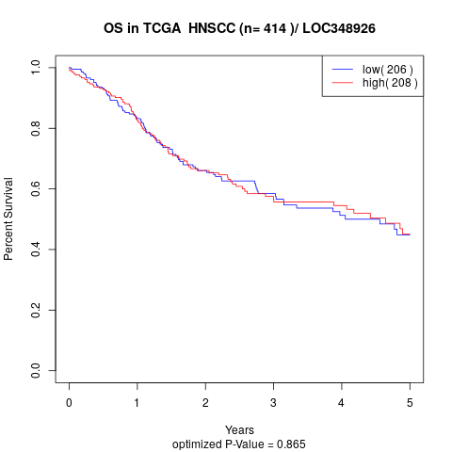

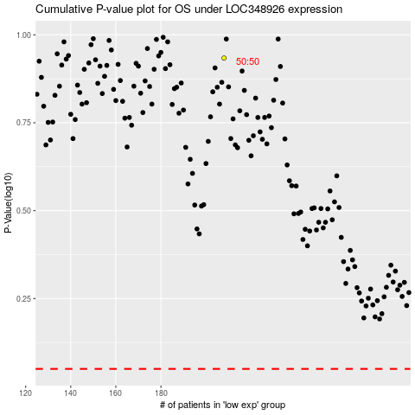

 |  |  |  |  |  | cases_OS | p_OS | rank | exp
 |  |  |  |  |  |  | cases_RFS | p_RFS | rank | exp

