LOC374443 _multivariate
Reported by Tex Li-Hsing Chi. tex@gate.sinica.edu.tw 2019-08-18

Table 2. The clinicopathological features of HNSCC cohort and LOC374443 expression. (Chi square test)
Cutoff at -0.193 (49.8%)
 |  | LOC374443 expression |  | LOC374443 expression |  | (Optimised)
 | Features | Low | (%) | High | (%) | Case no | P-value | Remark | Matthews
Gender | Female | 148 | 35.7 | 158 | 38.1 | 415 | 0.3567 | 0 | 0
2 | Male | 59 | 14.2 | 50 | 12
Age at diagnosis | <=65y | 143 | 34.5 | 131 | 31.6 | 415 | 0.2269 | 0 | 0
4 | >65y | 64 | 15.4 | 77 | 18.6
Clinical T Status | T1+T2 | 69 | 16.6 | 80 | 19.3 | 415 | 0.3239 | 0 | 0
6 | T3+T4 | 138 | 33.3 | 128 | 30.8
Clinical N Status | N0 | 112 | 27 | 104 | 25.1 | 415 | 0.4599 | 0 | 0
8 | N1-3 | 95 | 22.9 | 104 | 25.1
Clinical M Status | M0 | 207 | 49.9 | 205 | 49.4 | 415 | 0.2482 | 0 | 0
10 | M1 | 0 | 0 | 3 | 0.7
Clinical Stage | Stage I+II | 49 | 11.8 | 53 | 12.8 | 415 | 0.7535 | 0 | 0
12 | Stage III+IV | 158 | 38.1 | 155 | 37.3
Surgical Margin status | Negative | 157 | 37.8 | 161 | 38.8 | 415 | 0.729 | 0 | 0
14 | Positive | 50 | 12 | 47 | 11.3
Tobacco Exposure | Low | 82 | 19.8 | 79 | 19 | 415 | 0.763 | 0 | 0
16 | High | 125 | 30.1 | 129 | 31.1

Table 3. Univariate/Multivariate Cox's proportional hazards regression analyses on OS time of LOC374443 gene expression in HNSCC

 |  | Univariate |  |  |  | Multivariate
 | Features | HR | CI95%(L) | CI95%(H) | P-value | HR | CI95%(L) | CI95%(H) | P-value
1 | Female | 1 |  |  |  | 1
Gender | Male | 1.157 | 0.843 | 1.587 | 0.367 | 1.169 | 0.834 | 1.638 | 0.364
11 | <=65y | 1 |  |  |  | 1
Age at diagnosis | >65y | 1.329 | 0.99 | 1.784 | 0.058 | 1.396 | 1.026 | 1.898 | 0.034
12 | T1+T2 | 1 |  |  |  | 1
Clinical T Status | T3+T4 | 1.409 | 1.028 | 1.931 | 0.033 | 2.19 | 1.158 | 4.142 | 0.016
13 | N0 | 1 |  |  |  | 1
Clinical N Status | N1-3 | 1.185 | 0.89 | 1.577 | 0.246 | 1.264 | 0.885 | 1.805 | 0.197
14 | M0 | 1 |  |  |  | 1
Clinical M Status | M1 | 4.097 | 1.009 | 16.644 | 0.049 | 10.376 | 2.248 | 47.882 | 0.003
15 | Stage I+II | 1 |  |  |  | 1
Clinical Stage | Stage III+IV | 1.245 | 0.882 | 1.759 | 0.213 | 0.492 | 0.229 | 1.057 | 0.069
16 | Negative | 1 |  |  |  | 1
Surgical Margin status | Positive | 1.591 | 1.155 | 2.191 | 0.004 | 1.696 | 1.227 | 2.345 | 0.001
17 | Low | 1 |  |  |  | 1
Tobacco Exposure | High | 1.364 | 1.008 | 1.844 | 0.044 | 1.469 | 1.065 | 2.025 | 0.019
18 | Low | 1 |  |  |  | 1
RNAseq(z-score) | High | 0.843 | 0.632 | 1.123 | 0.243 | 0.809 | 0.603 | 1.086 | 0.158

Table 4. Univariate/Multivariate Cox's proportional hazards regression analyses on RFS time of LOC374443 gene expression in HNSCC

 |  | Univariate |  |  |  | Multivariate
 | Features | HR | CI95%(L) | CI95%(H) | P-value | HR | CI95%(L) | CI95%(H) | P-value
1 | Female | 1 |  |  |  | 1
Gender | Male | 1.157 | 0.843 | 1.587 | 0.367 | 1.169 | 0.834 | 1.638 | 0.364
11 | <=65y | 1 |  |  |  | 1
Age at diagnosis | >65y | 1.329 | 0.99 | 1.784 | 0.058 | 1.396 | 1.026 | 1.898 | 0.034
12 | T1+T2 | 1 |  |  |  | 1
Clinical T Status | T3+T4 | 1.409 | 1.028 | 1.931 | 0.033 | 2.19 | 1.158 | 4.142 | 0.016
13 | N0 | 1 |  |  |  | 1
Clinical N Status | N1-3 | 1.185 | 0.89 | 1.577 | 0.246 | 1.264 | 0.885 | 1.805 | 0.197
14 | M0 | 1 |  |  |  | 1
Clinical M Status | M1 | 4.097 | 1.009 | 16.644 | 0.049 | 10.376 | 2.248 | 47.882 | 0.003
15 | Stage I+II | 1 |  |  |  | 1
Clinical Stage | Stage III+IV | 1.245 | 0.882 | 1.759 | 0.213 | 0.492 | 0.229 | 1.057 | 0.069
16 | Negative | 1 |  |  |  | 1
Surgical Margin status | Positive | 1.591 | 1.155 | 2.191 | 0.004 | 1.696 | 1.227 | 2.345 | 0.001
17 | Low | 1 |  |  |  | 1
Tobacco Exposure | High | 1.364 | 1.008 | 1.844 | 0.044 | 1.469 | 1.065 | 2.025 | 0.019
18 | Low | 1 |  |  |  | 1
RNAseq(z-score) | High | 0.843 | 0.632 | 1.123 | 0.243 | 0.809 | 0.603 | 1.086 | 0.158

Kaplan-Meier survival estimate: Cutoff at -0.193 (49.8%)

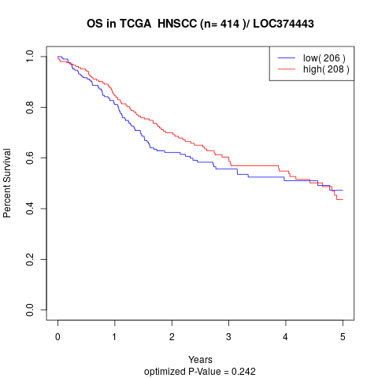

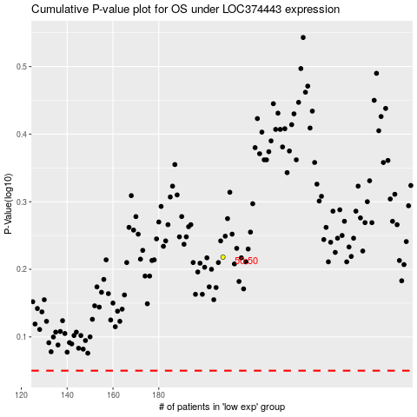

 |  |  |  |  |  | cases_OS | p_OS | rank | exp
 |  |  |  |  |  |  | cases_RFS | p_RFS | rank | exp

