LOC375190 _multivariate
Reported by Tex Li-Hsing Chi. tex@gate.sinica.edu.tw 2019-08-18

Table 2. The clinicopathological features of HNSCC cohort and LOC375190 expression. (Chi square test)
Cutoff at -0.297 (50.0%)
 |  | LOC375190 expression |  | LOC375190 expression |  | (Optimised)
 | Features | Low | (%) | High | (%) | Case no | P-value | Remark | Matthews
Gender | Female | 157 | 37.8 | 149 | 35.9 | 415 | 0.3881 | 0 | 0
2 | Male | 50 | 12 | 59 | 14.2
Age at diagnosis | <=65y | 142 | 34.2 | 132 | 31.8 | 415 | 0.3167 | 0 | 0
4 | >65y | 65 | 15.7 | 76 | 18.3
Clinical T Status | T1+T2 | 69 | 16.6 | 80 | 19.3 | 415 | 0.3239 | 0 | 0
6 | T3+T4 | 138 | 33.3 | 128 | 30.8
Clinical N Status | N0 | 106 | 25.5 | 110 | 26.5 | 415 | 0.8075 | 0 | 0
8 | N1-3 | 101 | 24.3 | 98 | 23.6
Clinical M Status | M0 | 206 | 49.6 | 206 | 49.6 | 415 | 1 | 0 | 0
10 | M1 | 1 | 0.2 | 2 | 0.5
Clinical Stage | Stage I+II | 46 | 11.1 | 56 | 13.5 | 415 | 0.3182 | 0 | 0
12 | Stage III+IV | 161 | 38.8 | 152 | 36.6
Surgical Margin status | Negative | 165 | 39.8 | 153 | 36.9 | 415 | 0.1639 | 0 | 0
14 | Positive | 42 | 10.1 | 55 | 13.3
Tobacco Exposure | Low | 73 | 17.6 | 88 | 21.2 | 415 | 0.1587 | 0 | 0
16 | High | 134 | 32.3 | 120 | 28.9

Table 3. Univariate/Multivariate Cox's proportional hazards regression analyses on OS time of LOC375190 gene expression in HNSCC

 |  | Univariate |  |  |  | Multivariate
 | Features | HR | CI95%(L) | CI95%(H) | P-value | HR | CI95%(L) | CI95%(H) | P-value
1 | Female | 1 |  |  |  | 1
Gender | Male | 1.157 | 0.843 | 1.587 | 0.367 | 1.202 | 0.861 | 1.68 | 0.28
11 | <=65y | 1 |  |  |  | 1
Age at diagnosis | >65y | 1.329 | 0.99 | 1.784 | 0.058 | 1.393 | 1.024 | 1.895 | 0.035
12 | T1+T2 | 1 |  |  |  | 1
Clinical T Status | T3+T4 | 1.409 | 1.028 | 1.931 | 0.033 | 2.202 | 1.164 | 4.163 | 0.015
13 | N0 | 1 |  |  |  | 1
Clinical N Status | N1-3 | 1.185 | 0.89 | 1.577 | 0.246 | 1.242 | 0.87 | 1.773 | 0.233
14 | M0 | 1 |  |  |  | 1
Clinical M Status | M1 | 4.097 | 1.009 | 16.644 | 0.049 | 9.429 | 2.056 | 43.25 | 0.004
15 | Stage I+II | 1 |  |  |  | 1
Clinical Stage | Stage III+IV | 1.245 | 0.882 | 1.759 | 0.213 | 0.503 | 0.234 | 1.082 | 0.079
16 | Negative | 1 |  |  |  | 1
Surgical Margin status | Positive | 1.591 | 1.155 | 2.191 | 0.004 | 1.675 | 1.209 | 2.322 | 0.002
17 | Low | 1 |  |  |  | 1
Tobacco Exposure | High | 1.364 | 1.008 | 1.844 | 0.044 | 1.452 | 1.054 | 2.001 | 0.023
18 | Low | 1 |  |  |  | 1
RNAseq(z-score) | High | 1.012 | 0.76 | 1.348 | 0.933 | 0.984 | 0.735 | 1.318 | 0.915

Table 4. Univariate/Multivariate Cox's proportional hazards regression analyses on RFS time of LOC375190 gene expression in HNSCC

 |  | Univariate |  |  |  | Multivariate
 | Features | HR | CI95%(L) | CI95%(H) | P-value | HR | CI95%(L) | CI95%(H) | P-value
1 | Female | 1 |  |  |  | 1
Gender | Male | 1.157 | 0.843 | 1.587 | 0.367 | 1.202 | 0.861 | 1.68 | 0.28
11 | <=65y | 1 |  |  |  | 1
Age at diagnosis | >65y | 1.329 | 0.99 | 1.784 | 0.058 | 1.393 | 1.024 | 1.895 | 0.035
12 | T1+T2 | 1 |  |  |  | 1
Clinical T Status | T3+T4 | 1.409 | 1.028 | 1.931 | 0.033 | 2.202 | 1.164 | 4.163 | 0.015
13 | N0 | 1 |  |  |  | 1
Clinical N Status | N1-3 | 1.185 | 0.89 | 1.577 | 0.246 | 1.242 | 0.87 | 1.773 | 0.233
14 | M0 | 1 |  |  |  | 1
Clinical M Status | M1 | 4.097 | 1.009 | 16.644 | 0.049 | 9.429 | 2.056 | 43.25 | 0.004
15 | Stage I+II | 1 |  |  |  | 1
Clinical Stage | Stage III+IV | 1.245 | 0.882 | 1.759 | 0.213 | 0.503 | 0.234 | 1.082 | 0.079
16 | Negative | 1 |  |  |  | 1
Surgical Margin status | Positive | 1.591 | 1.155 | 2.191 | 0.004 | 1.675 | 1.209 | 2.322 | 0.002
17 | Low | 1 |  |  |  | 1
Tobacco Exposure | High | 1.364 | 1.008 | 1.844 | 0.044 | 1.452 | 1.054 | 2.001 | 0.023
18 | Low | 1 |  |  |  | 1
RNAseq(z-score) | High | 1.012 | 0.76 | 1.348 | 0.933 | 0.984 | 0.735 | 1.318 | 0.915

Kaplan-Meier survival estimate: Cutoff at -0.297 (50.0%)

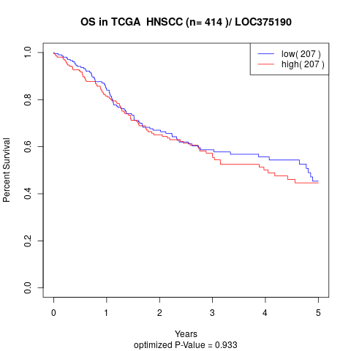

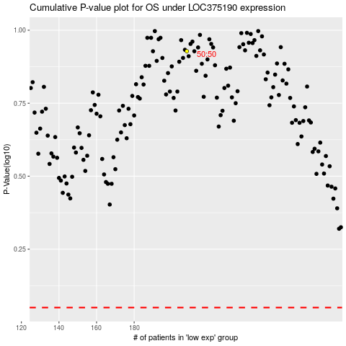

 |  |  |  |  |  | cases_OS | p_OS | rank | exp
 |  |  |  |  |  |  | cases_RFS | p_RFS | rank | exp

