LOC387647 _multivariate
Reported by Tex Li-Hsing Chi. tex@gate.sinica.edu.tw 2019-08-18

Table 2. The clinicopathological features of HNSCC cohort and LOC387647 expression. (Chi square test)
Cutoff at -0.058 (49.8%)
 |  | LOC387647 expression |  | LOC387647 expression |  | (Optimised)
 | Features | Low | (%) | High | (%) | Case no | P-value | Remark | Matthews
Gender | Female | 161 | 38.8 | 145 | 34.9 | 415 | 0.0792 | 0 | 0
2 | Male | 46 | 11.1 | 63 | 15.2
Age at diagnosis | <=65y | 142 | 34.2 | 132 | 31.8 | 415 | 0.3167 | 0 | 0
4 | >65y | 65 | 15.7 | 76 | 18.3
Clinical T Status | T1+T2 | 78 | 18.8 | 71 | 17.1 | 415 | 0.5152 | 0 | 0
6 | T3+T4 | 129 | 31.1 | 137 | 33
Clinical N Status | N0 | 109 | 26.3 | 107 | 25.8 | 415 | 0.8812 | 0 | 0
8 | N1-3 | 98 | 23.6 | 101 | 24.3
Clinical M Status | M0 | 206 | 49.6 | 206 | 49.6 | 415 | 1 | 0 | 0
10 | M1 | 1 | 0.2 | 2 | 0.5
Clinical Stage | Stage I+II | 53 | 12.8 | 49 | 11.8 | 415 | 0.7113 | 0 | 0
12 | Stage III+IV | 154 | 37.1 | 159 | 38.3
Surgical Margin status | Negative | 162 | 39 | 156 | 37.6 | 415 | 0.4867 | 0 | 0
14 | Positive | 45 | 10.8 | 52 | 12.5
Tobacco Exposure | Low | 77 | 18.6 | 84 | 20.2 | 415 | 0.5459 | 0 | 0
16 | High | 130 | 31.3 | 124 | 29.9

Table 3. Univariate/Multivariate Cox's proportional hazards regression analyses on OS time of LOC387647 gene expression in HNSCC

 |  | Univariate |  |  |  | Multivariate
 | Features | HR | CI95%(L) | CI95%(H) | P-value | HR | CI95%(L) | CI95%(H) | P-value
1 | Female | 1 |  |  |  | 1
Gender | Male | 1.157 | 0.843 | 1.587 | 0.367 | 1.179 | 0.838 | 1.657 | 0.345
11 | <=65y | 1 |  |  |  | 1
Age at diagnosis | >65y | 1.329 | 0.99 | 1.784 | 0.058 | 1.385 | 1.018 | 1.883 | 0.038
12 | T1+T2 | 1 |  |  |  | 1
Clinical T Status | T3+T4 | 1.409 | 1.028 | 1.931 | 0.033 | 2.195 | 1.161 | 4.151 | 0.016
13 | N0 | 1 |  |  |  | 1
Clinical N Status | N1-3 | 1.185 | 0.89 | 1.577 | 0.246 | 1.242 | 0.871 | 1.772 | 0.232
14 | M0 | 1 |  |  |  | 1
Clinical M Status | M1 | 4.097 | 1.009 | 16.644 | 0.049 | 9.098 | 1.977 | 41.872 | 0.005
15 | Stage I+II | 1 |  |  |  | 1
Clinical Stage | Stage III+IV | 1.245 | 0.882 | 1.759 | 0.213 | 0.503 | 0.234 | 1.079 | 0.078
16 | Negative | 1 |  |  |  | 1
Surgical Margin status | Positive | 1.591 | 1.155 | 2.191 | 0.004 | 1.676 | 1.213 | 2.316 | 0.002
17 | Low | 1 |  |  |  | 1
Tobacco Exposure | High | 1.364 | 1.008 | 1.844 | 0.044 | 1.451 | 1.053 | 1.999 | 0.023
18 | Low | 1 |  |  |  | 1
RNAseq(z-score) | High | 1.15 | 0.864 | 1.532 | 0.339 | 1.091 | 0.813 | 1.464 | 0.56

Table 4. Univariate/Multivariate Cox's proportional hazards regression analyses on RFS time of LOC387647 gene expression in HNSCC

 |  | Univariate |  |  |  | Multivariate
 | Features | HR | CI95%(L) | CI95%(H) | P-value | HR | CI95%(L) | CI95%(H) | P-value
1 | Female | 1 |  |  |  | 1
Gender | Male | 1.157 | 0.843 | 1.587 | 0.367 | 1.179 | 0.838 | 1.657 | 0.345
11 | <=65y | 1 |  |  |  | 1
Age at diagnosis | >65y | 1.329 | 0.99 | 1.784 | 0.058 | 1.385 | 1.018 | 1.883 | 0.038
12 | T1+T2 | 1 |  |  |  | 1
Clinical T Status | T3+T4 | 1.409 | 1.028 | 1.931 | 0.033 | 2.195 | 1.161 | 4.151 | 0.016
13 | N0 | 1 |  |  |  | 1
Clinical N Status | N1-3 | 1.185 | 0.89 | 1.577 | 0.246 | 1.242 | 0.871 | 1.772 | 0.232
14 | M0 | 1 |  |  |  | 1
Clinical M Status | M1 | 4.097 | 1.009 | 16.644 | 0.049 | 9.098 | 1.977 | 41.872 | 0.005
15 | Stage I+II | 1 |  |  |  | 1
Clinical Stage | Stage III+IV | 1.245 | 0.882 | 1.759 | 0.213 | 0.503 | 0.234 | 1.079 | 0.078
16 | Negative | 1 |  |  |  | 1
Surgical Margin status | Positive | 1.591 | 1.155 | 2.191 | 0.004 | 1.676 | 1.213 | 2.316 | 0.002
17 | Low | 1 |  |  |  | 1
Tobacco Exposure | High | 1.364 | 1.008 | 1.844 | 0.044 | 1.451 | 1.053 | 1.999 | 0.023
18 | Low | 1 |  |  |  | 1
RNAseq(z-score) | High | 1.15 | 0.864 | 1.532 | 0.339 | 1.091 | 0.813 | 1.464 | 0.56

Kaplan-Meier survival estimate: Cutoff at -0.058 (49.8%)

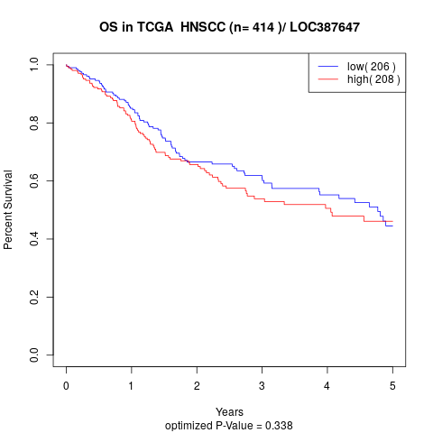

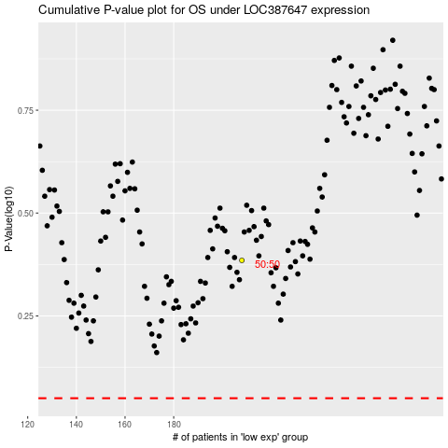

 |  |  |  |  |  | cases_OS | p_OS | rank | exp
 |  |  |  |  |  |  | cases_RFS | p_RFS | rank | exp

