LOC388152 _multivariate
Reported by Tex Li-Hsing Chi. tex@gate.sinica.edu.tw 2019-08-18

Table 2. The clinicopathological features of HNSCC cohort and LOC388152 expression. (Chi square test)
Cutoff at -0.352 (50.0%)
 |  | LOC388152 expression |  | LOC388152 expression |  | (Optimised)
 | Features | Low | (%) | High | (%) | Case no | P-value | Remark | Matthews
Gender | Female | 149 | 35.9 | 157 | 37.8 | 415 | 0.4848 | 0 | 0
2 | Male | 58 | 14 | 51 | 12.3
Age at diagnosis | <=65y | 128 | 30.8 | 146 | 35.2 | 415 | 0.0904 | 0 | 0
4 | >65y | 79 | 19 | 62 | 14.9
Clinical T Status | T1+T2 | 77 | 18.6 | 72 | 17.3 | 415 | 0.6556 | 0 | 0
6 | T3+T4 | 130 | 31.3 | 136 | 32.8
Clinical N Status | N0 | 105 | 25.3 | 111 | 26.7 | 415 | 0.6598 | 0 | 0
8 | N1-3 | 102 | 24.6 | 97 | 23.4
Clinical M Status | M0 | 206 | 49.6 | 206 | 49.6 | 415 | 1 | 0 | 0
10 | M1 | 1 | 0.2 | 2 | 0.5
Clinical Stage | Stage I+II | 53 | 12.8 | 49 | 11.8 | 415 | 0.7113 | 0 | 0
12 | Stage III+IV | 154 | 37.1 | 159 | 38.3
Surgical Margin status | Negative | 168 | 40.5 | 150 | 36.1 | 415 | 0.0366 | 1 | 0
14 | Positive | 39 | 9.4 | 58 | 14
Tobacco Exposure | Low | 77 | 18.6 | 84 | 20.2 | 415 | 0.5459 | 0 | 0
16 | High | 130 | 31.3 | 124 | 29.9

Table 3. Univariate/Multivariate Cox's proportional hazards regression analyses on OS time of LOC388152 gene expression in HNSCC

 |  | Univariate |  |  |  | Multivariate
 | Features | HR | CI95%(L) | CI95%(H) | P-value | HR | CI95%(L) | CI95%(H) | P-value
1 | Female | 1 |  |  |  | 1
Gender | Male | 1.157 | 0.843 | 1.587 | 0.367 | 1.193 | 0.853 | 1.667 | 0.303
11 | <=65y | 1 |  |  |  | 1
Age at diagnosis | >65y | 1.329 | 0.99 | 1.784 | 0.058 | 1.38 | 1.015 | 1.878 | 0.04
12 | T1+T2 | 1 |  |  |  | 1
Clinical T Status | T3+T4 | 1.409 | 1.028 | 1.931 | 0.033 | 2.21 | 1.169 | 4.178 | 0.015
13 | N0 | 1 |  |  |  | 1
Clinical N Status | N1-3 | 1.185 | 0.89 | 1.577 | 0.246 | 1.235 | 0.866 | 1.762 | 0.244
14 | M0 | 1 |  |  |  | 1
Clinical M Status | M1 | 4.097 | 1.009 | 16.644 | 0.049 | 9.549 | 2.083 | 43.779 | 0.004
15 | Stage I+II | 1 |  |  |  | 1
Clinical Stage | Stage III+IV | 1.245 | 0.882 | 1.759 | 0.213 | 0.51 | 0.238 | 1.094 | 0.084
16 | Negative | 1 |  |  |  | 1
Surgical Margin status | Positive | 1.591 | 1.155 | 2.191 | 0.004 | 1.693 | 1.224 | 2.343 | 0.001
17 | Low | 1 |  |  |  | 1
Tobacco Exposure | High | 1.364 | 1.008 | 1.844 | 0.044 | 1.444 | 1.047 | 1.99 | 0.025
18 | Low | 1 |  |  |  | 1
RNAseq(z-score) | High | 0.904 | 0.678 | 1.205 | 0.491 | 0.883 | 0.66 | 1.182 | 0.403

Table 4. Univariate/Multivariate Cox's proportional hazards regression analyses on RFS time of LOC388152 gene expression in HNSCC

 |  | Univariate |  |  |  | Multivariate
 | Features | HR | CI95%(L) | CI95%(H) | P-value | HR | CI95%(L) | CI95%(H) | P-value
1 | Female | 1 |  |  |  | 1
Gender | Male | 1.157 | 0.843 | 1.587 | 0.367 | 1.193 | 0.853 | 1.667 | 0.303
11 | <=65y | 1 |  |  |  | 1
Age at diagnosis | >65y | 1.329 | 0.99 | 1.784 | 0.058 | 1.38 | 1.015 | 1.878 | 0.04
12 | T1+T2 | 1 |  |  |  | 1
Clinical T Status | T3+T4 | 1.409 | 1.028 | 1.931 | 0.033 | 2.21 | 1.169 | 4.178 | 0.015
13 | N0 | 1 |  |  |  | 1
Clinical N Status | N1-3 | 1.185 | 0.89 | 1.577 | 0.246 | 1.235 | 0.866 | 1.762 | 0.244
14 | M0 | 1 |  |  |  | 1
Clinical M Status | M1 | 4.097 | 1.009 | 16.644 | 0.049 | 9.549 | 2.083 | 43.779 | 0.004
15 | Stage I+II | 1 |  |  |  | 1
Clinical Stage | Stage III+IV | 1.245 | 0.882 | 1.759 | 0.213 | 0.51 | 0.238 | 1.094 | 0.084
16 | Negative | 1 |  |  |  | 1
Surgical Margin status | Positive | 1.591 | 1.155 | 2.191 | 0.004 | 1.693 | 1.224 | 2.343 | 0.001
17 | Low | 1 |  |  |  | 1
Tobacco Exposure | High | 1.364 | 1.008 | 1.844 | 0.044 | 1.444 | 1.047 | 1.99 | 0.025
18 | Low | 1 |  |  |  | 1
RNAseq(z-score) | High | 0.904 | 0.678 | 1.205 | 0.491 | 0.883 | 0.66 | 1.182 | 0.403

Kaplan-Meier survival estimate: Cutoff at -0.352 (50.0%)

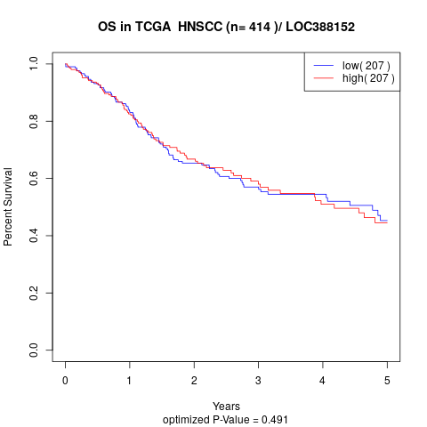

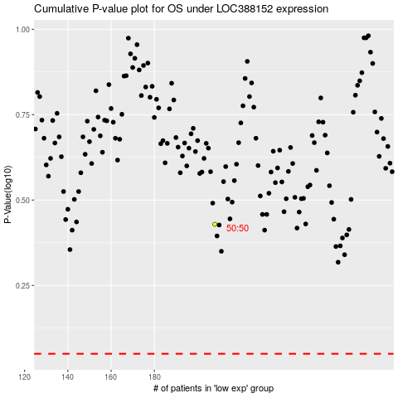

 |  |  |  |  |  | cases_OS | p_OS | rank | exp
 |  |  |  |  |  |  | cases_RFS | p_RFS | rank | exp

