LOC388692 _multivariate
Reported by Tex Li-Hsing Chi. tex@gate.sinica.edu.tw 2019-08-18

Table 2. The clinicopathological features of HNSCC cohort and LOC388692 expression. (Chi square test)
Cutoff at -0.147 (49.8%)
 |  | LOC388692 expression |  | LOC388692 expression |  | (Optimised)
 | Features | Low | (%) | High | (%) | Case no | P-value | Remark | Matthews
Gender | Female | 156 | 37.6 | 150 | 36.1 | 415 | 0.5222 | 0 | 0
2 | Male | 51 | 12.3 | 58 | 14
Age at diagnosis | <=65y | 151 | 36.4 | 123 | 29.6 | 415 | 0.0041 | 1 | 0
4 | >65y | 56 | 13.5 | 85 | 20.5
Clinical T Status | T1+T2 | 63 | 15.2 | 86 | 20.7 | 415 | 0.0268 | 1 | 0
6 | T3+T4 | 144 | 34.7 | 122 | 29.4
Clinical N Status | N0 | 101 | 24.3 | 115 | 27.7 | 415 | 0.2201 | 0 | 0
8 | N1-3 | 106 | 25.5 | 93 | 22.4
Clinical M Status | M0 | 206 | 49.6 | 206 | 49.6 | 415 | 1 | 0 | 0
10 | M1 | 1 | 0.2 | 2 | 0.5
Clinical Stage | Stage I+II | 35 | 8.4 | 67 | 16.1 | 415 | 5e-04 | 1 | 0
12 | Stage III+IV | 172 | 41.4 | 141 | 34
Surgical Margin status | Negative | 152 | 36.6 | 166 | 40 | 415 | 0.1329 | 0 | 0
14 | Positive | 55 | 13.3 | 42 | 10.1
Tobacco Exposure | Low | 67 | 16.1 | 94 | 22.7 | 415 | 0.0088 | 1 | 0
16 | High | 140 | 33.7 | 114 | 27.5

Table 3. Univariate/Multivariate Cox's proportional hazards regression analyses on OS time of LOC388692 gene expression in HNSCC

 |  | Univariate |  |  |  | Multivariate
 | Features | HR | CI95%(L) | CI95%(H) | P-value | HR | CI95%(L) | CI95%(H) | P-value
1 | Female | 1 |  |  |  | 1
Gender | Male | 1.157 | 0.843 | 1.587 | 0.367 | 1.199 | 0.858 | 1.676 | 0.288
11 | <=65y | 1 |  |  |  | 1
Age at diagnosis | >65y | 1.329 | 0.99 | 1.784 | 0.058 | 1.411 | 1.033 | 1.927 | 0.031
12 | T1+T2 | 1 |  |  |  | 1
Clinical T Status | T3+T4 | 1.409 | 1.028 | 1.931 | 0.033 | 2.215 | 1.171 | 4.188 | 0.014
13 | N0 | 1 |  |  |  | 1
Clinical N Status | N1-3 | 1.185 | 0.89 | 1.577 | 0.246 | 1.255 | 0.877 | 1.796 | 0.214
14 | M0 | 1 |  |  |  | 1
Clinical M Status | M1 | 4.097 | 1.009 | 16.644 | 0.049 | 9.551 | 2.081 | 43.826 | 0.004
15 | Stage I+II | 1 |  |  |  | 1
Clinical Stage | Stage III+IV | 1.245 | 0.882 | 1.759 | 0.213 | 0.49 | 0.226 | 1.061 | 0.07
16 | Negative | 1 |  |  |  | 1
Surgical Margin status | Positive | 1.591 | 1.155 | 2.191 | 0.004 | 1.671 | 1.21 | 2.309 | 0.002
17 | Low | 1 |  |  |  | 1
Tobacco Exposure | High | 1.364 | 1.008 | 1.844 | 0.044 | 1.449 | 1.051 | 1.998 | 0.023
18 | Low | 1 |  |  |  | 1
RNAseq(z-score) | High | 0.953 | 0.715 | 1.269 | 0.74 | 0.927 | 0.688 | 1.249 | 0.617

Table 4. Univariate/Multivariate Cox's proportional hazards regression analyses on RFS time of LOC388692 gene expression in HNSCC

 |  | Univariate |  |  |  | Multivariate
 | Features | HR | CI95%(L) | CI95%(H) | P-value | HR | CI95%(L) | CI95%(H) | P-value
1 | Female | 1 |  |  |  | 1
Gender | Male | 1.157 | 0.843 | 1.587 | 0.367 | 1.199 | 0.858 | 1.676 | 0.288
11 | <=65y | 1 |  |  |  | 1
Age at diagnosis | >65y | 1.329 | 0.99 | 1.784 | 0.058 | 1.411 | 1.033 | 1.927 | 0.031
12 | T1+T2 | 1 |  |  |  | 1
Clinical T Status | T3+T4 | 1.409 | 1.028 | 1.931 | 0.033 | 2.215 | 1.171 | 4.188 | 0.014
13 | N0 | 1 |  |  |  | 1
Clinical N Status | N1-3 | 1.185 | 0.89 | 1.577 | 0.246 | 1.255 | 0.877 | 1.796 | 0.214
14 | M0 | 1 |  |  |  | 1
Clinical M Status | M1 | 4.097 | 1.009 | 16.644 | 0.049 | 9.551 | 2.081 | 43.826 | 0.004
15 | Stage I+II | 1 |  |  |  | 1
Clinical Stage | Stage III+IV | 1.245 | 0.882 | 1.759 | 0.213 | 0.49 | 0.226 | 1.061 | 0.07
16 | Negative | 1 |  |  |  | 1
Surgical Margin status | Positive | 1.591 | 1.155 | 2.191 | 0.004 | 1.671 | 1.21 | 2.309 | 0.002
17 | Low | 1 |  |  |  | 1
Tobacco Exposure | High | 1.364 | 1.008 | 1.844 | 0.044 | 1.449 | 1.051 | 1.998 | 0.023
18 | Low | 1 |  |  |  | 1
RNAseq(z-score) | High | 0.953 | 0.715 | 1.269 | 0.74 | 0.927 | 0.688 | 1.249 | 0.617

Kaplan-Meier survival estimate: Cutoff at -0.147 (49.8%)

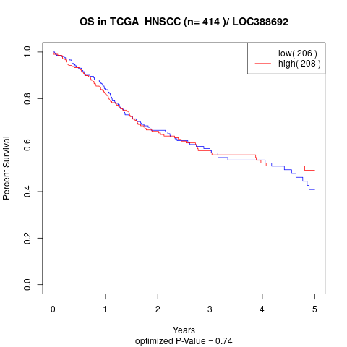

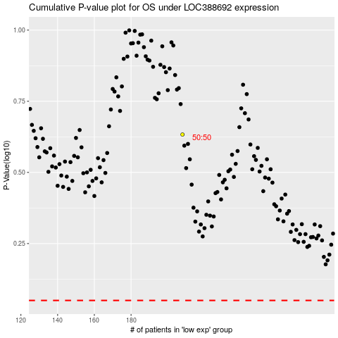

 |  |  |  |  |  | cases_OS | p_OS | rank | exp
 |  |  |  |  |  |  | cases_RFS | p_RFS | rank | exp

