LOC388796 _multivariate
Reported by Tex Li-Hsing Chi. tex@gate.sinica.edu.tw 2019-08-18

Table 2. The clinicopathological features of HNSCC cohort and LOC388796 expression. (Chi square test)
Cutoff at -0.254 (49.8%)
 |  | LOC388796 expression |  | LOC388796 expression |  | (Optimised)
 | Features | Low | (%) | High | (%) | Case no | P-value | Remark | Matthews
Gender | Female | 143 | 34.5 | 163 | 39.3 | 415 | 0.0416 | 1 | 0
2 | Male | 64 | 15.4 | 45 | 10.8
Age at diagnosis | <=65y | 137 | 33 | 137 | 33 | 415 | 1 | 0 | 0
4 | >65y | 70 | 16.9 | 71 | 17.1
Clinical T Status | T1+T2 | 82 | 19.8 | 67 | 16.1 | 415 | 0.1417 | 0 | 0
6 | T3+T4 | 125 | 30.1 | 141 | 34
Clinical N Status | N0 | 113 | 27.2 | 103 | 24.8 | 415 | 0.3495 | 1 | 0
8 | N1-3 | 94 | 22.7 | 105 | 25.3
Clinical M Status | M0 | 207 | 49.9 | 205 | 49.4 | 415 | 0.2482 | 0 | 0
10 | M1 | 0 | 0 | 3 | 0.7
Clinical Stage | Stage I+II | 60 | 14.5 | 42 | 10.1 | 415 | 0.0493 | 1 | 0
12 | Stage III+IV | 147 | 35.4 | 166 | 40
Surgical Margin status | Negative | 162 | 39 | 156 | 37.6 | 415 | 0.4867 | 0 | 0
14 | Positive | 45 | 10.8 | 52 | 12.5
Tobacco Exposure | Low | 84 | 20.2 | 77 | 18.6 | 415 | 0.4816 | 0 | 0
16 | High | 123 | 29.6 | 131 | 31.6

Table 3. Univariate/Multivariate Cox's proportional hazards regression analyses on OS time of LOC388796 gene expression in HNSCC

 |  | Univariate |  |  |  | Multivariate
 | Features | HR | CI95%(L) | CI95%(H) | P-value | HR | CI95%(L) | CI95%(H) | P-value
1 | Female | 1 |  |  |  | 1
Gender | Male | 1.157 | 0.843 | 1.587 | 0.367 | 1.197 | 0.858 | 1.671 | 0.29
11 | <=65y | 1 |  |  |  | 1
Age at diagnosis | >65y | 1.329 | 0.99 | 1.784 | 0.058 | 1.429 | 1.049 | 1.948 | 0.024
12 | T1+T2 | 1 |  |  |  | 1
Clinical T Status | T3+T4 | 1.409 | 1.028 | 1.931 | 0.033 | 2.21 | 1.169 | 4.178 | 0.015
13 | N0 | 1 |  |  |  | 1
Clinical N Status | N1-3 | 1.185 | 0.89 | 1.577 | 0.246 | 1.266 | 0.887 | 1.806 | 0.193
14 | M0 | 1 |  |  |  | 1
Clinical M Status | M1 | 4.097 | 1.009 | 16.644 | 0.049 | 10.455 | 2.266 | 48.244 | 0.003
15 | Stage I+II | 1 |  |  |  | 1
Clinical Stage | Stage III+IV | 1.245 | 0.882 | 1.759 | 0.213 | 0.526 | 0.245 | 1.132 | 0.1
16 | Negative | 1 |  |  |  | 1
Surgical Margin status | Positive | 1.591 | 1.155 | 2.191 | 0.004 | 1.671 | 1.209 | 2.308 | 0.002
17 | Low | 1 |  |  |  | 1
Tobacco Exposure | High | 1.364 | 1.008 | 1.844 | 0.044 | 1.474 | 1.069 | 2.033 | 0.018
18 | Low | 1 |  |  |  | 1
RNAseq(z-score) | High | 0.883 | 0.663 | 1.178 | 0.398 | 0.792 | 0.588 | 1.068 | 0.126

Table 4. Univariate/Multivariate Cox's proportional hazards regression analyses on RFS time of LOC388796 gene expression in HNSCC

 |  | Univariate |  |  |  | Multivariate
 | Features | HR | CI95%(L) | CI95%(H) | P-value | HR | CI95%(L) | CI95%(H) | P-value
1 | Female | 1 |  |  |  | 1
Gender | Male | 1.157 | 0.843 | 1.587 | 0.367 | 1.197 | 0.858 | 1.671 | 0.29
11 | <=65y | 1 |  |  |  | 1
Age at diagnosis | >65y | 1.329 | 0.99 | 1.784 | 0.058 | 1.429 | 1.049 | 1.948 | 0.024
12 | T1+T2 | 1 |  |  |  | 1
Clinical T Status | T3+T4 | 1.409 | 1.028 | 1.931 | 0.033 | 2.21 | 1.169 | 4.178 | 0.015
13 | N0 | 1 |  |  |  | 1
Clinical N Status | N1-3 | 1.185 | 0.89 | 1.577 | 0.246 | 1.266 | 0.887 | 1.806 | 0.193
14 | M0 | 1 |  |  |  | 1
Clinical M Status | M1 | 4.097 | 1.009 | 16.644 | 0.049 | 10.455 | 2.266 | 48.244 | 0.003
15 | Stage I+II | 1 |  |  |  | 1
Clinical Stage | Stage III+IV | 1.245 | 0.882 | 1.759 | 0.213 | 0.526 | 0.245 | 1.132 | 0.1
16 | Negative | 1 |  |  |  | 1
Surgical Margin status | Positive | 1.591 | 1.155 | 2.191 | 0.004 | 1.671 | 1.209 | 2.308 | 0.002
17 | Low | 1 |  |  |  | 1
Tobacco Exposure | High | 1.364 | 1.008 | 1.844 | 0.044 | 1.474 | 1.069 | 2.033 | 0.018
18 | Low | 1 |  |  |  | 1
RNAseq(z-score) | High | 0.883 | 0.663 | 1.178 | 0.398 | 0.792 | 0.588 | 1.068 | 0.126

Kaplan-Meier survival estimate: Cutoff at -0.254 (49.8%)



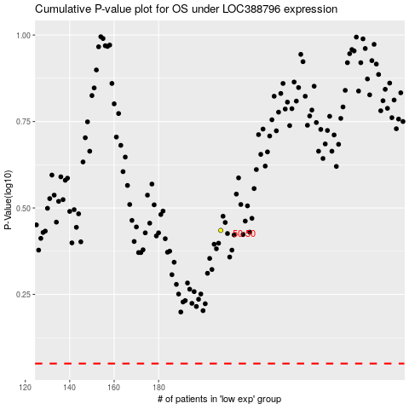

 |  |  |  |  |  | cases_OS | p_OS | rank | exp
 |  |  |  |  |  |  | cases_RFS | p_RFS | rank | exp

