LOC389333 _multivariate
Reported by Tex Li-Hsing Chi. tex@gate.sinica.edu.tw 2019-08-18

Table 2. The clinicopathological features of HNSCC cohort and LOC389333 expression. (Chi square test)
Cutoff at -0.26 (50.0%)
 |  | LOC389333 expression |  | LOC389333 expression |  | (Optimised)
 | Features | Low | (%) | High | (%) | Case no | P-value | Remark | Matthews
Gender | Female | 149 | 35.9 | 157 | 37.8 | 415 | 0.4848 | 0 | 0
2 | Male | 58 | 14 | 51 | 12.3
Age at diagnosis | <=65y | 132 | 31.8 | 142 | 34.2 | 415 | 0.3874 | 0 | 0
4 | >65y | 75 | 18.1 | 66 | 15.9
Clinical T Status | T1+T2 | 59 | 14.2 | 90 | 21.7 | 415 | 0.0024 | 1 | 0
6 | T3+T4 | 148 | 35.7 | 118 | 28.4
Clinical N Status | N0 | 96 | 23.1 | 120 | 28.9 | 415 | 0.0272 | 1 | 0
8 | N1-3 | 111 | 26.7 | 88 | 21.2
Clinical M Status | M0 | 204 | 49.2 | 208 | 50.1 | 415 | 0.1232 | 0 | 0
10 | M1 | 3 | 0.7 | 0 | 0
Clinical Stage | Stage I+II | 37 | 8.9 | 65 | 15.7 | 415 | 0.0023 | 1 | 0
12 | Stage III+IV | 170 | 41 | 143 | 34.5
Surgical Margin status | Negative | 151 | 36.4 | 167 | 40.2 | 415 | 0.0828 | 0 | 0
14 | Positive | 56 | 13.5 | 41 | 9.9
Tobacco Exposure | Low | 85 | 20.5 | 76 | 18.3 | 415 | 0.3655 | 0 | 0
16 | High | 122 | 29.4 | 132 | 31.8

Table 3. Univariate/Multivariate Cox's proportional hazards regression analyses on OS time of LOC389333 gene expression in HNSCC

 |  | Univariate |  |  |  | Multivariate
 | Features | HR | CI95%(L) | CI95%(H) | P-value | HR | CI95%(L) | CI95%(H) | P-value
1 | Female | 1 |  |  |  | 1
Gender | Male | 1.157 | 0.843 | 1.587 | 0.367 | 1.204 | 0.861 | 1.684 | 0.277
11 | <=65y | 1 |  |  |  | 1
Age at diagnosis | >65y | 1.329 | 0.99 | 1.784 | 0.058 | 1.397 | 1.025 | 1.904 | 0.034
12 | T1+T2 | 1 |  |  |  | 1
Clinical T Status | T3+T4 | 1.409 | 1.028 | 1.931 | 0.033 | 2.208 | 1.167 | 4.176 | 0.015
13 | N0 | 1 |  |  |  | 1
Clinical N Status | N1-3 | 1.185 | 0.89 | 1.577 | 0.246 | 1.244 | 0.871 | 1.778 | 0.229
14 | M0 | 1 |  |  |  | 1
Clinical M Status | M1 | 4.097 | 1.009 | 16.644 | 0.049 | 9.559 | 2.068 | 44.179 | 0.004
15 | Stage I+II | 1 |  |  |  | 1
Clinical Stage | Stage III+IV | 1.245 | 0.882 | 1.759 | 0.213 | 0.505 | 0.235 | 1.084 | 0.08
16 | Negative | 1 |  |  |  | 1
Surgical Margin status | Positive | 1.591 | 1.155 | 2.191 | 0.004 | 1.676 | 1.212 | 2.319 | 0.002
17 | Low | 1 |  |  |  | 1
Tobacco Exposure | High | 1.364 | 1.008 | 1.844 | 0.044 | 1.449 | 1.051 | 1.999 | 0.024
18 | Low | 1 |  |  |  | 1
RNAseq(z-score) | High | 0.933 | 0.7 | 1.242 | 0.633 | 1.031 | 0.766 | 1.387 | 0.841

Table 4. Univariate/Multivariate Cox's proportional hazards regression analyses on RFS time of LOC389333 gene expression in HNSCC

 |  | Univariate |  |  |  | Multivariate
 | Features | HR | CI95%(L) | CI95%(H) | P-value | HR | CI95%(L) | CI95%(H) | P-value
1 | Female | 1 |  |  |  | 1
Gender | Male | 1.157 | 0.843 | 1.587 | 0.367 | 1.204 | 0.861 | 1.684 | 0.277
11 | <=65y | 1 |  |  |  | 1
Age at diagnosis | >65y | 1.329 | 0.99 | 1.784 | 0.058 | 1.397 | 1.025 | 1.904 | 0.034
12 | T1+T2 | 1 |  |  |  | 1
Clinical T Status | T3+T4 | 1.409 | 1.028 | 1.931 | 0.033 | 2.208 | 1.167 | 4.176 | 0.015
13 | N0 | 1 |  |  |  | 1
Clinical N Status | N1-3 | 1.185 | 0.89 | 1.577 | 0.246 | 1.244 | 0.871 | 1.778 | 0.229
14 | M0 | 1 |  |  |  | 1
Clinical M Status | M1 | 4.097 | 1.009 | 16.644 | 0.049 | 9.559 | 2.068 | 44.179 | 0.004
15 | Stage I+II | 1 |  |  |  | 1
Clinical Stage | Stage III+IV | 1.245 | 0.882 | 1.759 | 0.213 | 0.505 | 0.235 | 1.084 | 0.08
16 | Negative | 1 |  |  |  | 1
Surgical Margin status | Positive | 1.591 | 1.155 | 2.191 | 0.004 | 1.676 | 1.212 | 2.319 | 0.002
17 | Low | 1 |  |  |  | 1
Tobacco Exposure | High | 1.364 | 1.008 | 1.844 | 0.044 | 1.449 | 1.051 | 1.999 | 0.024
18 | Low | 1 |  |  |  | 1
RNAseq(z-score) | High | 0.933 | 0.7 | 1.242 | 0.633 | 1.031 | 0.766 | 1.387 | 0.841

Kaplan-Meier survival estimate: Cutoff at -0.26 (50.0%)

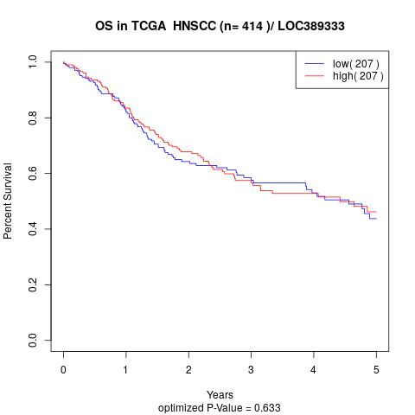

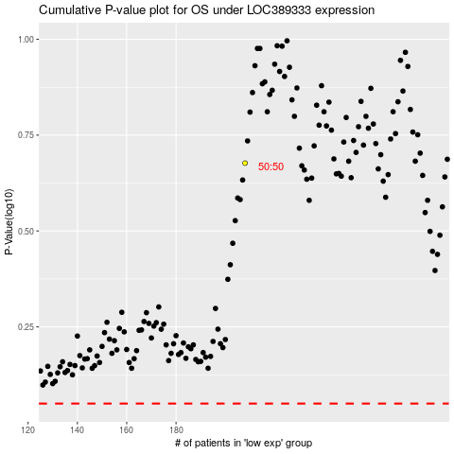

 |  |  |  |  |  | cases_OS | p_OS | rank | exp
 |  |  |  |  |  |  | cases_RFS | p_RFS | rank | exp

